Worksheet 1
Press: | iGen5 | Number of Items in the order | 1 of 1 |  | Display image:
Order Date: | 2026-09-03 14:49:54 |  |  |  | 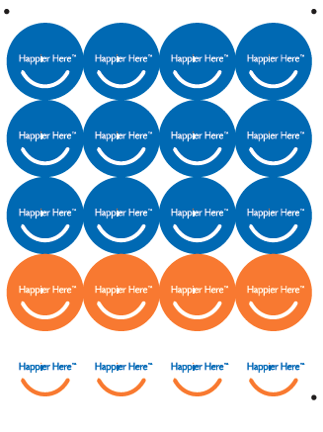
Order Number: | VIV-20400
Company: | Oakville

Item Code | VIVA_Happier Here Stickers_2inch
Description | VIVA_Happier Here Stickers - 3 versions (versions) |  | Qty | 50

# of Pages: | 1 | For SM/QM
Colours: | 4 + 0 | Coating:
Flat Size: | 9 x 12 | Layout Orientation: | Sheetwork
Finish Size: | 9 x 12 | # of Up: | 20up (3 versions)
Stock: | Gloss Coated Paper Labels | Parent Sheet Size:
Finishing: | Apply Soft Touch Lamination 1 Side, Kiss cut to 2” x 2” circle 20up per sheet. | Out:
 |  | Press Sheet Size:
 |  | Finished:
 |  | Overs:
 |  | Gross:

Special Instructions

