Worksheet 1
Press: | QM | Number of Items in the order | 1 of 2 |  | Display image:
Order Date: | 2026-07-24 15:04:31 |  |  |  | 
Order Number: | VIV-20394
Company: | Oakville

Item Code | OAK_10env
Description | No. 10 Envelopes |  | Qty | 250

# of Pages: | 1 | For SM/QM
Colours: | 2 (PMS3005 + PMS144) | Coating:
Flat Size: | 4.13" x 9.5" | Layout Orientation: | Sheetwork
Finish Size: | 4.13" x 9.5" | # of Up: | 1up
Stock: | 24lb White Wove Envelope | Parent Sheet Size:
Finishing: |  | Out:
 |  | Press Sheet Size: | 4.13" x 9.5"
 |  | Finished:
 |  | Overs:
 |  | Gross:

Special Instructions

Press: | SM | Number of Items in the order | 2 of 2 |  | Display image:
Order Date: | 2026-07-24 15:04:31 |  |  |  | 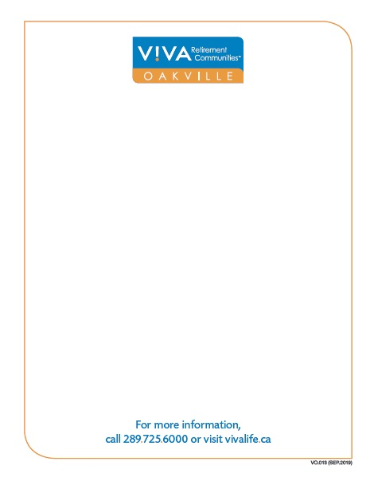
Order Number: | VIV-20394
Company: | Oakville

Item Code | OAK_memopad
Description | Memo Pad |  | Qty | 250

# of Pages: | 1 | For SM/QM
Colours: | 4/0 | Coating:
Flat Size: | 4 25'' x .5'' | Layout Orientation: | Sheetwork
Finish Size: | 4 25'' x .5'' | # of Up: | 16
Stock: | 50lb Uncoated text | Parent Sheet Size: | 19" x 25"
Finishing: | Trim, Pad in 50s with Backer | Out: | 1
 |  | Press Sheet Size: | 19" x 25"
 |  | Finished: | 782 / 1563 / 2344 / 3125
 |  | Overs: | 150
 |  | Gross: | 932 / 1713 / 2494 / 3275

Special Instructions

