Worksheet 1
Press: | HP | Number of Items in the order | 1 of 2 |  | Display image:
Order Date: | 2026-09-01 14:46:17 |  |  |  | 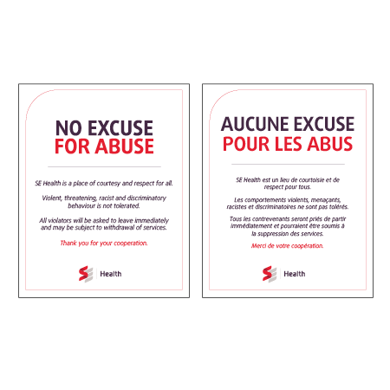
Order Number: | SEH-1008089
Company: | South West Service Delivery Centre

Item Code | Gen_NoAbuse_0623_EN_FR
Description | Clinic Sign - No Abuse - English & French |  | Qty | 4

# of Pages: | 1 | For SM/QM
Colours: | 4 + 0 | Coating:
Flat Size: | 8" x 10" | Layout Orientation:
Finish Size: | 8" x 10" | # of Up:
Stock: | 8.5mil Backlit Vinyl mounted with removable adhesive backing | Parent Sheet Size:
Finishing: | Trim to size (ENG and Fre set) | Out:
 |  | Press Sheet Size:
 |  | Finished:
 |  | Overs:
 |  | Gross:

Special Instructions

Press: | HP | Number of Items in the order | 2 of 2 |  | Display image:
Order Date: | 2026-09-01 14:46:17 |  |  |  | 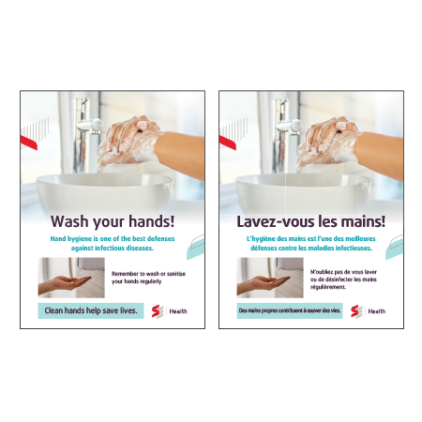
Order Number: | SEH-1008089
Company: | South West Service Delivery Centre

Item Code | Gen_HandHygiene_0623_EN_FR
Description | Clinic Sign - Hand Hygiene Clinic - English & French |  | Qty | 4

# of Pages: | 1 | For SM/QM
Colours: | 4 + 0 | Coating:
Flat Size: | 8" x 10" | Layout Orientation:
Finish Size: | 8" x 10" | # of Up:
Stock: | 8.5mil Backlit Vinyl mounted with removable adhesive backing | Parent Sheet Size:
Finishing: | Trim to size (ENG and Fre set) | Out:
 |  | Press Sheet Size:
 |  | Finished:
 |  | Overs:
 |  | Gross:

Special Instructions

