Worksheet 1
Press: | D125 | Number of Items in the order | 1 of 1 |  | Display image:
Order Date: | 2026-08-19 17:03:32 |  |  |  | 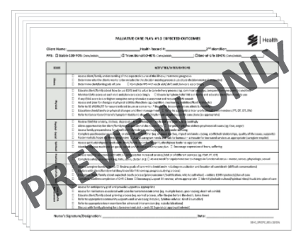
Order Number: | SEH-1008077
Company: | North Simcoe Muskoka Service Delivery Centre

Item Code | SEHC_SPECPC_KIT_(0120)
Description | Palliative Care Kit |  | Qty | 500

# of Pages: | 19 | For SM/QM
Colours: | 1/1 | Coating:
Flat Size: | 8.5" x 11" | Layout Orientation:
Finish Size: | 8.5" x 11" | # of Up:
Stock: | 20 lb white | Parent Sheet Size:
Finishing: | The kit included: SEHC_SPECPC_001 - Palliative Care Plan and Expected Outcomes, SEHC_SPECPC_002 - Pain Care Plan, SEHC_SPECPC_003 - Dyspnea Care Plan, SEHC_SPECPC_004 - Braden with Care Plan, SEHC_SPE | Out:
 |  | Press Sheet Size:
 |  | Finished:
 |  | Overs:
 |  | Gross:

Special Instructions

