Worksheet 1
Press: |  | Number of Items in the order | 1 of 12 |  | Display image:
Order Date: | 2026-08-27 20:09:51 |  |  |  | 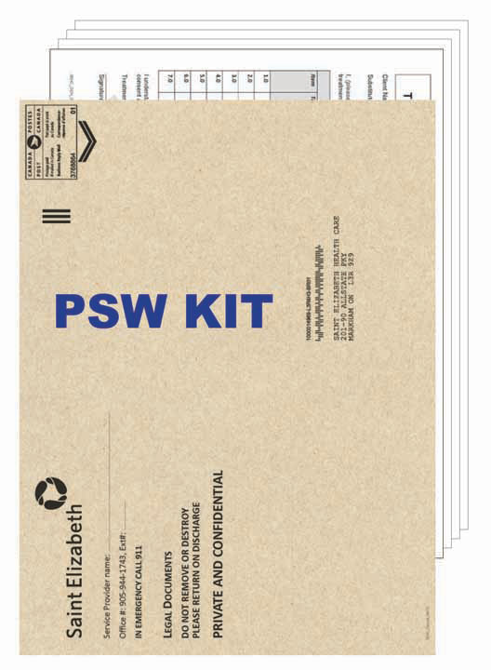
Order Number: | SEH-1008076
Company: | HNHB Service Delivery Centre

Item Code | SEHC_PSW_KIT
Description | PSW Kit with 10 x 13 Kraft Envelopes (Welcome Guide Included) |  | Qty | 1000

# of Pages: |  | For SM/QM
Colours: |  | Coating:
Flat Size: |  | Layout Orientation:
Finish Size: |  | # of Up:
Stock: |  | Parent Sheet Size:
Finishing: |  | Out:
 |  | Press Sheet Size:
 |  | Finished:
 |  | Overs:
 |  | Gross:

Special Instructions

Press: |  | Number of Items in the order | 2 of 12 |  | Display image:
Order Date: | 2026-08-27 20:09:51 |  |  |  | 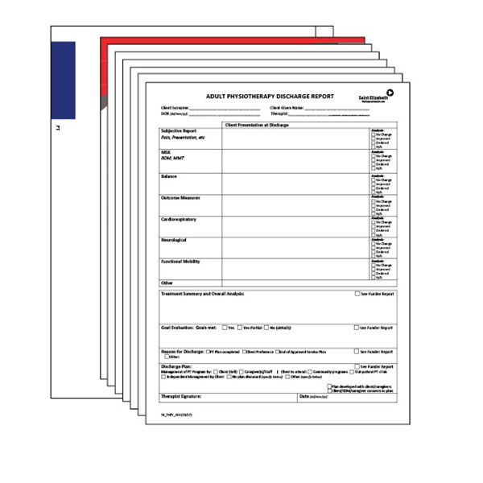
Order Number: | SEH-1008076
Company: | HNHB Service Delivery Centre

Item Code | PT_KIT
Description | Physiotherapy (PT) |  | Qty | 300

# of Pages: |  | For SM/QM
Colours: |  | Coating:
Flat Size: |  | Layout Orientation:
Finish Size: |  | # of Up:
Stock: |  | Parent Sheet Size:
Finishing: |  | Out:
 |  | Press Sheet Size:
 |  | Finished:
 |  | Overs:
 |  | Gross:

Special Instructions

Worksheet 2
Press: |  | Number of Items in the order | 3 of 12 |  | Display image:
Order Date: | 2026-08-27 20:09:51 |  |  |  | 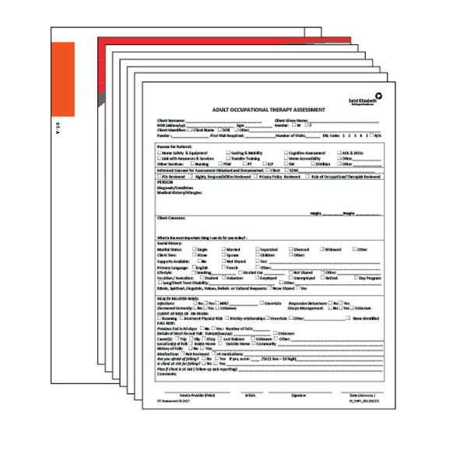
Order Number: | SEH-1008076
Company: | HNHB Service Delivery Centre

Item Code | OT-A_KIT(CP)
Description | Occupational Therapy - Adult (OT-A) |  | Qty | 200

# of Pages: |  | For SM/QM
Colours: |  | Coating:
Flat Size: |  | Layout Orientation:
Finish Size: |  | # of Up:
Stock: |  | Parent Sheet Size:
Finishing: |  | Out:
 |  | Press Sheet Size:
 |  | Finished:
 |  | Overs:
 |  | Gross:

Special Instructions

Press: |  | Number of Items in the order | 4 of 12 |  | Display image:
Order Date: | 2026-08-27 20:09:51 |  |  |  | 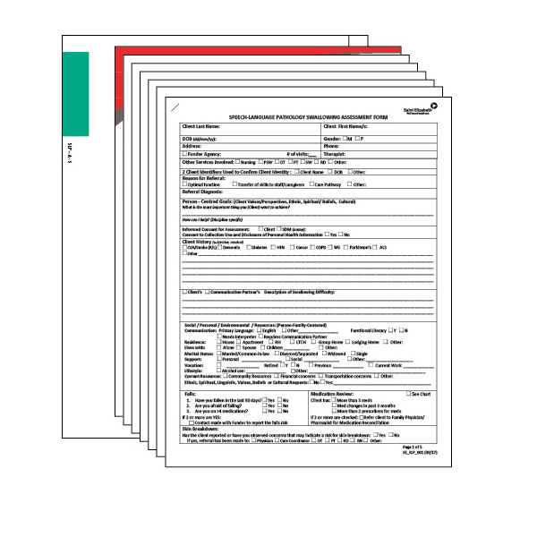
Order Number: | SEH-1008076
Company: | HNHB Service Delivery Centre

Item Code | SLP-A-S_KIT
Description | Speech Language Pathology - Swallowing (SLP-A-S) |  | Qty | 200

# of Pages: |  | For SM/QM
Colours: |  | Coating:
Flat Size: |  | Layout Orientation:
Finish Size: |  | # of Up:
Stock: |  | Parent Sheet Size:
Finishing: |  | Out:
 |  | Press Sheet Size:
 |  | Finished:
 |  | Overs:
 |  | Gross:

Special Instructions

Worksheet 3
Press: |  | Number of Items in the order | 5 of 12 |  | Display image:
Order Date: | 2026-08-27 20:09:51 |  |  |  | 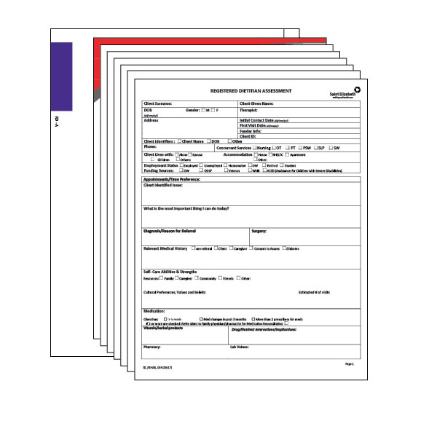
Order Number: | SEH-1008076
Company: | HNHB Service Delivery Centre

Item Code | RD-A_KIT
Description | Registered Dietitian - Adult (RD-A) |  | Qty | 200

# of Pages: |  | For SM/QM
Colours: |  | Coating:
Flat Size: |  | Layout Orientation:
Finish Size: |  | # of Up:
Stock: |  | Parent Sheet Size:
Finishing: |  | Out:
 |  | Press Sheet Size:
 |  | Finished:
 |  | Overs:
 |  | Gross:

Special Instructions

Press: |  | Number of Items in the order | 6 of 12 |  | Display image:
Order Date: | 2026-08-27 20:09:51 |  |  |  | 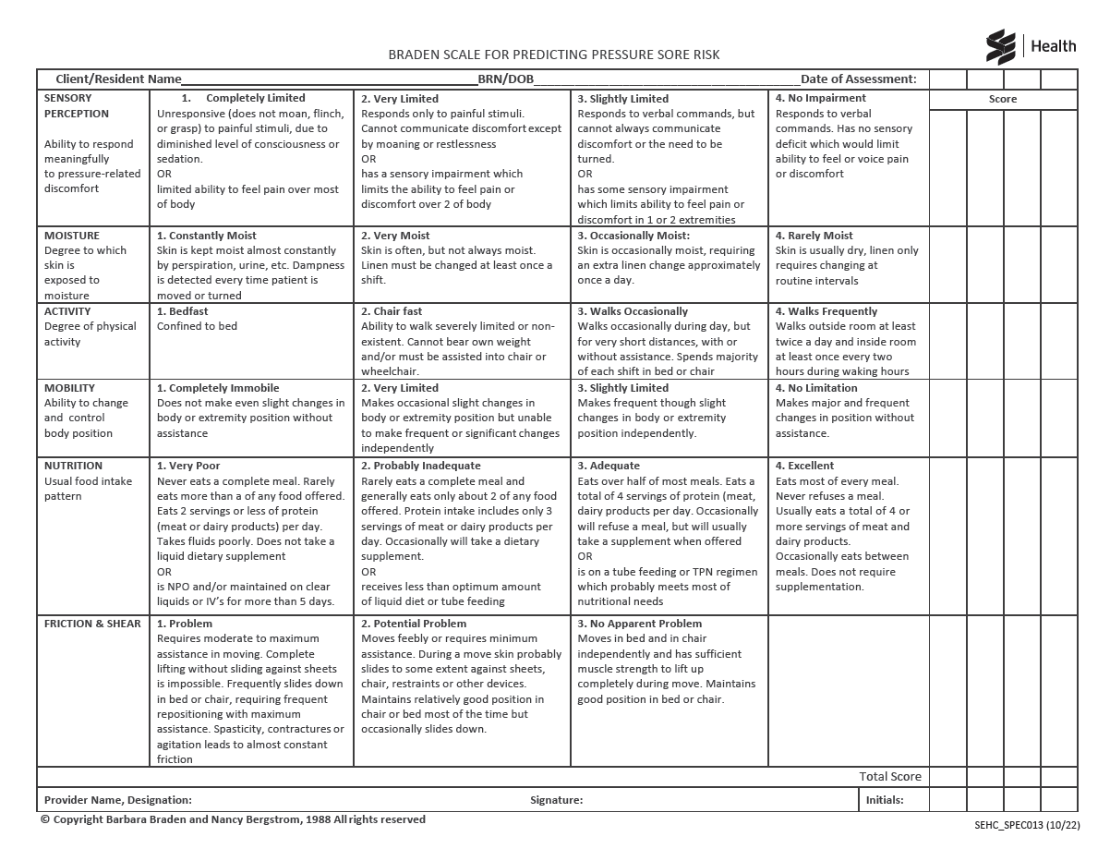
Order Number: | SEH-1008076
Company: | HNHB Service Delivery Centre

Item Code | SEHC_SPEC_013_1022
Description | Braden Scale with Care Plan |  | Qty | 1000

# of Pages: |  | For SM/QM
Colours: |  | Coating:
Flat Size: |  | Layout Orientation:
Finish Size: |  | # of Up:
Stock: |  | Parent Sheet Size:
Finishing: |  | Out:
 |  | Press Sheet Size:
 |  | Finished:
 |  | Overs:
 |  | Gross:

Special Instructions

Worksheet 4
Press: |  | Number of Items in the order | 7 of 12 |  | Display image:
Order Date: | 2026-08-27 20:09:51 |  |  |  | 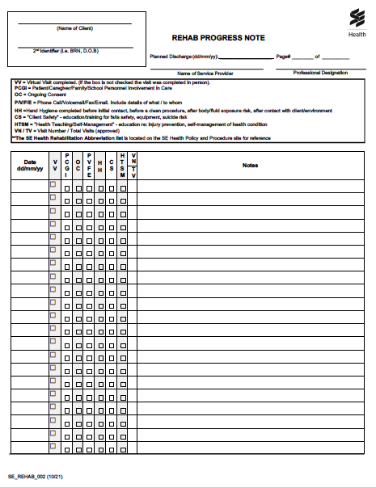
Order Number: | SEH-1008076
Company: | HNHB Service Delivery Centre

Item Code | SE_REHAB_002(0522)
Description | Rehabilitation Progress Notes |  | Qty | 1000

# of Pages: |  | For SM/QM
Colours: |  | Coating:
Flat Size: |  | Layout Orientation:
Finish Size: |  | # of Up:
Stock: |  | Parent Sheet Size:
Finishing: |  | Out:
 |  | Press Sheet Size:
 |  | Finished:
 |  | Overs:
 |  | Gross:

Special Instructions

Press: |  | Number of Items in the order | 8 of 12 |  | Display image:
Order Date: | 2026-08-27 20:09:51 |  |  |  | 
Order Number: | SEH-1008076
Company: | HNHB Service Delivery Centre

Item Code | SEHC_IPK_007 (12/15)
Description | Progress Note (Canary) |  | Qty | 1000

# of Pages: |  | For SM/QM
Colours: |  | Coating:
Flat Size: |  | Layout Orientation:
Finish Size: |  | # of Up:
Stock: |  | Parent Sheet Size:
Finishing: |  | Out:
 |  | Press Sheet Size:
 |  | Finished:
 |  | Overs:
 |  | Gross:

Special Instructions

Worksheet 5
Press: |  | Number of Items in the order | 9 of 12 |  | Display image:
Order Date: | 2026-08-27 20:09:51 |  |  |  | 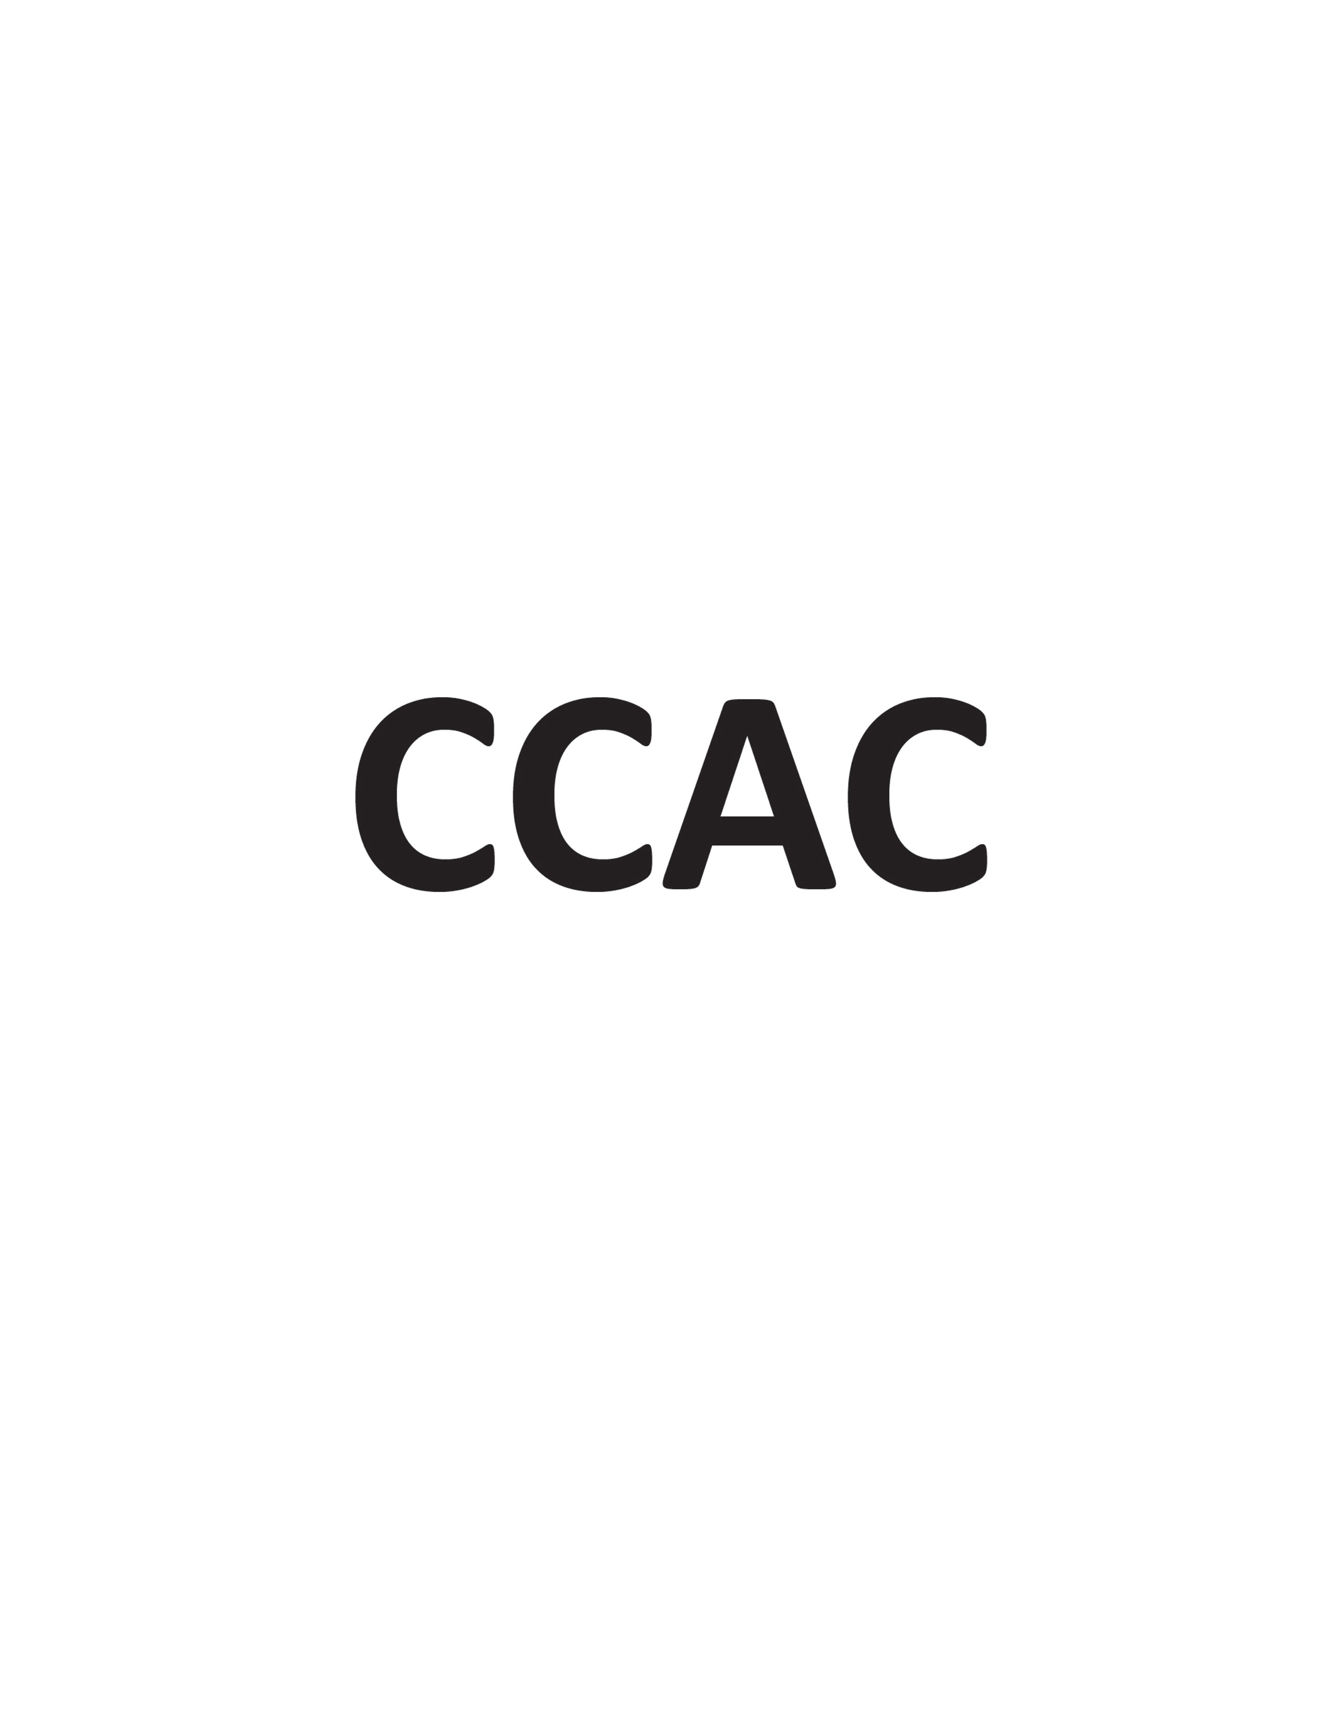
Order Number: | SEH-1008076
Company: | HNHB Service Delivery Centre

Item Code | CCAC_137_R0111
Description | Nursing Record Pronouncement of Expected Death at Home (HNHB) (2Part NCR) |  | Qty | 1000

# of Pages: |  | For SM/QM
Colours: |  | Coating:
Flat Size: |  | Layout Orientation:
Finish Size: |  | # of Up:
Stock: |  | Parent Sheet Size:
Finishing: |  | Out:
 |  | Press Sheet Size:
 |  | Finished:
 |  | Overs:
 |  | Gross:

Special Instructions

Press: |  | Number of Items in the order | 10 of 12 |  | Display image:
Order Date: | 2026-08-27 20:09:51 |  |  |  | 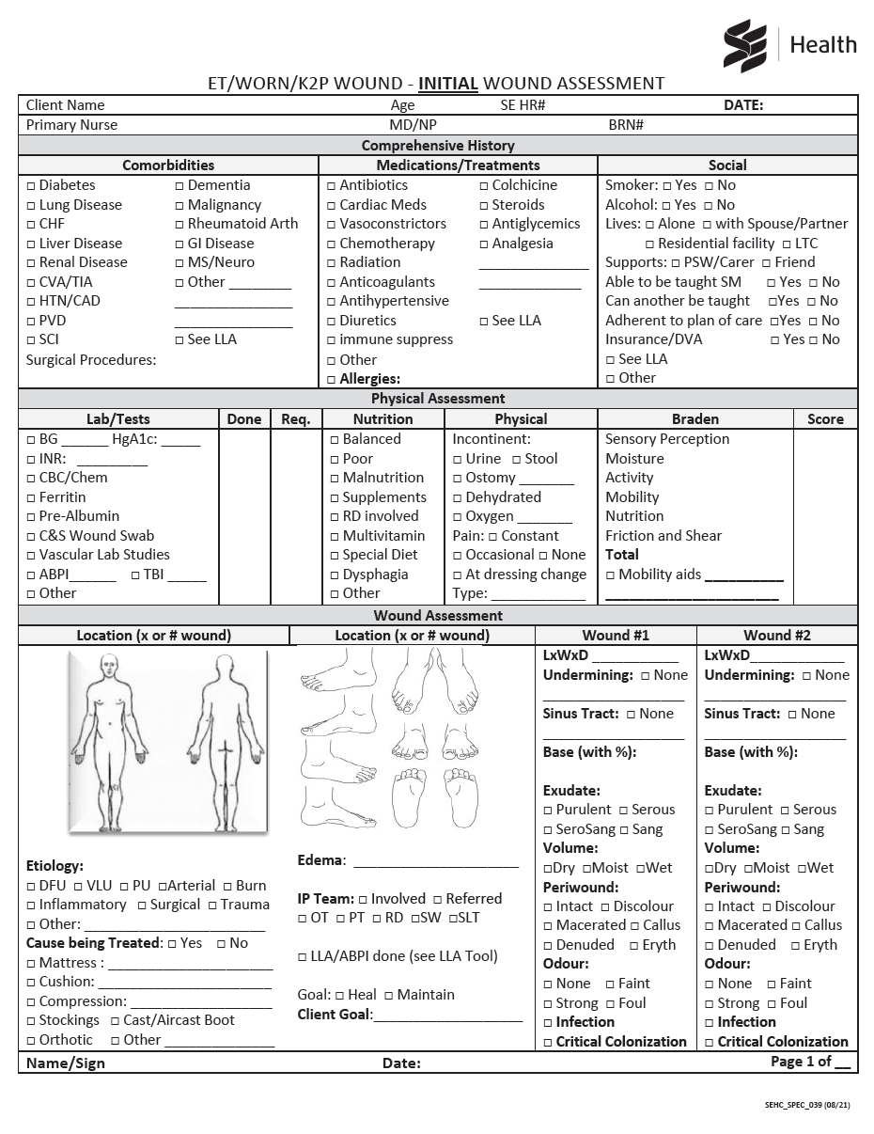
Order Number: | SEH-1008076
Company: | HNHB Service Delivery Centre

Item Code | SEHC_SPEC_039 (0821)
Description | ET/WORN/K2P Wound - Wound Initial Consultation Assessment (Page 1 & 2 - 2 Part NCR) |  | Qty | 1000

# of Pages: |  | For SM/QM
Colours: |  | Coating:
Flat Size: |  | Layout Orientation:
Finish Size: |  | # of Up:
Stock: |  | Parent Sheet Size:
Finishing: |  | Out:
 |  | Press Sheet Size:
 |  | Finished:
 |  | Overs:
 |  | Gross:

Special Instructions

Worksheet 6
Press: |  | Number of Items in the order | 11 of 12 |  | Display image:
Order Date: | 2026-08-27 20:09:51 |  |  |  | 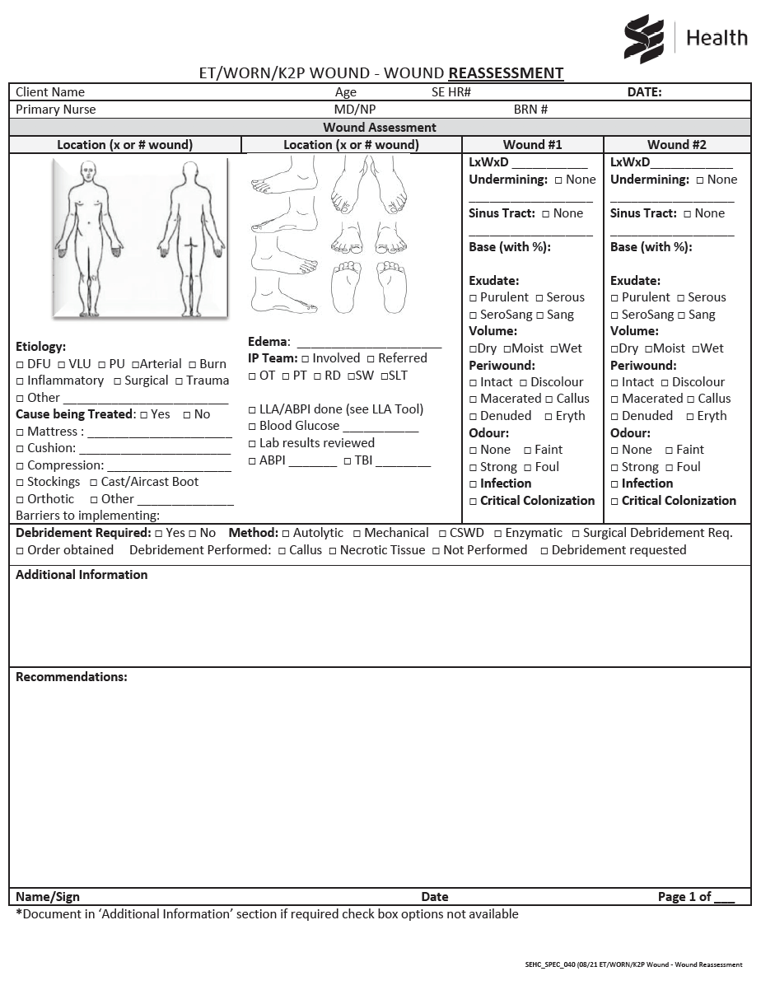
Order Number: | SEH-1008076
Company: | HNHB Service Delivery Centre

Item Code | SEHC_SPEC_040 (0821)
Description | ET/WORN/K2P Wound - Wound Reassessment (2 Part NCR) |  | Qty | 1000

# of Pages: |  | For SM/QM
Colours: |  | Coating:
Flat Size: |  | Layout Orientation:
Finish Size: |  | # of Up:
Stock: |  | Parent Sheet Size:
Finishing: |  | Out:
 |  | Press Sheet Size:
 |  | Finished:
 |  | Overs:
 |  | Gross:

Special Instructions

Press: |  | Number of Items in the order | 12 of 12 |  | Display image:
Order Date: | 2026-08-27 20:09:51 |  |  |  | 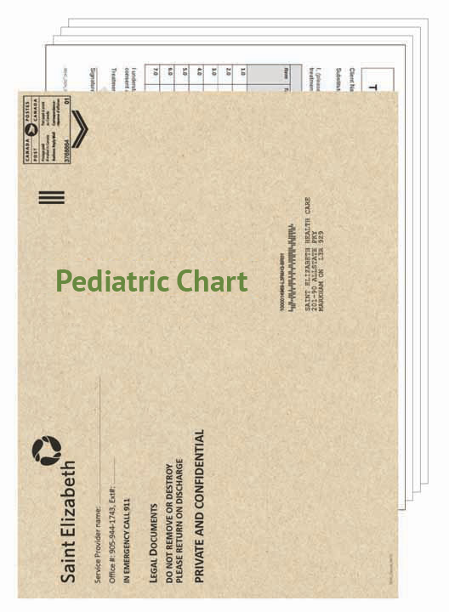
Order Number: | SEH-1008076
Company: | HNHB Service Delivery Centre

Item Code | PediaticChart
Description | Pediatric Chart with 10 x 13 Kraft Envelopes (Welcome Guide Included) |  | Qty | 300

# of Pages: |  | For SM/QM
Colours: |  | Coating:
Flat Size: |  | Layout Orientation:
Finish Size: |  | # of Up:
Stock: |  | Parent Sheet Size:
Finishing: |  | Out:
 |  | Press Sheet Size:
 |  | Finished:
 |  | Overs:
 |  | Gross:

Special Instructions

