Worksheet 1
Press: |  | Number of Items in the order | 1 of 4 |  | Display image:
Order Date: | 2026-08-27 20:45:52 |  |  |  | 
Order Number: | SEH-1008073
Company: | Newmarket Clinic (Central: c/o Community Clinic locate beside LifeLab)

Item Code | ClinicCard_Central_Newmarket
Description | Clinic Appointment Card (Newmarket) |  | Qty | 250

# of Pages: |  | For SM/QM
Colours: |  | Coating:
Flat Size: |  | Layout Orientation:
Finish Size: |  | # of Up:
Stock: |  | Parent Sheet Size:
Finishing: |  | Out:
 |  | Press Sheet Size:
 |  | Finished:
 |  | Overs:
 |  | Gross:

Special Instructions

Press: | D125 | Number of Items in the order | 2 of 4 |  | Display image:
Order Date: | 2026-08-27 20:45:52 |  |  |  | 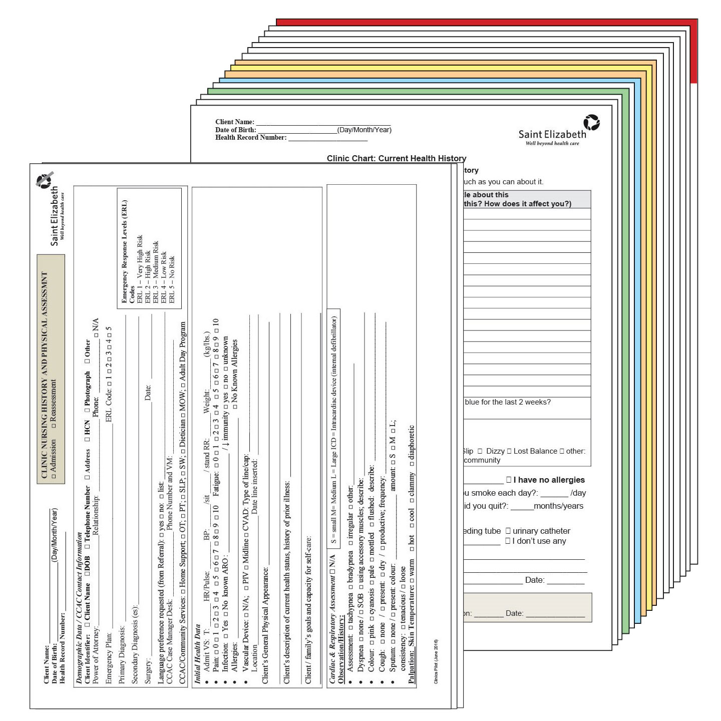
Order Number: | SEH-1008073
Company: | Newmarket Clinic (Central: c/o Community Clinic locate beside LifeLab)

Item Code | ClinicChart
Description | Clinic Chart |  | Qty | 300

# of Pages: |  | For SM/QM
Colours: |  | Coating:
Flat Size: |  | Layout Orientation:
Finish Size: |  | # of Up:
Stock: |  | Parent Sheet Size:
Finishing: |  | Out:
 |  | Press Sheet Size:
 |  | Finished:
 |  | Overs:
 |  | Gross:

Special Instructions | Client Portion (Pack separated) & Nursing Portion

Worksheet 2
Press: |  | Number of Items in the order | 3 of 4 |  | Display image:
Order Date: | 2026-08-27 20:45:52 |  |  |  | 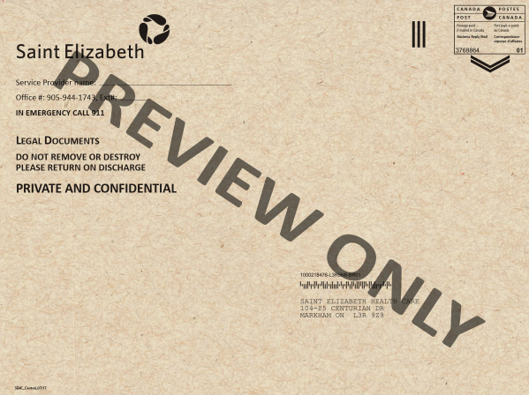
Order Number: | SEH-1008073
Company: | Newmarket Clinic (Central: c/o Community Clinic locate beside LifeLab)

Item Code | SEHC_BRM_locations
Description | 9 x 12 Kraft Envelopes (General) |  | Qty | 300

# of Pages: |  | For SM/QM
Colours: |  | Coating:
Flat Size: |  | Layout Orientation:
Finish Size: |  | # of Up:
Stock: |  | Parent Sheet Size:
Finishing: |  | Out:
 |  | Press Sheet Size:
 |  | Finished:
 |  | Overs:
 |  | Gross:

Special Instructions

Press: |  | Number of Items in the order | 4 of 4 |  | Display image:
Order Date: | 2026-08-27 20:45:52 |  |  |  | 
Order Number: | SEH-1008073
Company: | Newmarket Clinic (Central: c/o Community Clinic locate beside LifeLab)

Item Code | SEHC_IPK_007 (12/15)
Description | Progress Note (Canary) |  | Qty | 300

# of Pages: |  | For SM/QM
Colours: |  | Coating:
Flat Size: |  | Layout Orientation:
Finish Size: |  | # of Up:
Stock: |  | Parent Sheet Size:
Finishing: |  | Out:
 |  | Press Sheet Size:
 |  | Finished:
 |  | Overs:
 |  | Gross:

Special Instructions

