Worksheet 1
Press: |  | Number of Items in the order | 1 of 3 |  | Display image:
Order Date: | 2026-08-26 16:07:21 |  |  |  | 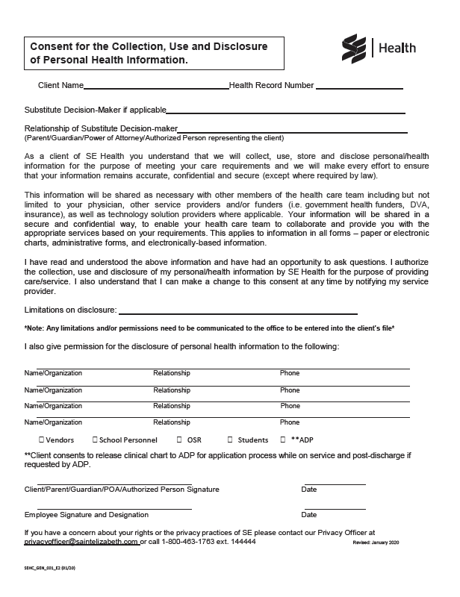
Order Number: | SEH-1008070
Company: | South West Service Delivery Centre

Item Code | SEHC_GEN_001_E2 (02/20)
Description | Plan of Care & Client Consent to Disclosure (English, Page 2) |  | Qty | 300

# of Pages: |  | For SM/QM
Colours: |  | Coating:
Flat Size: |  | Layout Orientation:
Finish Size: |  | # of Up:
Stock: |  | Parent Sheet Size:
Finishing: |  | Out:
 |  | Press Sheet Size:
 |  | Finished:
 |  | Overs:
 |  | Gross:

Special Instructions

Press: |  | Number of Items in the order | 2 of 3 |  | Display image:
Order Date: | 2026-08-26 16:07:21 |  |  |  | 
Order Number: | SEH-1008070
Company: | South West Service Delivery Centre

Item Code | SEHC_IPK_007 (12/15)
Description | Progress Note (Canary) |  | Qty | 300

# of Pages: |  | For SM/QM
Colours: |  | Coating:
Flat Size: |  | Layout Orientation:
Finish Size: |  | # of Up:
Stock: |  | Parent Sheet Size:
Finishing: |  | Out:
 |  | Press Sheet Size:
 |  | Finished:
 |  | Overs:
 |  | Gross:

Special Instructions

Worksheet 2
Press: |  | Number of Items in the order | 3 of 3 |  | Display image:
Order Date: | 2026-08-26 16:07:21 |  |  |  | 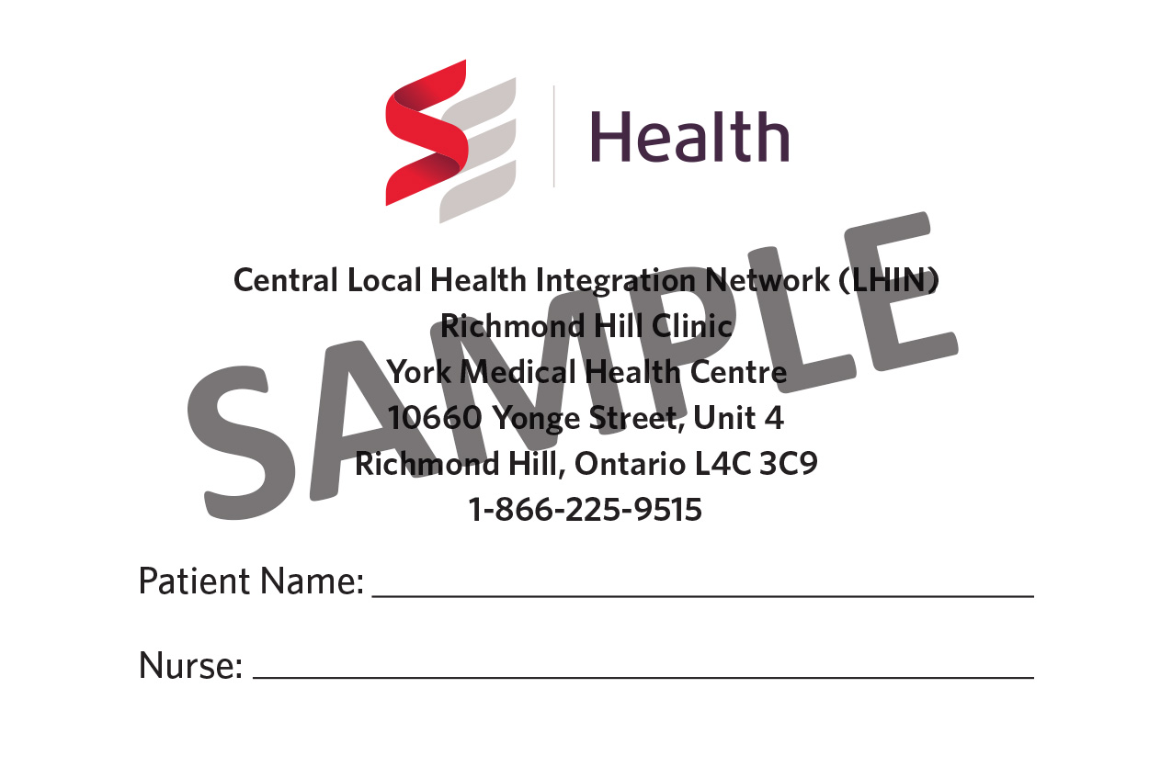
Order Number: | SEH-1008070
Company: | South West Service Delivery Centre

Item Code | ClinicCard_South West_Woodstock
Description | Clinic Appointment Card (Woodstock) |  | Qty | 500

# of Pages: |  | For SM/QM
Colours: |  | Coating:
Flat Size: |  | Layout Orientation:
Finish Size: |  | # of Up:
Stock: |  | Parent Sheet Size:
Finishing: |  | Out:
 |  | Press Sheet Size:
 |  | Finished:
 |  | Overs:
 |  | Gross:

Special Instructions

