Worksheet 1
Press: |  | Number of Items in the order | 1 of 5 |  | Display image:
Order Date: | 2026-08-20 18:37:09 |  |  |  | 
Order Number: | SEH-1008064
Company: | Toronto Central Service Delivery Centre

Item Code | SEHC_IPK_007 (12/15)
Description | Progress Note (Canary) |  | Qty | 2000

# of Pages: |  | For SM/QM
Colours: |  | Coating:
Flat Size: |  | Layout Orientation:
Finish Size: |  | # of Up:
Stock: |  | Parent Sheet Size:
Finishing: |  | Out:
 |  | Press Sheet Size:
 |  | Finished:
 |  | Overs:
 |  | Gross:

Special Instructions

Press: |  | Number of Items in the order | 2 of 5 |  | Display image:
Order Date: | 2026-08-20 18:37:09 |  |  |  | 
Order Number: | SEH-1008064
Company: | Toronto Central Service Delivery Centre

Item Code | SEHC_RN_007 (12/16)
Description | Data Collection (Pink) |  | Qty | 1000

# of Pages: |  | For SM/QM
Colours: |  | Coating:
Flat Size: |  | Layout Orientation:
Finish Size: |  | # of Up:
Stock: |  | Parent Sheet Size:
Finishing: |  | Out:
 |  | Press Sheet Size:
 |  | Finished:
 |  | Overs:
 |  | Gross:

Special Instructions

Worksheet 2
Press: |  | Number of Items in the order | 3 of 5 |  | Display image:
Order Date: | 2026-08-20 18:37:09 |  |  |  | 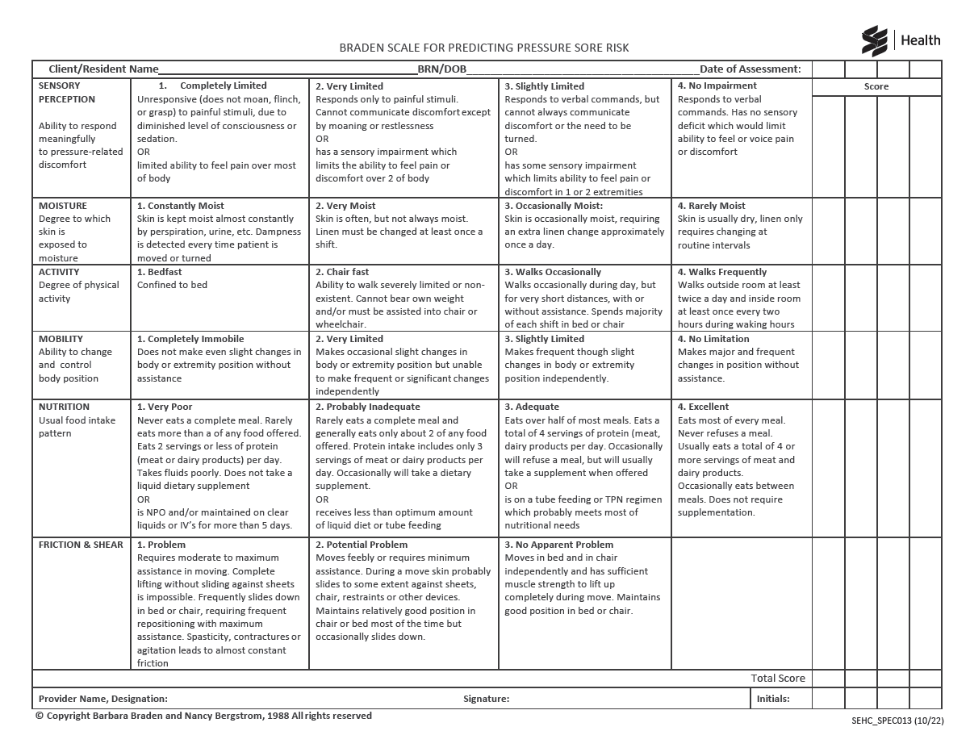
Order Number: | SEH-1008064
Company: | Toronto Central Service Delivery Centre

Item Code | SEHC_SPEC_013_1022
Description | Braden Scale with Care Plan |  | Qty | 300

# of Pages: |  | For SM/QM
Colours: |  | Coating:
Flat Size: |  | Layout Orientation:
Finish Size: |  | # of Up:
Stock: |  | Parent Sheet Size:
Finishing: |  | Out:
 |  | Press Sheet Size:
 |  | Finished:
 |  | Overs:
 |  | Gross:

Special Instructions

Press: |  | Number of Items in the order | 4 of 5 |  | Display image:
Order Date: | 2026-08-20 18:37:09 |  |  |  | 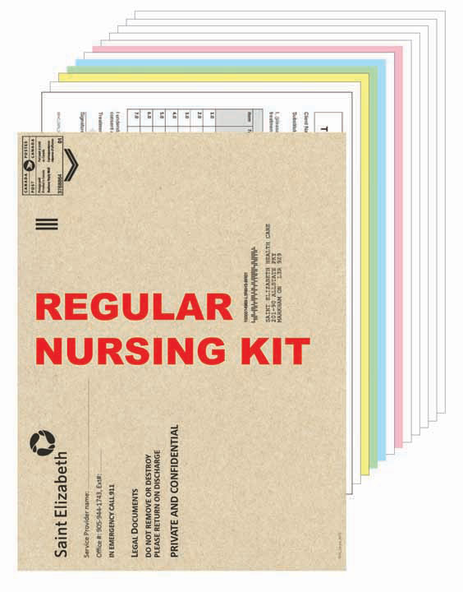
Order Number: | SEH-1008064
Company: | Toronto Central Service Delivery Centre

Item Code | SEHC_RN_KIT_CE_TR
Description | Regular Nursing Kit with 10 x 13 Kraft Envelopes (Welcome Guide Included - Central (Red) & Toronto Central (Blue) - 2 color Envelope) |  | Qty | 300

# of Pages: |  | For SM/QM
Colours: |  | Coating:
Flat Size: |  | Layout Orientation:
Finish Size: |  | # of Up:
Stock: |  | Parent Sheet Size:
Finishing: |  | Out:
 |  | Press Sheet Size:
 |  | Finished:
 |  | Overs:
 |  | Gross:

Special Instructions

Worksheet 3
Press: |  | Number of Items in the order | 5 of 5 |  | Display image:
Order Date: | 2026-08-20 18:37:09 |  |  |  | 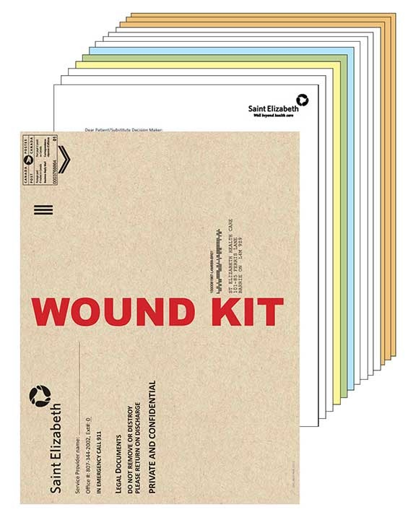
Order Number: | SEH-1008064
Company: | Toronto Central Service Delivery Centre

Item Code | SEHC_WOUND_KIT_C_TR
Description | Wound Kit 10 x 13 Kraft Envelopes (Welcome Guide Included - Central (Red) & Toronto Central (Blue) - 2 color Envelope) |  | Qty | 300

# of Pages: |  | For SM/QM
Colours: |  | Coating:
Flat Size: |  | Layout Orientation:
Finish Size: |  | # of Up:
Stock: |  | Parent Sheet Size:
Finishing: |  | Out:
 |  | Press Sheet Size:
 |  | Finished:
 |  | Overs:
 |  | Gross:

Special Instructions

