Worksheet 1
Press: |  | Number of Items in the order | 1 of 6 |  | Display image:
Order Date: | 2026-08-12 13:07:25 |  |  |  | 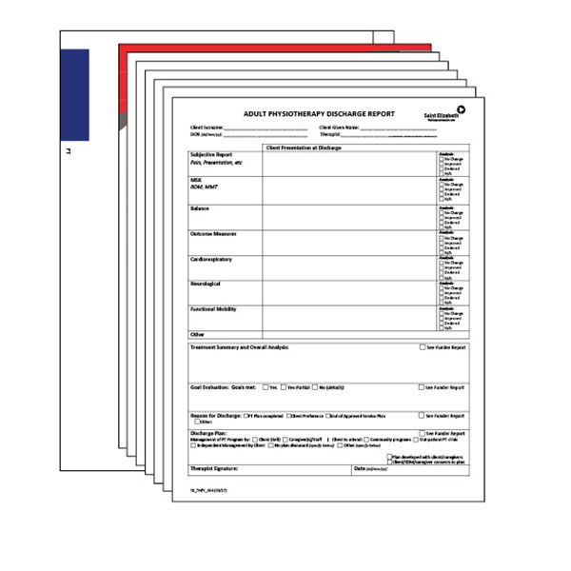
Order Number: | SEH-1008061
Company: | Waterloo-Wellington Service Delivery Centre

Item Code | PT_KIT
Description | Physiotherapy (PT) |  | Qty | 500

# of Pages: |  | For SM/QM
Colours: |  | Coating:
Flat Size: |  | Layout Orientation:
Finish Size: |  | # of Up:
Stock: |  | Parent Sheet Size:
Finishing: |  | Out:
 |  | Press Sheet Size:
 |  | Finished:
 |  | Overs:
 |  | Gross:

Special Instructions

Press: |  | Number of Items in the order | 2 of 6 |  | Display image:
Order Date: | 2026-08-12 13:07:25 |  |  |  | 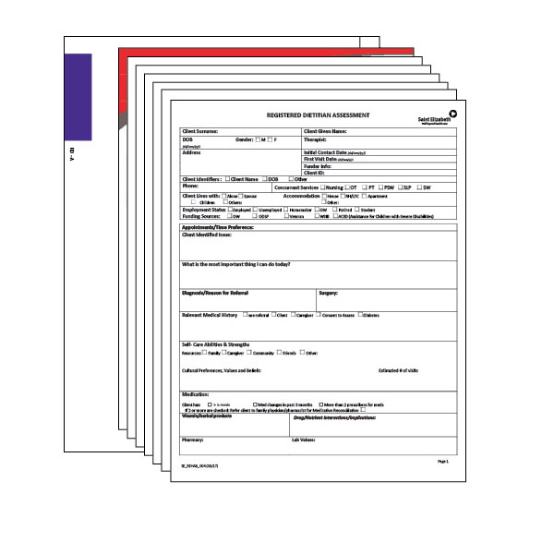
Order Number: | SEH-1008061
Company: | Waterloo-Wellington Service Delivery Centre

Item Code | RD-A_KIT
Description | Registered Dietitian - Adult (RD-A) |  | Qty | 300

# of Pages: |  | For SM/QM
Colours: |  | Coating:
Flat Size: |  | Layout Orientation:
Finish Size: |  | # of Up:
Stock: |  | Parent Sheet Size:
Finishing: |  | Out:
 |  | Press Sheet Size:
 |  | Finished:
 |  | Overs:
 |  | Gross:

Special Instructions

Worksheet 2
Press: |  | Number of Items in the order | 3 of 6 |  | Display image:
Order Date: | 2026-08-12 13:07:25 |  |  |  | 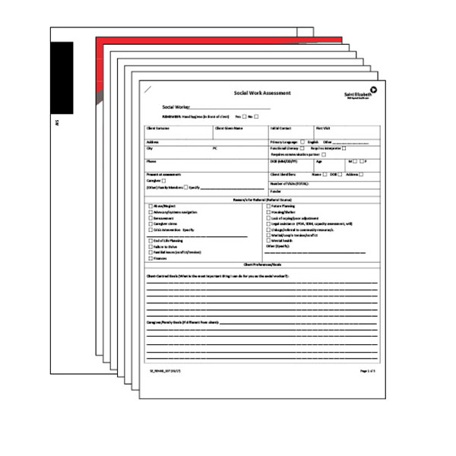
Order Number: | SEH-1008061
Company: | Waterloo-Wellington Service Delivery Centre

Item Code | SW_KIT
Description | Social Work (SW) |  | Qty | 300

# of Pages: |  | For SM/QM
Colours: |  | Coating:
Flat Size: |  | Layout Orientation:
Finish Size: |  | # of Up:
Stock: |  | Parent Sheet Size:
Finishing: |  | Out:
 |  | Press Sheet Size:
 |  | Finished:
 |  | Overs:
 |  | Gross:

Special Instructions

Press: |  | Number of Items in the order | 4 of 6 |  | Display image:
Order Date: | 2026-08-12 13:07:25 |  |  |  | 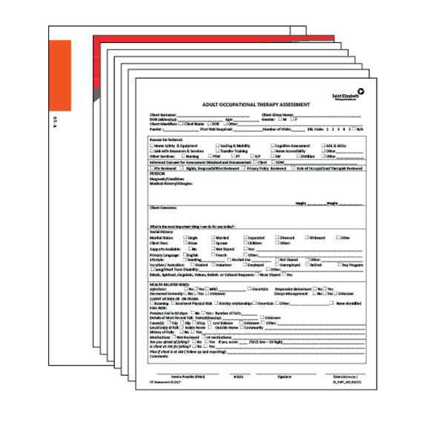
Order Number: | SEH-1008061
Company: | Waterloo-Wellington Service Delivery Centre

Item Code | OT-A_KIT(CP)
Description | Occupational Therapy - Adult (OT-A) |  | Qty | 500

# of Pages: |  | For SM/QM
Colours: |  | Coating:
Flat Size: |  | Layout Orientation:
Finish Size: |  | # of Up:
Stock: |  | Parent Sheet Size:
Finishing: |  | Out:
 |  | Press Sheet Size:
 |  | Finished:
 |  | Overs:
 |  | Gross:

Special Instructions

Worksheet 3
Press: |  | Number of Items in the order | 5 of 6 |  | Display image:
Order Date: | 2026-08-12 13:07:25 |  |  |  | 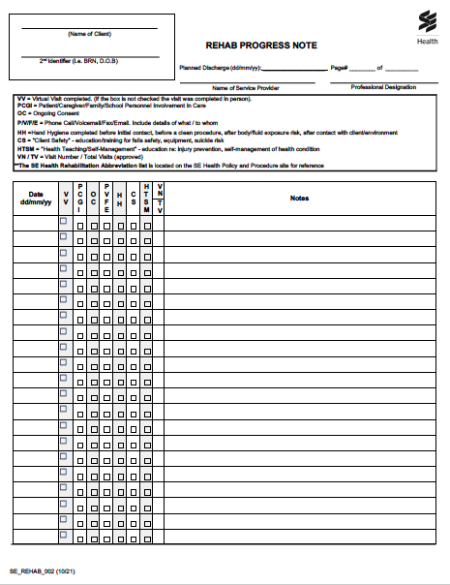
Order Number: | SEH-1008061
Company: | Waterloo-Wellington Service Delivery Centre

Item Code | SE_REHAB_002(0522)
Description | Rehabilitation Progress Notes |  | Qty | 1000

# of Pages: |  | For SM/QM
Colours: |  | Coating:
Flat Size: |  | Layout Orientation:
Finish Size: |  | # of Up:
Stock: |  | Parent Sheet Size:
Finishing: |  | Out:
 |  | Press Sheet Size:
 |  | Finished:
 |  | Overs:
 |  | Gross:

Special Instructions

Press: |  | Number of Items in the order | 6 of 6 |  | Display image:
Order Date: | 2026-08-12 13:07:25 |  |  |  | 
Order Number: | SEH-1008061
Company: | Waterloo-Wellington Service Delivery Centre

Item Code | SEHC_BRM_locations
Description | 9 x 12 Kraft Envelopes (General) |  | Qty | 500

# of Pages: |  | For SM/QM
Colours: |  | Coating:
Flat Size: |  | Layout Orientation:
Finish Size: |  | # of Up:
Stock: |  | Parent Sheet Size:
Finishing: |  | Out:
 |  | Press Sheet Size:
 |  | Finished:
 |  | Overs:
 |  | Gross:

Special Instructions

