Worksheet 1
Press: |  | Number of Items in the order | 1 of 2 |  | Display image:
Order Date: | 2026-08-13 13:36:16 |  |  |  | 
Order Number: | SEH-1008056
Company: | Central East Service Delivery Centre

Item Code | SEHC_RN_007 (12/16)
Description | Data Collection (Pink) |  | Qty | 500

# of Pages: |  | For SM/QM
Colours: |  | Coating:
Flat Size: |  | Layout Orientation:
Finish Size: |  | # of Up:
Stock: |  | Parent Sheet Size:
Finishing: |  | Out:
 |  | Press Sheet Size:
 |  | Finished:
 |  | Overs:
 |  | Gross:

Special Instructions

Press: |  | Number of Items in the order | 2 of 2 |  | Display image:
Order Date: | 2026-08-13 13:36:16 |  |  |  | 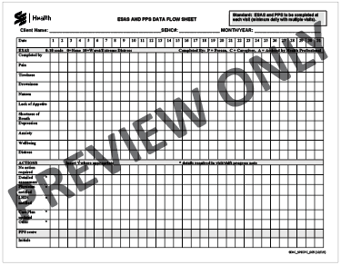
Order Number: | SEH-1008056
Company: | Central East Service Delivery Centre

Item Code | SEHC_SPECPC_005 (1019)
Description | ESAS and PPS Data Flow Sheet |  | Qty | 500

# of Pages: |  | For SM/QM
Colours: |  | Coating:
Flat Size: |  | Layout Orientation:
Finish Size: |  | # of Up:
Stock: |  | Parent Sheet Size:
Finishing: |  | Out:
 |  | Press Sheet Size:
 |  | Finished:
 |  | Overs:
 |  | Gross:

Special Instructions

