Worksheet 1
Press: |  | Number of Items in the order | 1 of 2 |  | Display image:
Order Date: | 2026-08-07 14:49:13 |  |  |  | 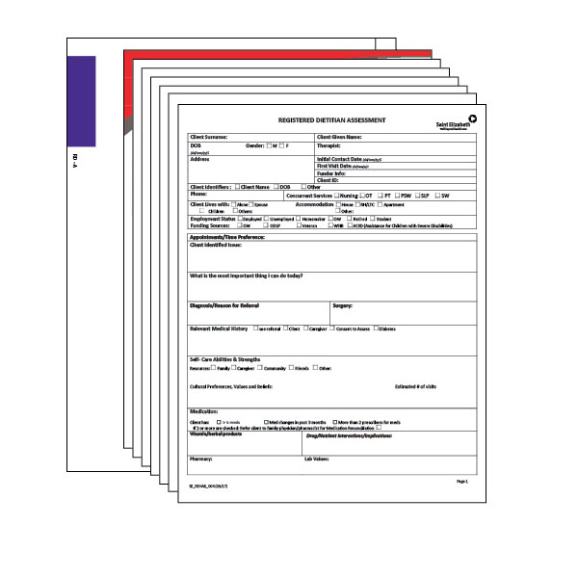
Order Number: | SEH-1008048
Company: | Central West Rehab Group

Item Code | RD-A_KIT
Description | Registered Dietitian - Adult (RD-A) |  | Qty | 100

# of Pages: |  | For SM/QM
Colours: |  | Coating:
Flat Size: |  | Layout Orientation:
Finish Size: |  | # of Up:
Stock: |  | Parent Sheet Size:
Finishing: |  | Out:
 |  | Press Sheet Size:
 |  | Finished:
 |  | Overs:
 |  | Gross:

Special Instructions

Press: |  | Number of Items in the order | 2 of 2 |  | Display image:
Order Date: | 2026-08-07 14:49:13 |  |  |  | 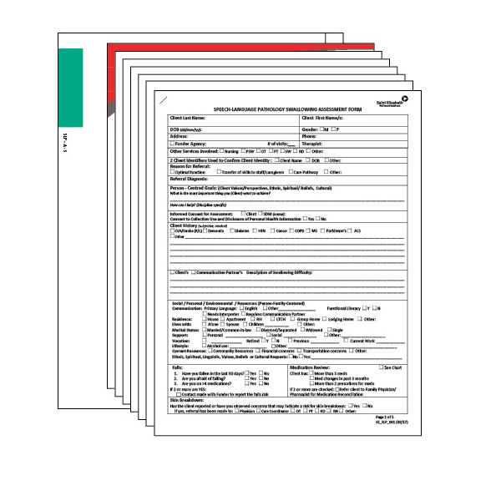
Order Number: | SEH-1008048
Company: | Central West Rehab Group

Item Code | SLP-A-S_KIT
Description | Speech Language Pathology - Swallowing (SLP-A-S) |  | Qty | 200

# of Pages: |  | For SM/QM
Colours: |  | Coating:
Flat Size: |  | Layout Orientation:
Finish Size: |  | # of Up:
Stock: |  | Parent Sheet Size:
Finishing: |  | Out:
 |  | Press Sheet Size:
 |  | Finished:
 |  | Overs:
 |  | Gross:

Special Instructions

