Worksheet 1
Press: |  | Number of Items in the order | 1 of 8 |  | Display image:
Order Date: | 2026-07-22 16:09:02 |  |  |  | 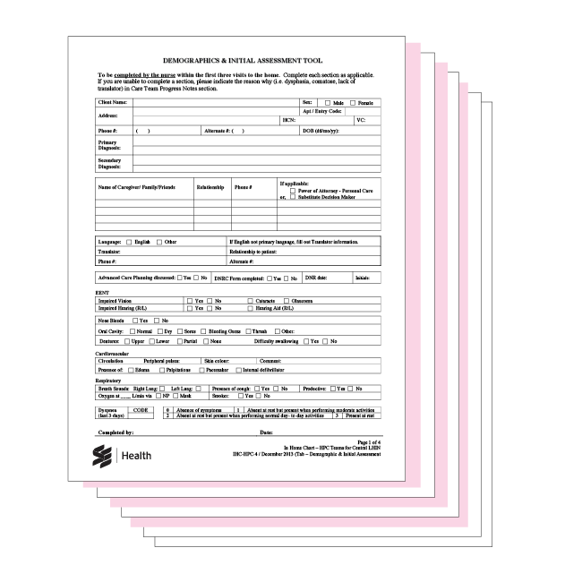
Order Number: | SEH-1008038
Company: | Central West Service Delivery Centre

Item Code | PalliativeKit_CenWest
Description | Palliative Folder insert (Central West - Folder not included) |  | Qty | 100

# of Pages: |  | For SM/QM
Colours: |  | Coating:
Flat Size: |  | Layout Orientation:
Finish Size: |  | # of Up:
Stock: |  | Parent Sheet Size:
Finishing: |  | Out:
 |  | Press Sheet Size:
 |  | Finished:
 |  | Overs:
 |  | Gross:

Special Instructions

Press: | Pick & Pack | Number of Items in the order | 2 of 8 |  | Display image:
Order Date: | 2026-07-22 16:09:02 |  |  |  | 
Order Number: | SEH-1008038
Company: | Central West Service Delivery Centre

Item Code | generic_folder
Description | SE Health Generic Presentation folder |  | Qty | 100

# of Pages: | 1 | For SM/QM
Colours: | 4/0 | Coating: | AQ
Flat Size: | 18" x 16" (or 16.5") | Layout Orientation:
Finish Size: | 9" x 12" | # of Up:
Stock: | 130lb Gloss C2S Cover | Parent Sheet Size:
Finishing: | Die Score, Die Cut, Glue with 4.5” pockets (with business card slot on left pocket), the side without the health logo. | Out:
 |  | Press Sheet Size:
 |  | Finished:
 |  | Overs:
 |  | Gross:

Special Instructions

Worksheet 2
Press: |  | Number of Items in the order | 3 of 8 |  | Display image:
Order Date: | 2026-07-22 16:09:02 |  |  |  | 
Order Number: | SEH-1008038
Company: | Central West Service Delivery Centre

Item Code | SEHC_IPK_007 (12/15)
Description | Progress Note (Canary) |  | Qty | 1000

# of Pages: |  | For SM/QM
Colours: |  | Coating:
Flat Size: |  | Layout Orientation:
Finish Size: |  | # of Up:
Stock: |  | Parent Sheet Size:
Finishing: |  | Out:
 |  | Press Sheet Size:
 |  | Finished:
 |  | Overs:
 |  | Gross:

Special Instructions

Press: |  | Number of Items in the order | 4 of 8 |  | Display image:
Order Date: | 2026-07-22 16:09:02 |  |  |  | 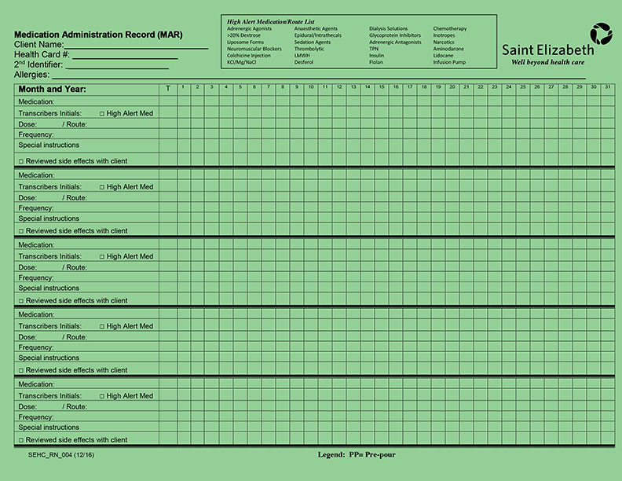
Order Number: | SEH-1008038
Company: | Central West Service Delivery Centre

Item Code | SEHC_RN_004 (12/16)
Description | Medication Administration Record (Green) |  | Qty | 300

# of Pages: |  | For SM/QM
Colours: |  | Coating:
Flat Size: |  | Layout Orientation:
Finish Size: |  | # of Up:
Stock: |  | Parent Sheet Size:
Finishing: |  | Out:
 |  | Press Sheet Size:
 |  | Finished:
 |  | Overs:
 |  | Gross:

Special Instructions

Worksheet 3
Press: |  | Number of Items in the order | 5 of 8 |  | Display image:
Order Date: | 2026-07-22 16:09:02 |  |  |  | 
Order Number: | SEH-1008038
Company: | Central West Service Delivery Centre

Item Code | SEHC_RN_007 (12/16)
Description | Data Collection (Pink) |  | Qty | 500

# of Pages: |  | For SM/QM
Colours: |  | Coating:
Flat Size: |  | Layout Orientation:
Finish Size: |  | # of Up:
Stock: |  | Parent Sheet Size:
Finishing: |  | Out:
 |  | Press Sheet Size:
 |  | Finished:
 |  | Overs:
 |  | Gross:

Special Instructions

Press: |  | Number of Items in the order | 6 of 8 |  | Display image:
Order Date: | 2026-07-22 16:09:02 |  |  |  | 
Order Number: | SEH-1008038
Company: | Central West Service Delivery Centre

Item Code | SEHC_SPEC_035 (05/16
Description | Data Collection - Wound Care (Tan) |  | Qty | 500

# of Pages: |  | For SM/QM
Colours: |  | Coating:
Flat Size: |  | Layout Orientation:
Finish Size: |  | # of Up:
Stock: |  | Parent Sheet Size:
Finishing: |  | Out:
 |  | Press Sheet Size:
 |  | Finished:
 |  | Overs:
 |  | Gross:

Special Instructions

Worksheet 4
Press: |  | Number of Items in the order | 7 of 8 |  | Display image:
Order Date: | 2026-07-22 16:09:02 |  |  |  | 
Order Number: | SEH-1008038
Company: | Central West Service Delivery Centre

Item Code | SEHC_SPEC_036 (05/16
Description | Wound Care Plan and Comprehensive Assessment (Tan) |  | Qty | 500

# of Pages: |  | For SM/QM
Colours: |  | Coating:
Flat Size: |  | Layout Orientation:
Finish Size: |  | # of Up:
Stock: |  | Parent Sheet Size:
Finishing: |  | Out:
 |  | Press Sheet Size:
 |  | Finished:
 |  | Overs:
 |  | Gross:

Special Instructions

Press: |  | Number of Items in the order | 8 of 8 |  | Display image:
Order Date: | 2026-07-22 16:09:02 |  |  |  | 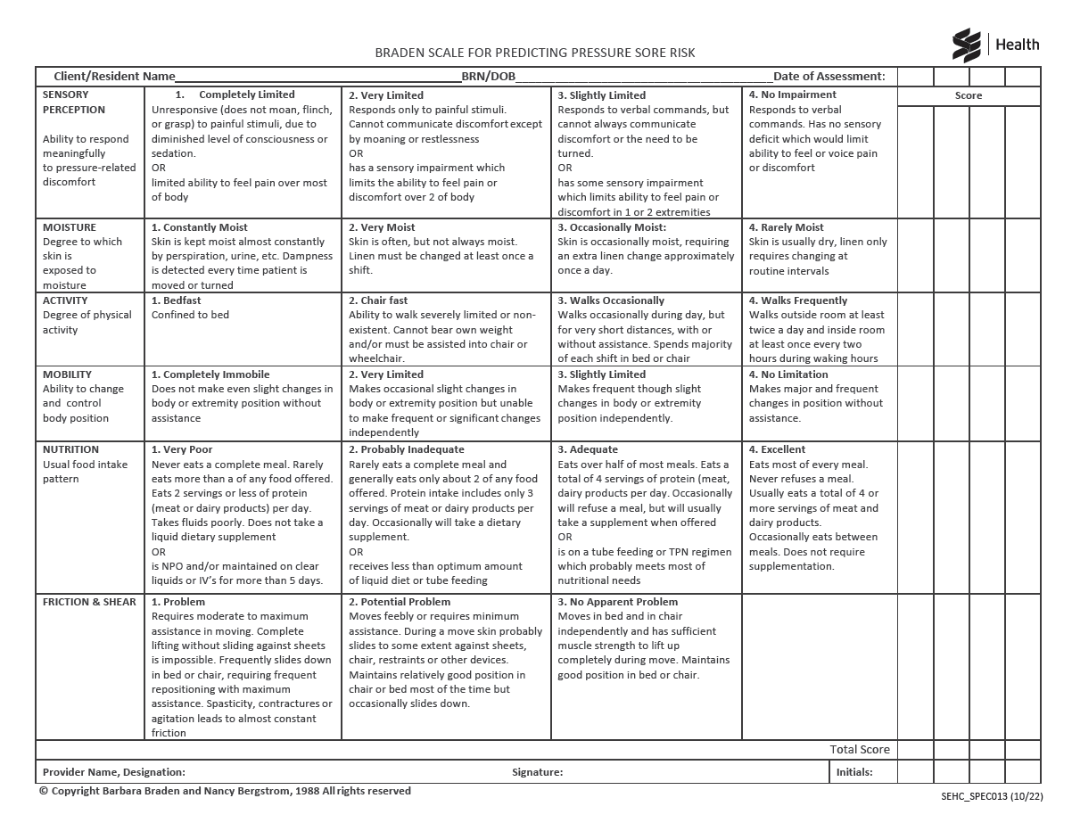
Order Number: | SEH-1008038
Company: | Central West Service Delivery Centre

Item Code | SEHC_SPEC_013_1022
Description | Braden Scale with Care Plan |  | Qty | 300

# of Pages: |  | For SM/QM
Colours: |  | Coating:
Flat Size: |  | Layout Orientation:
Finish Size: |  | # of Up:
Stock: |  | Parent Sheet Size:
Finishing: |  | Out:
 |  | Press Sheet Size:
 |  | Finished:
 |  | Overs:
 |  | Gross:

Special Instructions

