Worksheet 1
Press: |  | Number of Items in the order | 1 of 5 |  | Display image:
Order Date: | 2026-09-03 14:46:01 |  |  |  | 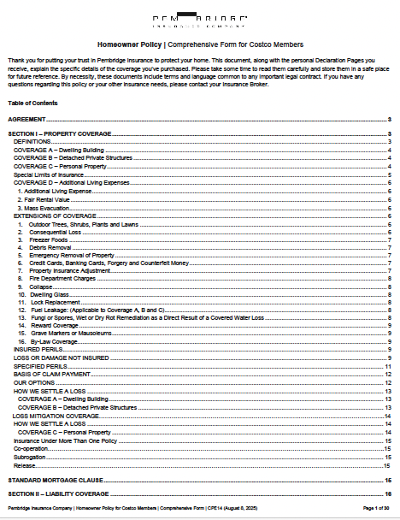
Order Number: | PEM-3011447
Company: | Pitney Bowes - Mailroom

Item Code | CPE14 (August 2025)
Description | Home Owner Policy - For Costco Members (English) |  | Qty | 100

# of Pages: |  | For SM/QM
Colours: |  | Coating:
Flat Size: |  | Layout Orientation:
Finish Size: |  | # of Up:
Stock: |  | Parent Sheet Size:
Finishing: |  | Out:
 |  | Press Sheet Size:
 |  | Finished:
 |  | Overs:
 |  | Gross:

Special Instructions

Press: |  | Number of Items in the order | 2 of 5 |  | Display image:
Order Date: | 2026-09-03 14:46:01 |  |  |  | 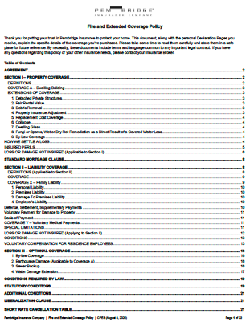
Order Number: | PEM-3011447
Company: | Pitney Bowes - Mailroom

Item Code | CPE8 (August 2025)
Description | Fire and Extended Coverage Policy (English) |  | Qty | 100

# of Pages: |  | For SM/QM
Colours: |  | Coating:
Flat Size: |  | Layout Orientation:
Finish Size: |  | # of Up:
Stock: |  | Parent Sheet Size:
Finishing: |  | Out:
 |  | Press Sheet Size:
 |  | Finished:
 |  | Overs:
 |  | Gross:

Special Instructions

Worksheet 2
Press: |  | Number of Items in the order | 3 of 5 |  | Display image:
Order Date: | 2026-09-03 14:46:01 |  |  |  | 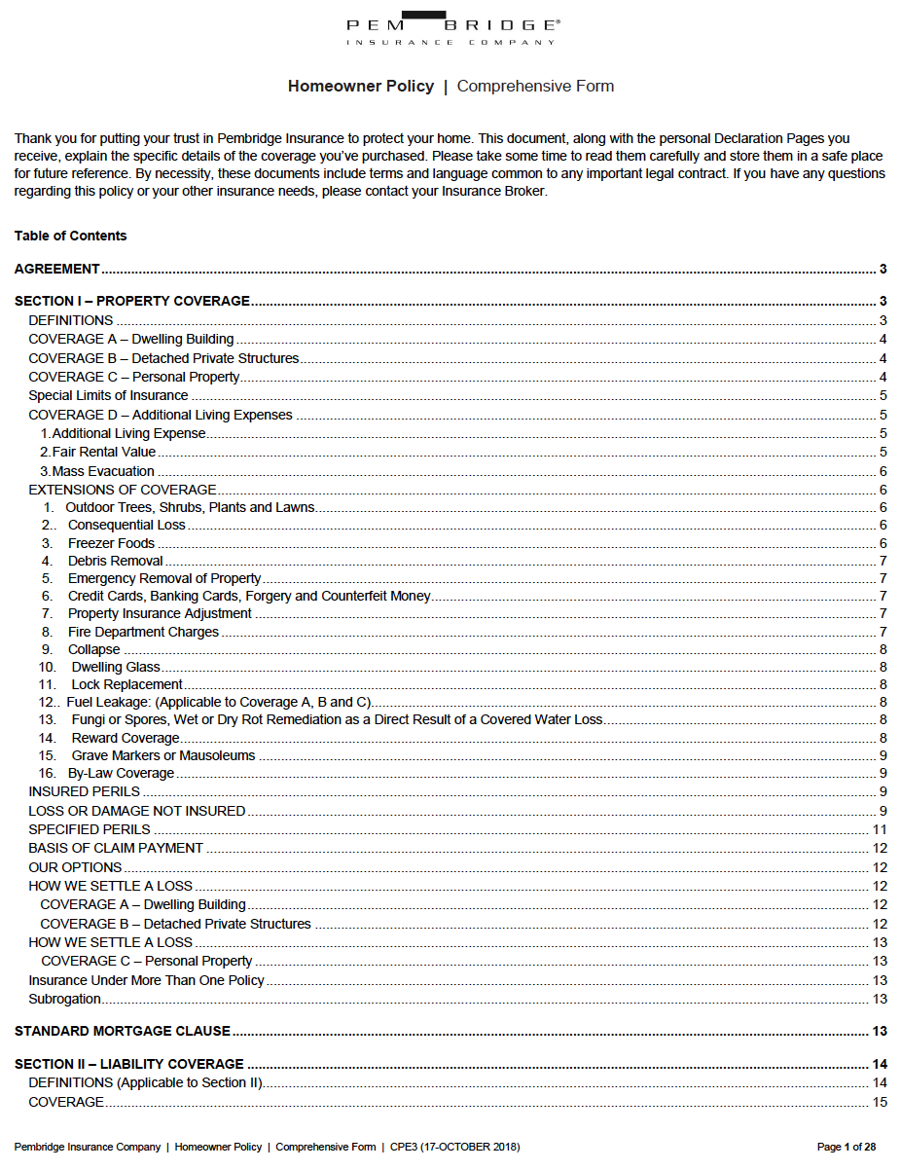
Order Number: | PEM-3011447
Company: | Pitney Bowes - Mailroom

Item Code | CPE3 (August 2025)
Description | Homeowner Policy - Comprehensive Form (English) |  | Qty | 400

# of Pages: |  | For SM/QM
Colours: |  | Coating:
Flat Size: |  | Layout Orientation:
Finish Size: |  | # of Up:
Stock: |  | Parent Sheet Size:
Finishing: |  | Out:
 |  | Press Sheet Size:
 |  | Finished:
 |  | Overs:
 |  | Gross:

Special Instructions

Press: |  | Number of Items in the order | 4 of 5 |  | Display image:
Order Date: | 2026-09-03 14:46:01 |  |  |  | 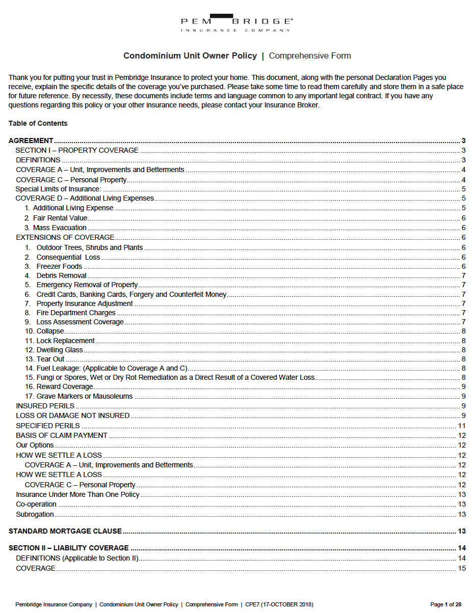
Order Number: | PEM-3011447
Company: | Pitney Bowes - Mailroom

Item Code | CPE7 (June 2023)
Description | Condominium Owner Policy - Comprehensive Form (English) |  | Qty | 200

# of Pages: |  | For SM/QM
Colours: |  | Coating:
Flat Size: |  | Layout Orientation:
Finish Size: |  | # of Up:
Stock: |  | Parent Sheet Size:
Finishing: |  | Out:
 |  | Press Sheet Size:
 |  | Finished:
 |  | Overs:
 |  | Gross:

Special Instructions

Worksheet 3
Press: |  | Number of Items in the order | 5 of 5 |  | Display image:
Order Date: | 2026-09-03 14:46:01 |  |  |  | 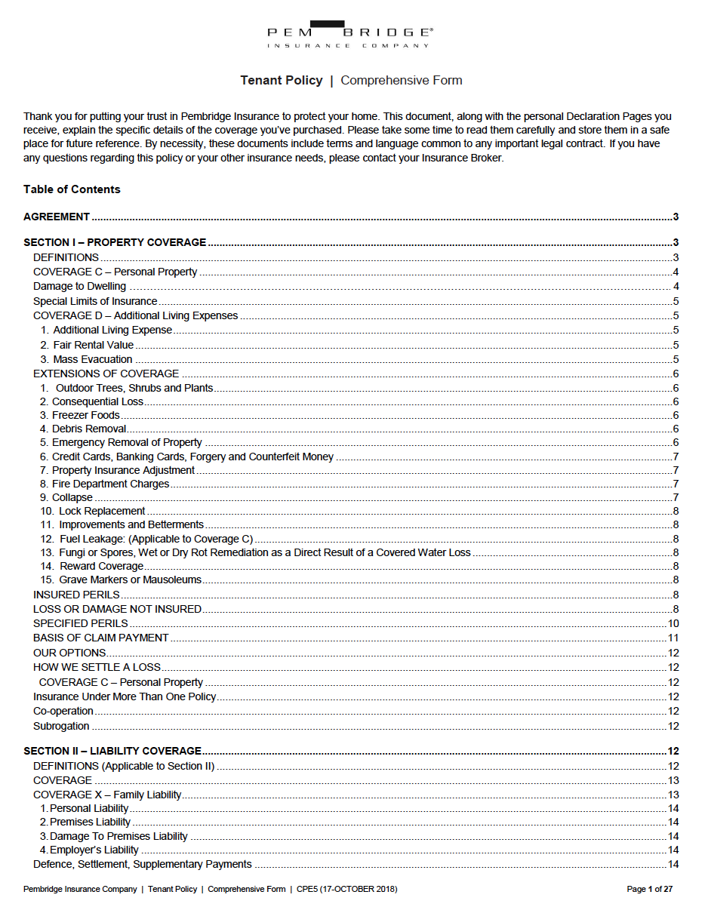
Order Number: | PEM-3011447
Company: | Pitney Bowes - Mailroom

Item Code | CPE5 (17-October-2019)
Description | Tenant Policy - Comprehensive Form (English) |  | Qty | 200

# of Pages: |  | For SM/QM
Colours: |  | Coating:
Flat Size: |  | Layout Orientation:
Finish Size: |  | # of Up:
Stock: |  | Parent Sheet Size:
Finishing: |  | Out:
 |  | Press Sheet Size:
 |  | Finished:
 |  | Overs:
 |  | Gross:

Special Instructions

