Worksheet 1
Press: |  | Number of Items in the order | 1 of 2 |  | Display image:
Order Date: | 2026-07-30 14:00:39 |  |  |  | 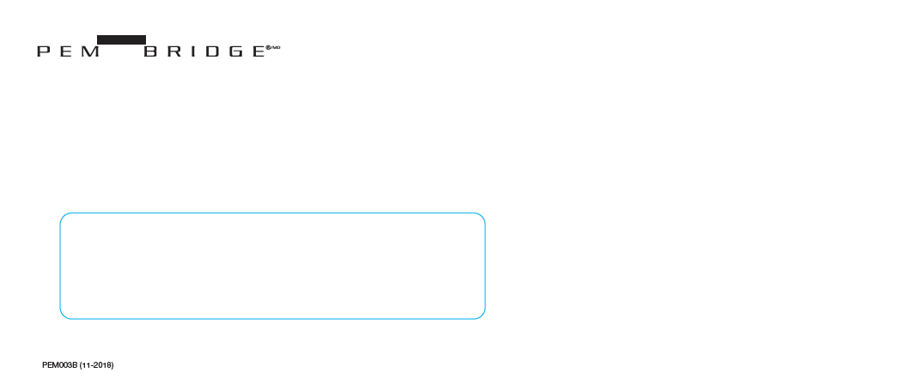
Order Number: | PEM-3011445
Company: | Pitney Bowes - Mailroom

Item Code | PEM003B
Description | Pembridge Claims No.10 Window Envelopes |  | Qty | 2500

# of Pages: |  | For SM/QM
Colours: |  | Coating:
Flat Size: |  | Layout Orientation:
Finish Size: |  | # of Up:
Stock: |  | Parent Sheet Size:
Finishing: |  | Out:
 |  | Press Sheet Size:
 |  | Finished:
 |  | Overs:
 |  | Gross:

Special Instructions

Press: |  | Number of Items in the order | 2 of 2 |  | Display image:
Order Date: | 2026-07-30 14:00:39 |  |  |  | 
Order Number: | PEM-3011445
Company: | Pitney Bowes - Mailroom

Item Code | PAF002B
Description | Pafco Claims No. 10 Non-window Envelopes |  | Qty | 2000

# of Pages: |  | For SM/QM
Colours: |  | Coating:
Flat Size: |  | Layout Orientation:
Finish Size: |  | # of Up:
Stock: |  | Parent Sheet Size:
Finishing: |  | Out:
 |  | Press Sheet Size:
 |  | Finished:
 |  | Overs:
 |  | Gross:

Special Instructions

