Worksheet 1
Press: | iGen5 | Number of Items in the order | 1 of 1 |  | Display image:
Order Date: | 2026-09-04 19:54:24 |  |  |  | 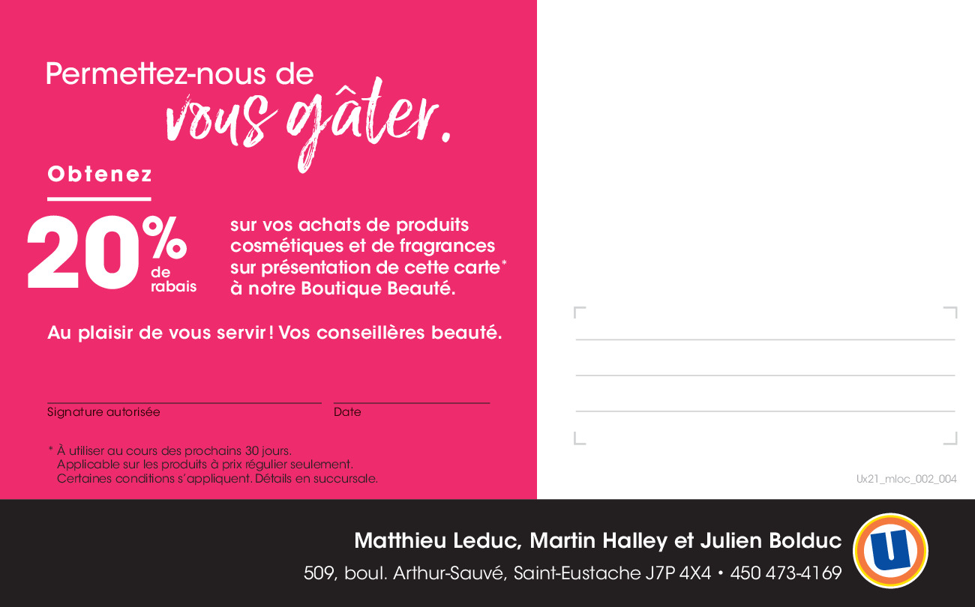
Order Number: | MCK-31815
Company: | Matthieu Leduc, Martin Halley et Julien Bolduc

Item Code | 5026793
Description | Uniprix - Carte anniversaire |  | Qty | 500

# of Pages: | 2 | For SM/QM
Colours: | 4/4 | Coating:
Flat Size: | 6.5" x 4" | Layout Orientation:
Finish Size: | 6.5" x 4" | # of Up: | 4
Stock: | 10pt C1S Cover | Parent Sheet Size:
Finishing: | Trim to size | Out:
 |  | Press Sheet Size: | 18" x 12"
 |  | Finished:
 |  | Overs:
Accessory: |  | Gross:

Special Instructions

