Worksheet 1
Press: | QM | Number of Items in the order | 1 of 1 |  | Display image:
Order Date: | 2026-09-04 18:26:57 |  |  |  | 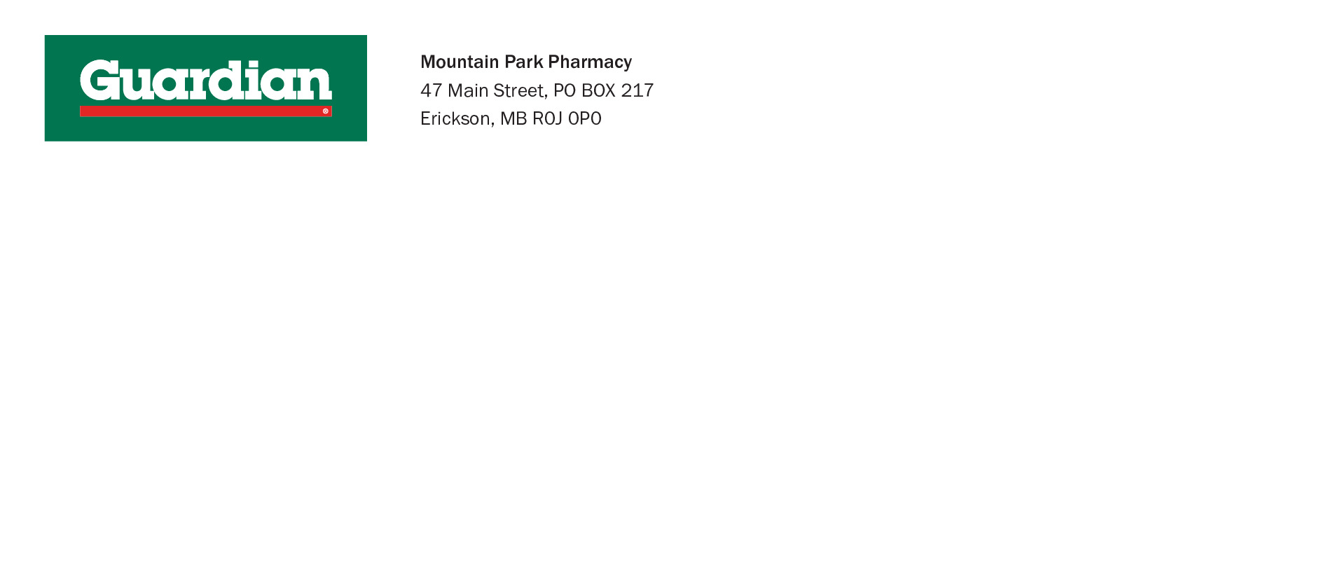
Order Number: | MCK-31813
Company: | Mountain Park Pharmacy

Item Code | 5016304
Description | Guardian - No. 10 Envelope |  | Qty | 1500

# of Pages: | 1 | For SM/QM
Colours: | 1 PMS Cool Grey 10) | Coating:
Flat Size: | 9.5" x4.13" | Layout Orientation:
Finish Size: | 9.5" x4.13" | # of Up: | 1
Stock: | GDN No.10 Envelope Shell | Parent Sheet Size:
Finishing: |  | Out:
 |  | Press Sheet Size:
 |  | Finished:
 |  | Overs:
Accessory: |  | Gross:

Special Instructions

