Worksheet 1
Press: | iGen5 | Number of Items in the order | 1 of 1 |  | Display image:
Order Date: | 2026-09-03 18:32:01 |  |  |  | 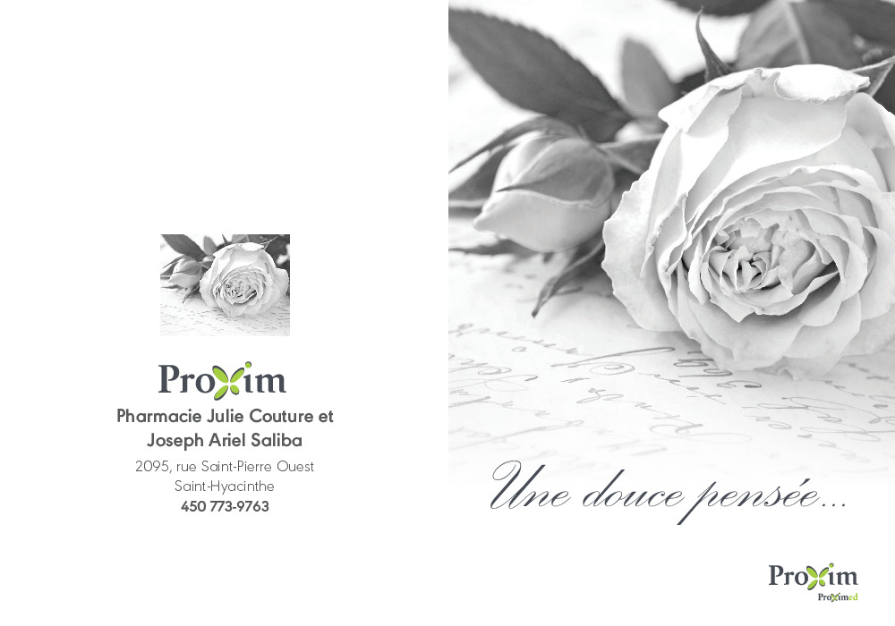
Order Number: | MCK-31812
Company: | Pharmacie Julie Couture et Joseph Ariel Saliba

Item Code | 5030456
Description | PXM - Carte de sympathie (Enveloppes blanches INCLUS) |  | Qty | 50

# of Pages: | 4 | For SM/QM
Colours: | 4/4 | Coating:
Flat Size: | 10" x 7" | Layout Orientation:
Finish Size: | 5" x 7" | # of Up: | 2
Stock: | 100lb Congar Cover | Parent Sheet Size:
Finishing: | Trim, Score x 1, Leave Flat with A7 Envelopes | Out:
 |  | Press Sheet Size: | 18" x 12"
 |  | Finished:
 |  | Overs:
Accessory: |  | Gross:

Special Instructions

