Worksheet 1
Press: | iGen5 | Number of Items in the order | 1 of 6 |  | Display image:
Order Date: | 2026-09-02 20:01:29 |  |  |  | 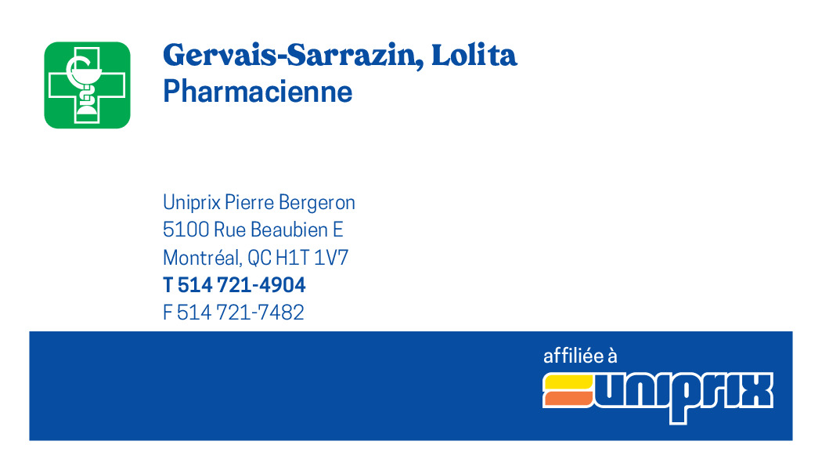
Order Number: | MCK-31810
Company: | Pierre Bergeron

Item Code | 5030427
Description | Uniprix – Cartes pharmaciens recto/verso – Services offerts (Gervais-Sarrazin, Lolita) |  | Qty | 250

# of Pages: | 2 | For SM/QM
Colours: | 4/4 | Coating:
Flat Size: | 3.5" x 2" | Layout Orientation:
Finish Size: | 3.5" x 2" | # of Up: | 20
Stock: | 130lb Cougar Cover | Parent Sheet Size:
Finishing: | Trim | Out:
 |  | Press Sheet Size: | 18" x 12"
 |  | Finished:
 |  | Overs:
Accessory: |  | Gross:

Special Instructions

Press: | iGen5 | Number of Items in the order | 2 of 6 |  | Display image:
Order Date: | 2026-09-02 20:01:29 |  |  |  | 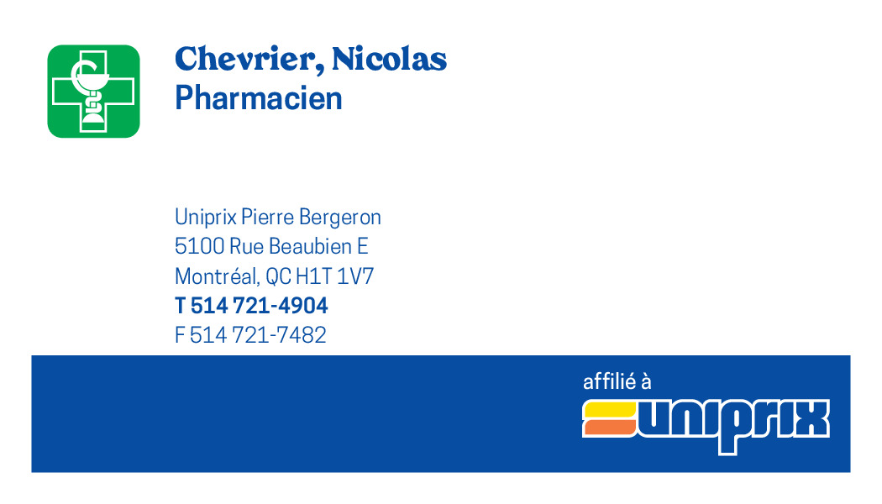
Order Number: | MCK-31810
Company: | Pierre Bergeron

Item Code | 5030428
Description | Uniprix – Cartes pharmaciens recto/verso – Services offerts (Chevrier, Nicolas) |  | Qty | 250

# of Pages: | 2 | For SM/QM
Colours: | 4/4 | Coating:
Flat Size: | 3.5" x 2" | Layout Orientation:
Finish Size: | 3.5" x 2" | # of Up: | 20
Stock: | 130lb Cougar Cover | Parent Sheet Size:
Finishing: | Trim | Out:
 |  | Press Sheet Size: | 18" x 12"
 |  | Finished:
 |  | Overs:
Accessory: |  | Gross:

Special Instructions

Worksheet 2
Press: | iGen5 | Number of Items in the order | 3 of 6 |  | Display image:
Order Date: | 2026-09-02 20:01:29 |  |  |  | 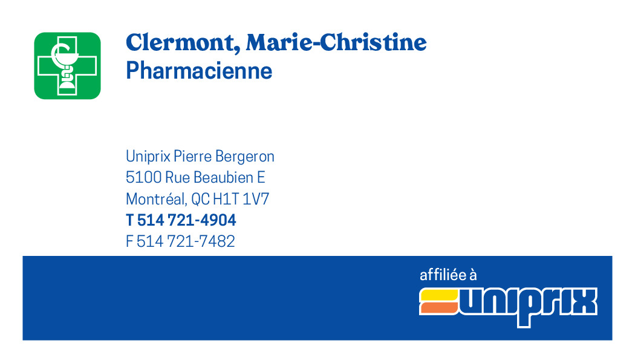
Order Number: | MCK-31810
Company: | Pierre Bergeron

Item Code | 5030429
Description | Uniprix – Cartes pharmaciens recto/verso – Services offerts (Clermont, Marie-Christine) |  | Qty | 250

# of Pages: | 2 | For SM/QM
Colours: | 4/4 | Coating:
Flat Size: | 3.5" x 2" | Layout Orientation:
Finish Size: | 3.5" x 2" | # of Up: | 20
Stock: | 130lb Cougar Cover | Parent Sheet Size:
Finishing: | Trim | Out:
 |  | Press Sheet Size: | 18" x 12"
 |  | Finished:
 |  | Overs:
Accessory: |  | Gross:

Special Instructions

Press: | iGen5 | Number of Items in the order | 4 of 6 |  | Display image:
Order Date: | 2026-09-02 20:01:29 |  |  |  | 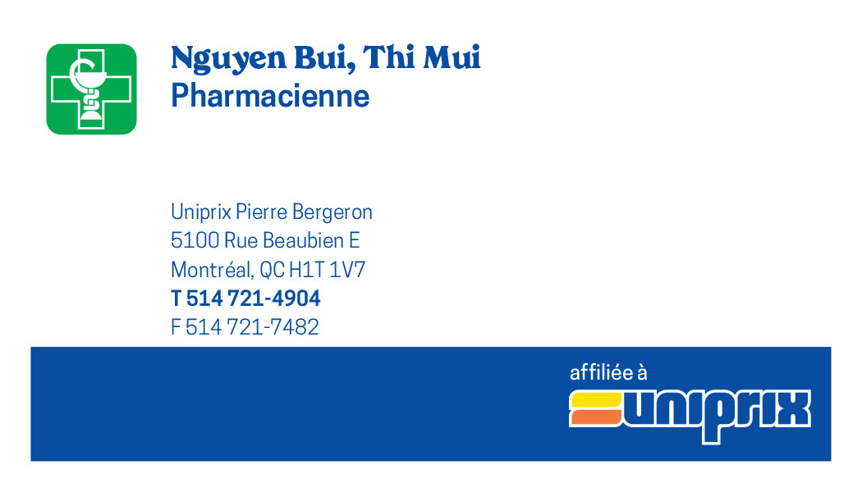
Order Number: | MCK-31810
Company: | Pierre Bergeron

Item Code | 5030430
Description | Uniprix – Cartes pharmaciens recto/verso – Services offerts (Nguyen Bui, Thi Mui) |  | Qty | 250

# of Pages: | 2 | For SM/QM
Colours: | 4/4 | Coating:
Flat Size: | 3.5" x 2" | Layout Orientation:
Finish Size: | 3.5" x 2" | # of Up: | 20
Stock: | 130lb Cougar Cover | Parent Sheet Size:
Finishing: | Trim | Out:
 |  | Press Sheet Size: | 18" x 12"
 |  | Finished:
 |  | Overs:
Accessory: |  | Gross:

Special Instructions

Worksheet 3
Press: | iGen5 | Number of Items in the order | 5 of 6 |  | Display image:
Order Date: | 2026-09-02 20:01:29 |  |  |  | 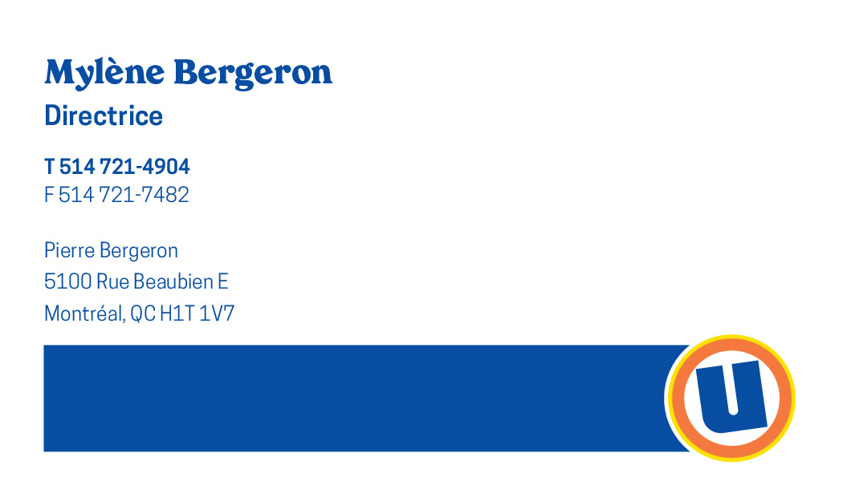
Order Number: | MCK-31810
Company: | Pierre Bergeron

Item Code | 5030432
Description | Uniprix - Cartes poste plancher et infirmier recto (Mylène Bergeron) |  | Qty | 250

# of Pages: | 1 | For SM/QM
Colours: | 4/0 | Coating:
Flat Size: | 3.5" x 2" | Layout Orientation:
Finish Size: | 3.5" x 2" | # of Up: | 20
Stock: | 130lb Cougar Cover | Parent Sheet Size:
Finishing: | Trim | Out:
 |  | Press Sheet Size: | 18" x 12"
 |  | Finished:
 |  | Overs:
Accessory: |  | Gross:

Special Instructions

Press: | iGen5 | Number of Items in the order | 6 of 6 |  | Display image:
Order Date: | 2026-09-02 20:01:29 |  |  |  | 
Order Number: | MCK-31810
Company: | Pierre Bergeron

Item Code | 5030431
Description | Uniprix - Cartes poste plancher et infirmier recto / verso - Services offerts (Lorie Perreault ) |  | Qty | 250

# of Pages: | 2 | For SM/QM
Colours: | 4/4 | Coating:
Flat Size: | 3.5" x 2" | Layout Orientation:
Finish Size: | 3.5" x 2" | # of Up: | 20
Stock: | 130lb Cougar Cover | Parent Sheet Size:
Finishing: | Trim | Out:
 |  | Press Sheet Size: | 18" x 12"
 |  | Finished:
 |  | Overs:
Accessory: |  | Gross:

Special Instructions

