Worksheet 1
Press: | IGen5 | Number of Items in the order | 1 of 3 |  | Display image:
Order Date: | 2026-09-02 18:11:53 |  |  |  | 
Order Number: | MCK-31808
Company: | Pharmacie Louis-Charles St-Pierre, Jean-Nicolas Boivin et ass.

Item Code | UX_LancementApp_nonreflex_BS
Description | Uniprix – Application mobile - Feuillet 3,5’’ x 8,5’’ – version française - Succursales NON-REFLEX |  | Qty | 100

# of Pages: | 2 | For SM/QM
Colours: | 4/4 | Coating:
Flat Size: |  | Layout Orientation:
Finish Size: | 5.5" x 8.5" | # of Up: | 4
Stock: | 80lb Gloss Text | Parent Sheet Size:
Finishing: | Trim to size | Out:
 |  | Press Sheet Size: | 18" x 12"
 |  | Finished:
 |  | Overs:
Accessory: |  | Gross:

Special Instructions

Press: | IGen5 | Number of Items in the order | 2 of 3 |  | Display image:
Order Date: | 2026-09-02 18:11:53 |  |  |  | 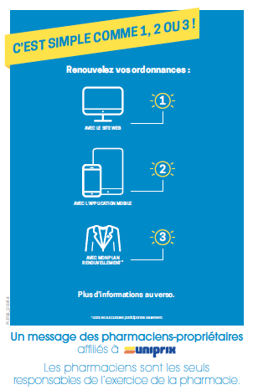
Order Number: | MCK-31808
Company: | Pharmacie Louis-Charles St-Pierre, Jean-Nicolas Boivin et ass.

Item Code | UX_RenoBS_55x85_FR_0519
Description | Uniprix - Renouveler vos ordonnances – feuillet 5,5’’ x 8,5’’ - "Version française" |  | Qty | 100

# of Pages: | 2 | For SM/QM
Colours: | 4/4 | Coating:
Flat Size: |  | Layout Orientation:
Finish Size: | 5.5" x 8.5" | # of Up: | 4
Stock: | 80lb Gloss Text | Parent Sheet Size:
Finishing: | Trim to size | Out:
 |  | Press Sheet Size: | 18" x 12"
 |  | Finished:
 |  | Overs:
Accessory: |  | Gross:

Special Instructions

Worksheet 2
Press: | iGen5 | Number of Items in the order | 3 of 3 |  | Display image:
Order Date: | 2026-09-02 18:11:53 |  |  |  | 
Order Number: | MCK-31808
Company: | Pharmacie Louis-Charles St-Pierre, Jean-Nicolas Boivin et ass.

Item Code | UX_LancementApp_Po13x19_v2
Description | Uniprix – Application mobile - Affiche comptoir 13’’ x 19’’ (version 2) – version française - Succursales Reflex |  | Qty | 1

# of Pages: | 1 | For SM/QM
Colours: | 4 + 0 | Coating:
Flat Size: | 13" x 19" | Layout Orientation:
Finish Size: | 13" x 19" | # of Up:
Stock: | 100lb Gloss Text | Parent Sheet Size:
Finishing: | Router Cut | Out:
 |  | Press Sheet Size:
 |  | Finished:
 |  | Overs:
Accessory: |  | Gross:

Special Instructions

