Worksheet 1
Press: | Pick & Pack | Number of Items in the order | 1 of 4 |  | Display image:
Order Date: | 2026-09-02 17:21:56 |  |  |  | 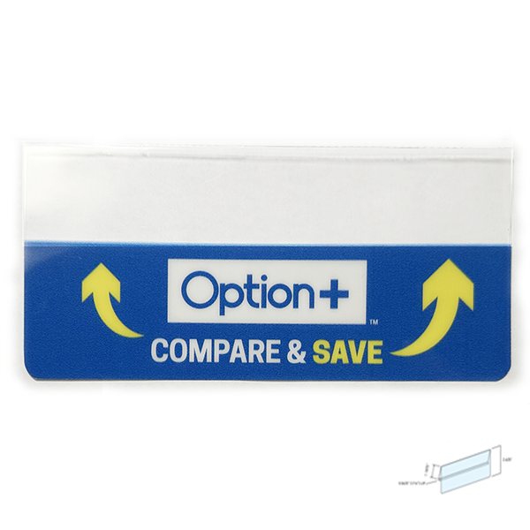
Order Number: | MCK-31807
Company: | Unban Square Drug Mart

Item Code | Option_CS_ShelfTag_Metal_EN_V1(COB4)
Description | Option+ Compare & Save Shelf Price Tag - Metal (English) |  | Qty | 2

# of Pages: |  | For SM/QM
Colours: |  | Coating:
Flat Size: |  | Layout Orientation:
Finish Size: |  | # of Up:
Stock: |  | Parent Sheet Size:
Finishing: |  | Out:
 |  | Press Sheet Size:
 |  | Finished:
 |  | Overs:
Accessory: |  | Gross:

Special Instructions

Press: | Epson | Number of Items in the order | 2 of 4 |  | Display image:
Order Date: | 2026-09-02 17:21:56 |  |  |  | 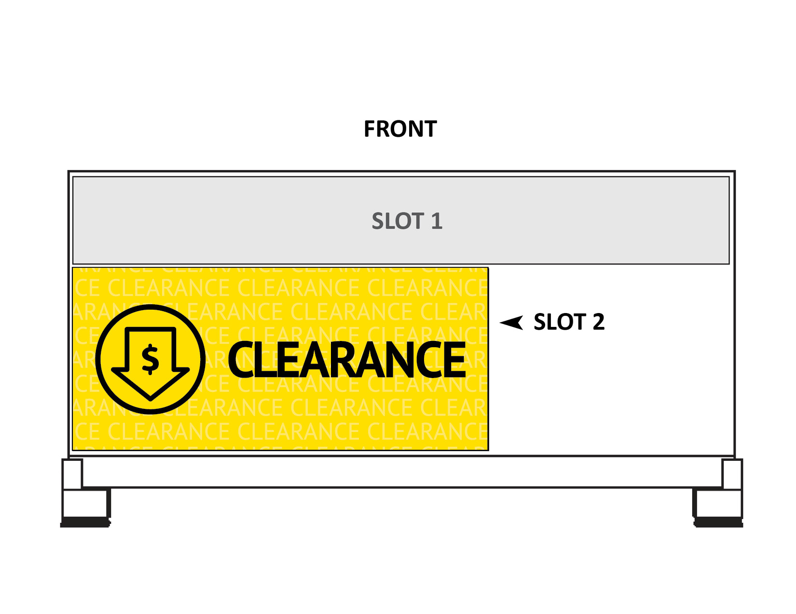
Order Number: | MCK-31807
Company: | Unban Square Drug Mart

Item Code | PB-S2_Clearance
Description | Price Board Insert - Slot 2 - Clearance |  | Qty | 1

# of Pages: | 1 | For SM/QM
Colours: | 4/0 | Coating:
Flat Size: | 19 x 8.275 | Layout Orientation:
Finish Size: | 19 x 8.275 | # of Up:
Stock: | 10mil Endura Paper Poster | Parent Sheet Size:
Finishing: | Trim | Out:
 |  | Press Sheet Size:
 |  | Finished:
 |  | Overs:
Accessory: |  | Gross:

Special Instructions

Worksheet 2
Press: | Epson | Number of Items in the order | 3 of 4 |  | Display image:
Order Date: | 2026-09-02 17:21:56 |  |  |  | 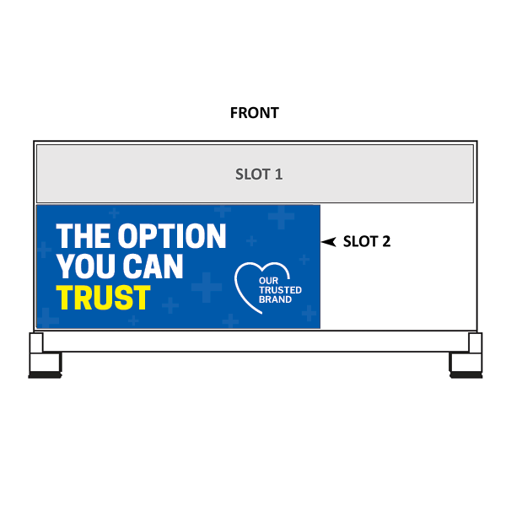
Order Number: | MCK-31807
Company: | Unban Square Drug Mart

Item Code | Option_PriceBoard_Slot2_19x8_ROC_EN2
Description | Option+ – Price Board Insert – Slot 2 (English - Version 2) |  | Qty | 1

# of Pages: | 1 | For SM/QM
Colours: | 4/0 | Coating:
Flat Size: | 19" x 8.275" | Layout Orientation:
Finish Size: | 19" x 8.275" | # of Up:
Stock: | 10mil Endura Paper Poster | Parent Sheet Size:
Finishing: | Trim to Final Size | Out:
 |  | Press Sheet Size:
 |  | Finished:
 |  | Overs:
Accessory: |  | Gross:

Special Instructions

Press: | Epson | Number of Items in the order | 4 of 4 |  | Display image:
Order Date: | 2026-09-02 17:21:56 |  |  |  | 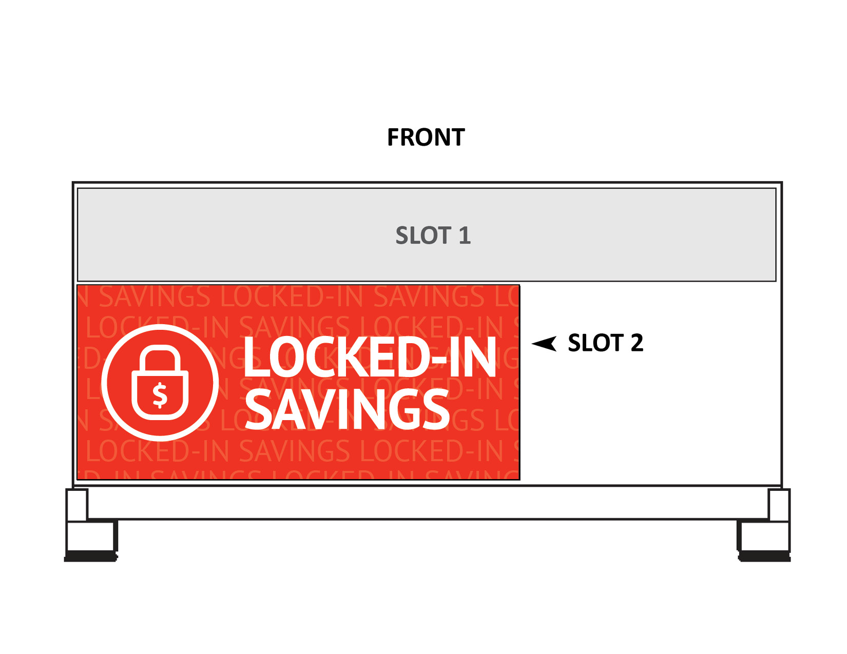
Order Number: | MCK-31807
Company: | Unban Square Drug Mart

Item Code | PB-S2_Lockin
Description | Price Board Insert - Slot 2 - Locked in Savings |  | Qty | 1

# of Pages: | 1 | For SM/QM
Colours: | 4/0 | Coating:
Flat Size: | 19 x 8.275 | Layout Orientation:
Finish Size: | 19 x 8.275 | # of Up:
Stock: | 10mil Endura Paper Poster | Parent Sheet Size:
Finishing: | Trim | Out:
 |  | Press Sheet Size:
 |  | Finished:
 |  | Overs:
Accessory: |  | Gross:

Special Instructions

