Worksheet 1
Press: | Canon | Number of Items in the order | 1 of 2 |  | Display image:
Order Date: | 2026-09-01 19:26:07 |  |  |  | 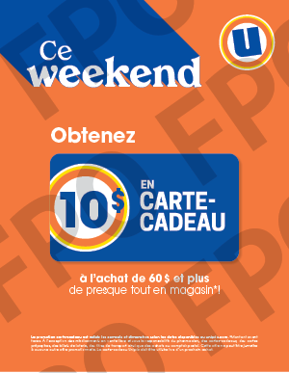
Order Number: | MCK-31803
Company: | All Banners

Item Code | UX_weekend_CarCadeau_28x36
Description | Uniprix – Weekend CARTE-CADEAU – Affiche vitrine, 28 x 36 – version française |  | Qty | 1

# of Pages: | 1 | For SM/QM
Colours: | 4/0 | Coating:
Flat Size: | 28" x 36" | Layout Orientation:
Finish Size: | 28" x 36" | # of Up:
Stock: | 50pt Gloss Card | Parent Sheet Size:
Finishing: | Trim to size | Out:
 |  | Press Sheet Size:
 |  | Finished:
 |  | Overs:
Accessory: |  | Gross:

Special Instructions

Press: | iGen5 | Number of Items in the order | 2 of 2 |  | Display image:
Order Date: | 2026-09-01 19:26:07 |  |  |  | 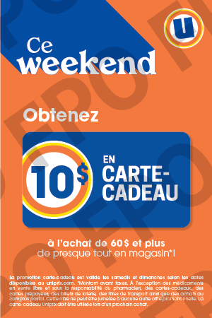
Order Number: | MCK-31803
Company: | All Banners

Item Code | UX_weekend_CarCadeau_BS
Description | Uniprix – Weekend CARTE-CADEAU – Cartes tablettes - 4 x 6 – version française |  | Qty | 250

# of Pages: | 1 | For SM/QM
Colours: | 4/0 | Coating:
Flat Size: | 4" x 6" | Layout Orientation:
Finish Size: | 4" x 6" | # of Up: | 8
Stock: | 80lb Gloss Text | Parent Sheet Size:
Finishing: | Trim to size | Out:
 |  | Press Sheet Size: | 19" x 13"
 |  | Finished:
 |  | Overs:
Accessory: |  | Gross:

Special Instructions

