Worksheet 1
Press: | Pick & Pack | Number of Items in the order | 1 of 2 |  | Display image:
Order Date: | 2026-09-01 15:39:57 |  |  |  | 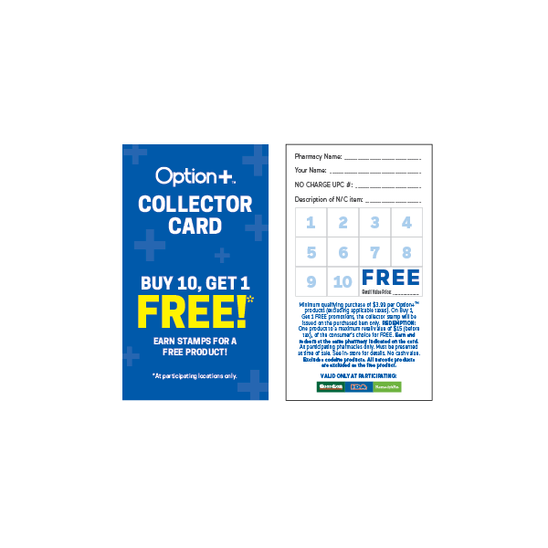
Order Number: | MCK-31801
Company: | Remedy'sRx Espanola #5058

Item Code | Option_CP_StampCard25_EN(COB)
Description | Option+<sup>TM</sup> Collector Program - Collector Card (ENGLISH - 250pc per box) |  | Qty | 1

# of Pages: |  | For SM/QM
Colours: |  | Coating:
Flat Size: |  | Layout Orientation:
Finish Size: |  | # of Up:
Stock: |  | Parent Sheet Size:
Finishing: |  | Out:
 |  | Press Sheet Size:
 |  | Finished:
 |  | Overs:
Accessory: |  | Gross:

Special Instructions

Press: |  | Number of Items in the order | 2 of 2 |  | Display image:
Order Date: | 2026-09-01 15:39:57 |  |  |  | 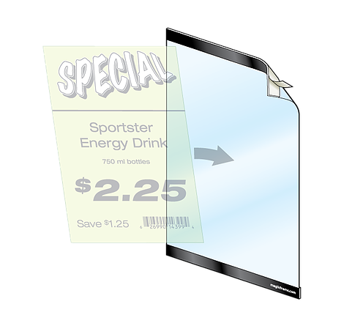
Order Number: | MCK-31801
Company: | Remedy'sRx Espanola #5058

Item Code | HW_MagicFrame
Description | Magic Frame |  | Qty | 1

# of Pages: |  | For SM/QM
Colours: |  | Coating:
Flat Size: |  | Layout Orientation:
Finish Size: |  | # of Up:
Stock: |  | Parent Sheet Size:
Finishing: |  | Out:
 |  | Press Sheet Size:
 |  | Finished:
 |  | Overs:
Accessory: |  | Gross:

Special Instructions

