Worksheet 1
Press: | iGen5 | Number of Items in the order | 1 of 3 |  | Display image:
Order Date: | 2026-09-01 15:25:05 |  |  |  | 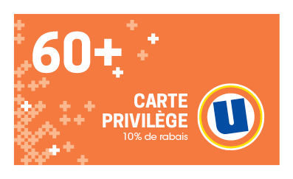
Order Number: | MCK-31799
Company: | Marie-Claude Émond & Myriam Drouin, pharmaciennes Inc.

Item Code | UX_Privilege60_Card_FR
Description | Uniprix -Cartes aînés- version française |  | Qty | 250

# of Pages: | 1 | For SM/QM
Colours: | 4/4 | Coating:
Flat Size: | 3.5" x 2" | Layout Orientation:
Finish Size: | 3.5" x 2" | # of Up: | 20up
Stock: | 14pt Card C2S | Parent Sheet Size:
Finishing: | Trim to size | Out:
 |  | Press Sheet Size: | 18" x 12"
 |  | Finished:
 |  | Overs:
Accessory: |  | Gross:

Special Instructions

Press: | iGen5 | Number of Items in the order | 2 of 3 |  | Display image:
Order Date: | 2026-09-01 15:25:05 |  |  |  | 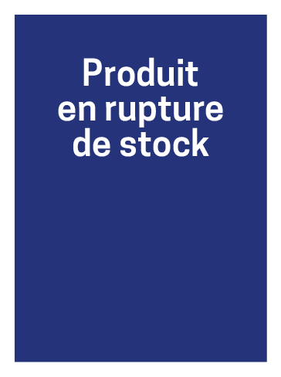
Order Number: | MCK-31799
Company: | Marie-Claude Émond & Myriam Drouin, pharmaciennes Inc.

Item Code | UX_rupture_carton
Description | Uniprix - Carton - Rupture de stock |  | Qty | 50

# of Pages: | 1 | For SM/QM
Colours: | 4/0 | Coating:
Flat Size: | 2" x 2.75" | Layout Orientation:
Finish Size: | 2" x 2.75" | # of Up:
Stock: | 100lb Gloss C2S Cover | Parent Sheet Size:
Finishing: | Trim to size | Out:
 |  | Press Sheet Size:
 |  | Finished:
 |  | Overs:
Accessory: |  | Gross:

Special Instructions

Worksheet 2
Press: | iGen5 | Number of Items in the order | 3 of 3 |  | Display image:
Order Date: | 2026-09-01 15:25:05 |  |  |  | 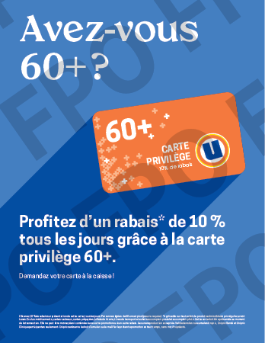
Order Number: | MCK-31799
Company: | Marie-Claude Émond & Myriam Drouin, pharmaciennes Inc.

Item Code | UX_Privilege60_Po85_FR
Description | Uniprix - Affiche comptoir-caisse – 8,5 x 11 – version française |  | Qty | 1

# of Pages: | 1 | For SM/QM
Colours: | 4/0 | Coating:
Flat Size: | 8.5" x 11" | Layout Orientation:
Finish Size: | 8.5" x 11" | # of Up: | 2 (IGen)
Stock: | 24pt Card | Parent Sheet Size:
Finishing: | Trim to size, Apply 7" Easel Back | Out:
 |  | Press Sheet Size:
 |  | Finished:
 |  | Overs:
Accessory: |  | Gross:

Special Instructions

