Worksheet 1
Press: | Pick & Pack | Number of Items in the order | 1 of 3 |  | Display image:
Order Date: | 2026-08-29 20:26:35 |  |  |  | 
Order Number: | MCK-31792
Company: | Store# 444

Item Code | MSC_Balloon_Navy (COB)
Description | MSC - Balloon Navy Colour |  | Qty | 50

# of Pages: | 1 | For SM/QM
Colours: |  | Coating:
Flat Size: |  | Layout Orientation:
Finish Size: |  | # of Up:
Stock: |  | Parent Sheet Size:
Finishing: |  | Out:
 |  | Press Sheet Size:
 |  | Finished:
 |  | Overs:
Accessory: |  | Gross:

Special Instructions

Press: | Pick & Pack | Number of Items in the order | 2 of 3 |  | Display image:
Order Date: | 2026-08-29 20:26:35 |  |  |  | 
Order Number: | MCK-31792
Company: | Store# 444

Item Code | MSC_Balloon_White (COB)
Description | MSC - Balloon White Colour |  | Qty | 50

# of Pages: | 1 | For SM/QM
Colours: |  | Coating:
Flat Size: |  | Layout Orientation:
Finish Size: |  | # of Up:
Stock: |  | Parent Sheet Size:
Finishing: |  | Out:
 |  | Press Sheet Size:
 |  | Finished:
 |  | Overs:
Accessory: |  | Gross:

Special Instructions

Worksheet 2
Press: | Pick & Pack | Number of Items in the order | 3 of 3 |  | Display image:
Order Date: | 2026-08-29 20:26:35 |  |  |  | 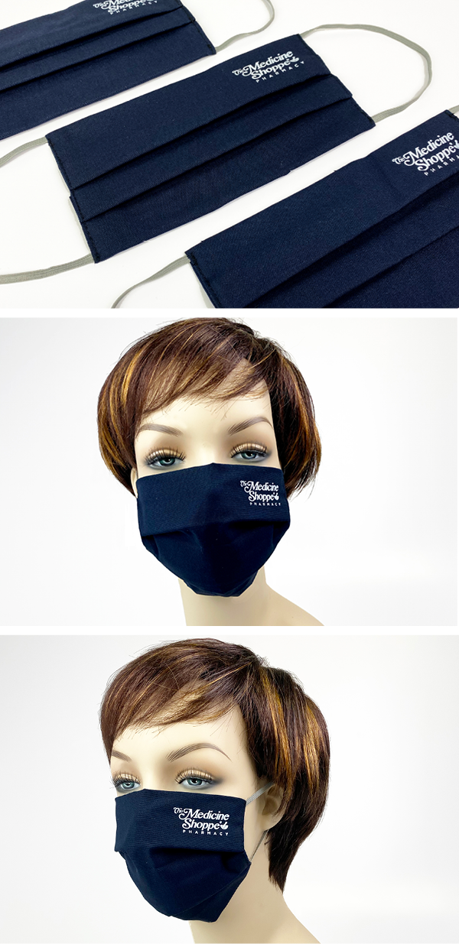
Order Number: | MCK-31792
Company: | Store# 444

Item Code | MSC_cloth_mask (COB)
Description | MSC - Cloth Face Mask |  | Qty | 100

# of Pages: |  | For SM/QM
Colours: |  | Coating:
Flat Size: |  | Layout Orientation:
Finish Size: |  | # of Up:
Stock: |  | Parent Sheet Size:
Finishing: |  | Out:
 |  | Press Sheet Size:
 |  | Finished:
 |  | Overs:
Accessory: |  | Gross:

Special Instructions

