Worksheet 1
Press: | Pick & Pack | Number of Items in the order | 1 of 1 |  | Display image:
Order Date: | 2026-08-28 13:20:36 |  |  |  | 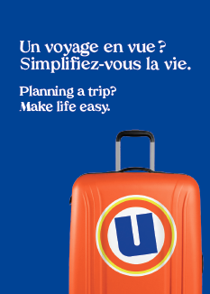
Order Number: | MCK-31788
Company: | Pierre Bergeron et Marisa Sgro

Item Code | UX_Env_photo-passeport_BIL(COB)
Description | Uniprix - Pochette pour photos passeport et autres photos d'identité – version bilingue |  | Qty | 250

# of Pages: |  | For SM/QM
Colours: |  | Coating:
Flat Size: |  | Layout Orientation:
Finish Size: |  | # of Up:
Stock: |  | Parent Sheet Size:
Finishing: |  | Out:
 |  | Press Sheet Size:
 |  | Finished:
 |  | Overs:
Accessory: |  | Gross:

Special Instructions | The price will be $18 / bundle of 50 pcs.

