Worksheet 1
Press: | Epson | Number of Items in the order | 1 of 4 |  | Display image:
Order Date: | 2026-08-26 23:06:34 |  |  |  | 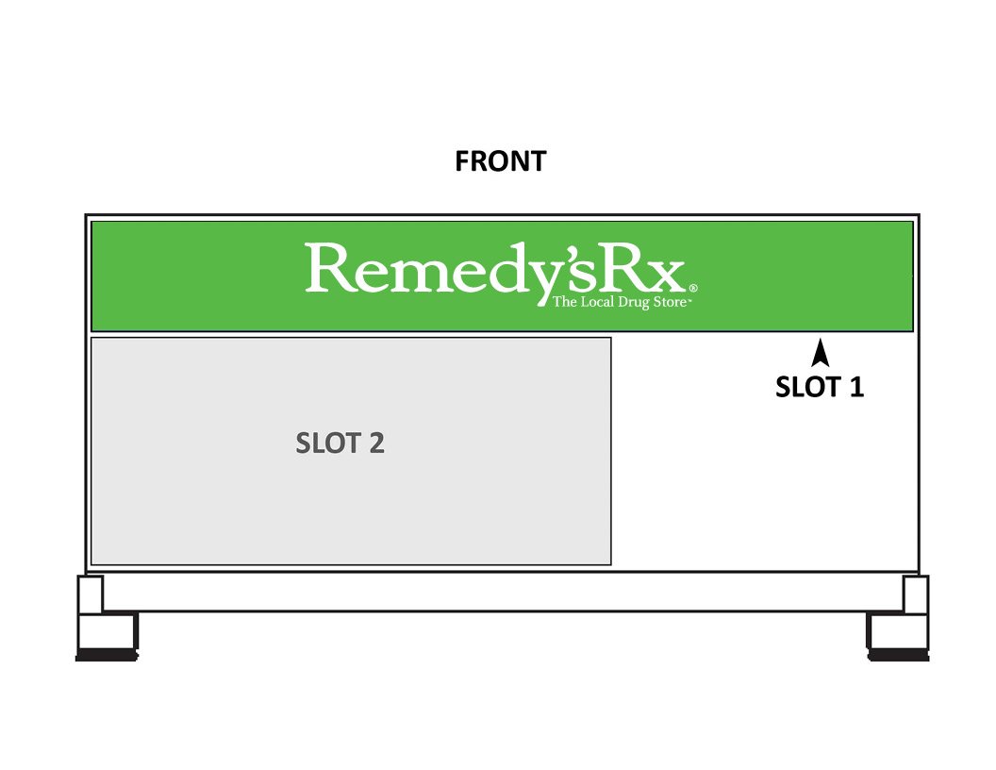
Order Number: | MCK-31783
Company: | Northern Lights Remedy'sRx

Item Code | PB-S1_RRX
Description | Price Board Insert - Slot 1 - Remedy’sRx |  | Qty | 2

# of Pages: | 1 | For SM/QM
Colours: | 4/0 | Coating:
Flat Size: | 30 x 4 | Layout Orientation:
Finish Size: | 30 x 4 | # of Up:
Stock: | 10mil Endura Paper Poster | Parent Sheet Size:
Finishing: | Trim | Out:
 |  | Press Sheet Size:
 |  | Finished:
 |  | Overs:
Accessory: |  | Gross:

Special Instructions

Press: | Epson | Number of Items in the order | 2 of 4 |  | Display image:
Order Date: | 2026-08-26 23:06:34 |  |  |  | 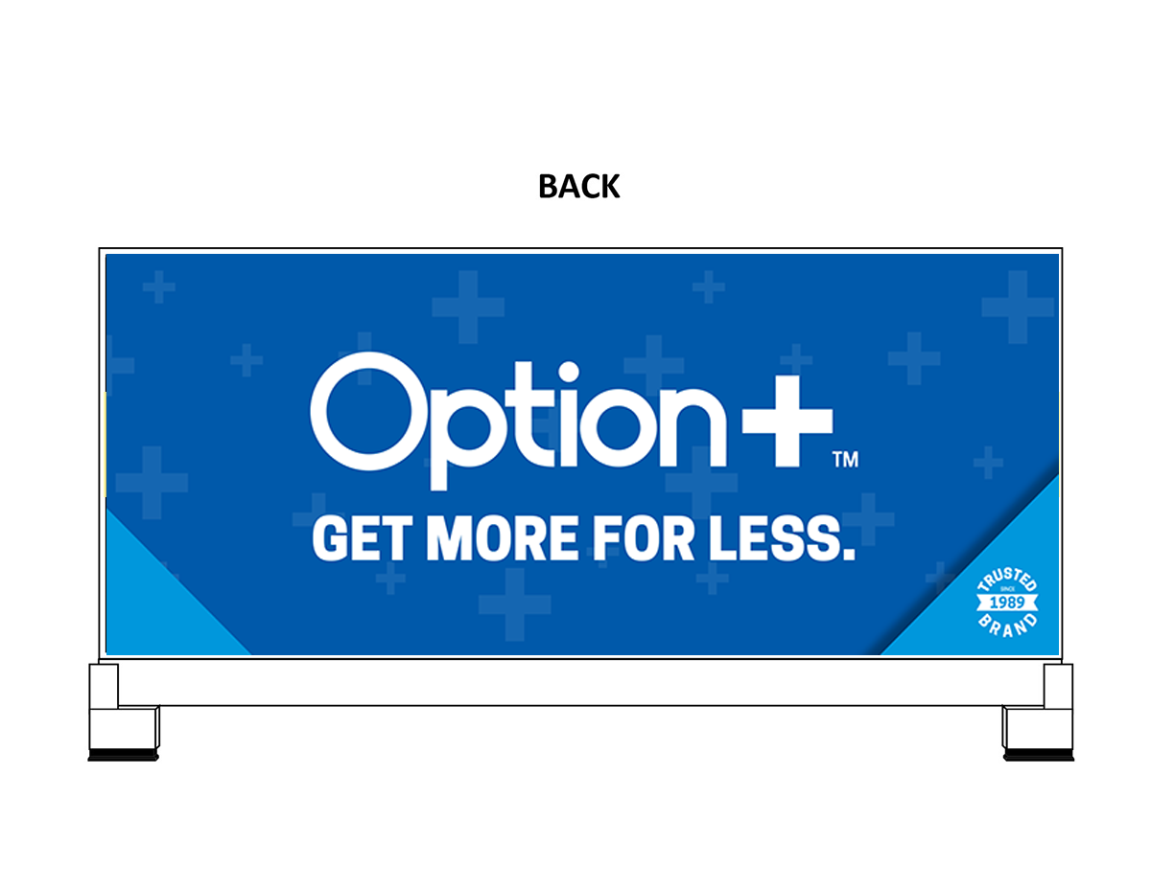
Order Number: | MCK-31783
Company: | Northern Lights Remedy'sRx

Item Code | Option_PriceHeader_S3_EN
Description | Option+<sup>TM</sup> Price board insert - Slot 3 (English) |  | Qty | 2

# of Pages: | 1 | For SM/QM
Colours: | 4/0 | Coating:
Flat Size: | 30 x 12.5 | Layout Orientation:
Finish Size: | 30 x 12.5 | # of Up:
Stock: | 10mil Endura Paper Poster | Parent Sheet Size:
Finishing: | Trim | Out:
 |  | Press Sheet Size:
 |  | Finished:
 |  | Overs:
Accessory: |  | Gross:

Special Instructions

Worksheet 2
Press: | iGen5 | Number of Items in the order | 3 of 4 |  | Display image:
Order Date: | 2026-08-26 23:06:34 |  |  |  | 
Order Number: | MCK-31783
Company: | Northern Lights Remedy'sRx

Item Code | Savvy_DataStrips_Logo_EN2
Description | savvy - Data strip with Logo (English - Vernsion 2) |  | Qty | 6

# of Pages: | 1 | For SM/QM
Colours: | 4/0 | Coating:
Flat Size: | 24" x 1.25" | Layout Orientation: | Sheetwork
Finish Size: | 24" x 1.25" | # of Up: | 8
Stock: | 18pt Gloss C2S Cover | Parent Sheet Size:
Finishing: | Trim | Out:
 |  | Press Sheet Size: | 26" x 13"
 |  | Finished:
 |  | Overs:
Accessory: |  | Gross:

Special Instructions

Press: | Epson | Number of Items in the order | 4 of 4 |  | Display image:
Order Date: | 2026-08-26 23:06:34 |  |  |  | 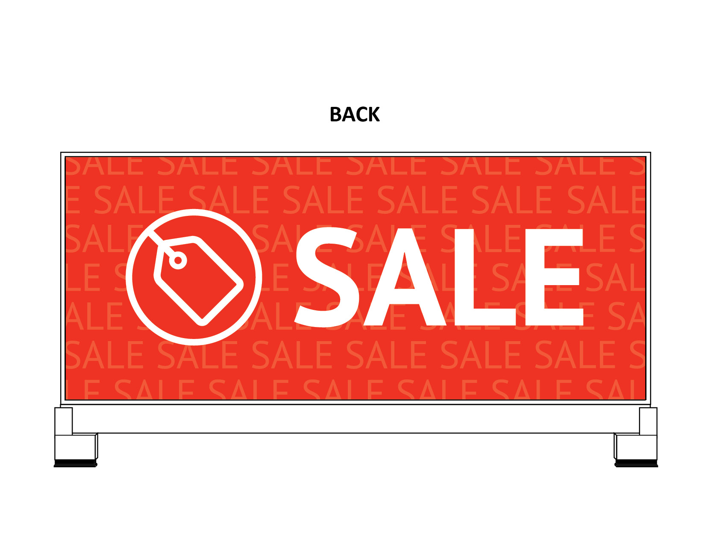
Order Number: | MCK-31783
Company: | Northern Lights Remedy'sRx

Item Code | PB-S3_Sale
Description | Price Board Insert - Slot 3 - Sale |  | Qty | 1

# of Pages: | 1 | For SM/QM
Colours: | 4/0 | Coating:
Flat Size: | 30 x 12.5 | Layout Orientation:
Finish Size: | 30 x 12.5 | # of Up:
Stock: | 10mil Endura Paper Poster | Parent Sheet Size:
Finishing: | Trim | Out:
 |  | Press Sheet Size:
 |  | Finished:
 |  | Overs:
Accessory: |  | Gross:

Special Instructions

