Worksheet 1
Press: | Outsource Job | Number of Items in the order | 1 of 4 |  | Display image:
Order Date: | 2026-08-26 17:29:29 |  |  |  | 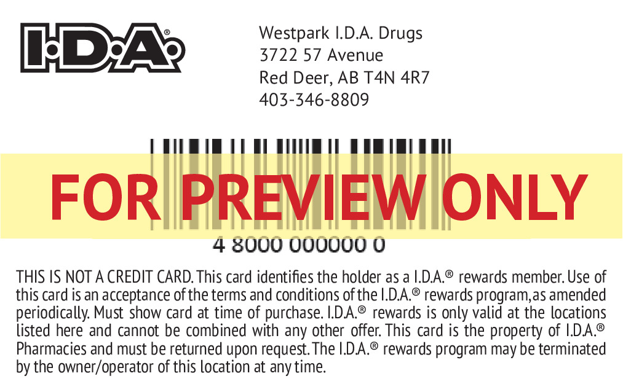
Order Number: | MCK-31780
Company: | Westpark I.D.A. Drugs

Item Code | 5030285
Description | IDA - Loyalty Card & Enrollment Forms - English |  | Qty | 500

# of Pages: | 2 | For SM/QM
Colours: |  | Coating:
Flat Size: |  | Layout Orientation:
Finish Size: | 3.375" x 2.125" | # of Up:
Stock: | 30mil PVC | Parent Sheet Size:
Finishing: | Supplier - Cancard (Jeff) - Print Card With Barcode, rounded corners and Glue cards on Enrollment Sheet: print on 80lb Uncoated Cover. | Out:
 |  | Press Sheet Size:
 |  | Finished:
 |  | Overs:
Accessory: |  | Gross:

Special Instructions

Press: | iGen5 | Number of Items in the order | 2 of 4 |  | Display image:
Order Date: | 2026-08-26 17:29:29 |  |  |  | 
Order Number: | MCK-31780
Company: | Westpark I.D.A. Drugs

Item Code | IDA_Loyalty_Benefit_Sheet_5x7_EN
Description | IDA - Loyalty Benefit sheet - English |  | Qty | 500

# of Pages: | 2 | For SM/QM
Colours: | 4/4 | Coating:
Flat Size: | 5" x 7" | Layout Orientation: | Sheetwork
Finish Size: | 5" x 7" | # of Up: | 4
Stock: | 70lb Gloss C2S Text | Parent Sheet Size:
Finishing: | Trim to Size, Elastic Bundle in 500s with Card Paper | Out:
 |  | Press Sheet Size: | 18" x 12"
 |  | Finished:
 |  | Overs:
Accessory: |  | Gross:

Special Instructions

Worksheet 2
Press: | HP | Number of Items in the order | 3 of 4 |  | Display image:
Order Date: | 2026-08-26 17:29:29 |  |  |  | 
Order Number: | MCK-31780
Company: | Westpark I.D.A. Drugs

Item Code | IDA_Loyalty_Po22_EN
Description | IDA - Loyalty - Poster - English |  | Qty | 2

# of Pages: | 1 | For SM/QM
Colours: | 4/4 | Coating:
Flat Size: | 22" x 28" | Layout Orientation:
Finish Size: | 22" x 28" | # of Up:
Stock: | 18pt Gloss Cover | Parent Sheet Size:
Finishing: | Trim to Size, Drill holes on both top left and right corners | Out:
 |  | Press Sheet Size:
 |  | Finished:
 |  | Overs:
Accessory: | Supply two suction cups | Gross:

Special Instructions

Press: | iGen5 | Number of Items in the order | 4 of 4 |  | Display image:
Order Date: | 2026-08-26 17:29:29 |  |  |  | 
Order Number: | MCK-31780
Company: | Westpark I.D.A. Drugs

Item Code | IDA_Loyalty_TentCard3_EN
Description | IDA - Loyalty - Tent Card - English (Pack of 3) |  | Qty | 1

# of Pages: | 1 | For SM/QM
Colours: | 4/0 | Coating:
Flat Size: | 5" x 19" | Layout Orientation:
Finish Size: | 5" x 7" | # of Up:
Stock: | 130lb Gloss C2S Cover | Parent Sheet Size:
Finishing: | Die Cut Slits, core x 3, Fold in Half, Leave Flat | Out:
 |  | Press Sheet Size:
 |  | Finished:
 |  | Overs:
Accessory: |  | Gross:

Special Instructions

