Worksheet 1
Press: | Pick & Pack | Number of Items in the order | 1 of 1 |  | Display image:
Order Date: | 2026-08-25 19:46:59 |  |  |  | 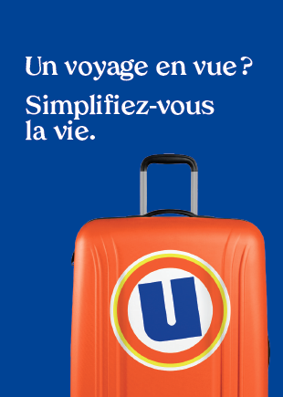
Order Number: | MCK-31777
Company: | Pharmacie A. Sabatier, A. Perazzelli, G. Latulippe et J-S Blais Inc.

Item Code | UX_Env_photo-passeport_FR(COB)
Description | Uniprix - Pochette pour photos passeport et autres photos d'identité – version française |  | Qty | 200

# of Pages: |  | For SM/QM
Colours: |  | Coating:
Flat Size: |  | Layout Orientation:
Finish Size: |  | # of Up:
Stock: |  | Parent Sheet Size:
Finishing: |  | Out:
 |  | Press Sheet Size:
 |  | Finished:
 |  | Overs:
Accessory: |  | Gross:

Special Instructions

