Worksheet 1
Press: | iGen5 | Number of Items in the order | 1 of 2 |  | Display image:
Order Date: | 2026-08-24 15:02:26 |  |  |  | 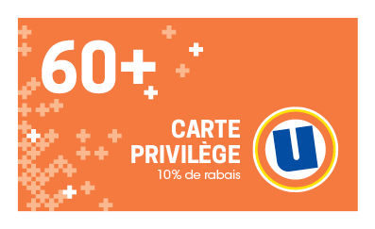
Order Number: | MCK-31772
Company: | Guillaume Fleury, Pierre Bergeron et François Dupuis

Item Code | UX_Privilege60_Card_FR
Description | Uniprix -Cartes aînés- version française |  | Qty | 500

# of Pages: | 1 | For SM/QM
Colours: | 4/4 | Coating:
Flat Size: | 3.5" x 2" | Layout Orientation:
Finish Size: | 3.5" x 2" | # of Up: | 20up
Stock: | 14pt Card C2S | Parent Sheet Size:
Finishing: | Trim to size | Out:
 |  | Press Sheet Size: | 18" x 12"
 |  | Finished:
 |  | Overs:
Accessory: |  | Gross:

Special Instructions

Press: | Pick & Pack | Number of Items in the order | 2 of 2 |  | Display image:
Order Date: | 2026-08-24 15:02:26 |  |  |  | 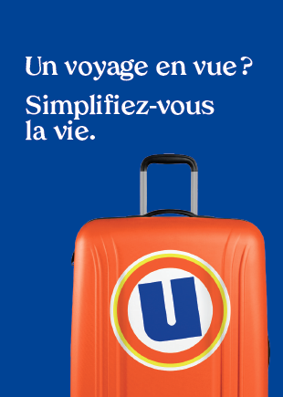
Order Number: | MCK-31772
Company: | Guillaume Fleury, Pierre Bergeron et François Dupuis

Item Code | UX_Env_photo-passeport_FR(COB)
Description | Uniprix - Pochette pour photos passeport et autres photos d'identité – version française |  | Qty | 200

# of Pages: |  | For SM/QM
Colours: |  | Coating:
Flat Size: |  | Layout Orientation:
Finish Size: |  | # of Up:
Stock: |  | Parent Sheet Size:
Finishing: |  | Out:
 |  | Press Sheet Size:
 |  | Finished:
 |  | Overs:
Accessory: |  | Gross:

Special Instructions

