Worksheet 1
Press: | Pick & Pack | Number of Items in the order | 1 of 5 |  | Display image:
Order Date: | 2026-08-21 16:11:33 |  |  |  | 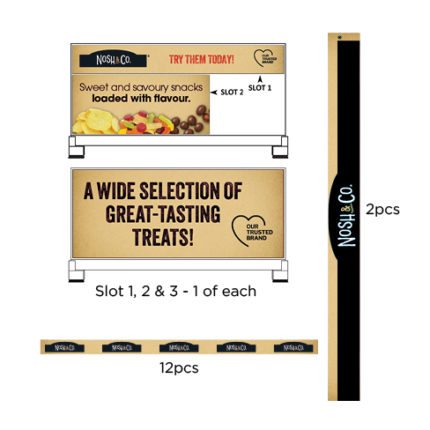
Order Number: | MCK-31770
Company: | Boggio Pharmacy

Item Code | 01_Nosh_Co_EndcapKit_EN(COB)
Description | Nosh & Co. - Endcap Bundle Kit – English Version |  | Qty | 1

# of Pages: | 1 | For SM/QM
Colours: |  | Coating:
Flat Size: |  | Layout Orientation:
Finish Size: |  | # of Up:
Stock: |  | Parent Sheet Size:
Finishing: |  | Out:
 |  | Press Sheet Size:
 |  | Finished:
 |  | Overs:
Accessory: |  | Gross:

Special Instructions

Press: | iGen5 | Number of Items in the order | 2 of 5 |  | Display image:
Order Date: | 2026-08-21 16:11:33 |  |  |  | 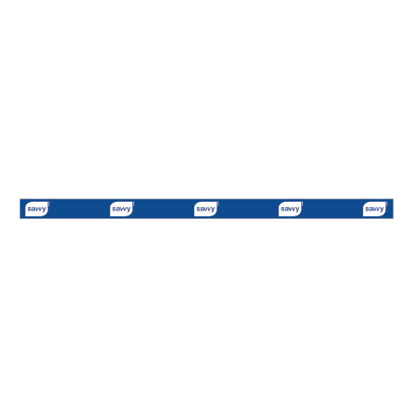
Order Number: | MCK-31770
Company: | Boggio Pharmacy

Item Code | Savvy_DataStrips_Logo_EN2
Description | savvy - Data strip with Logo (English - Vernsion 2) |  | Qty | 12

# of Pages: | 1 | For SM/QM
Colours: | 4/0 | Coating:
Flat Size: | 24" x 1.25" | Layout Orientation: | Sheetwork
Finish Size: | 24" x 1.25" | # of Up: | 8
Stock: | 18pt Gloss C2S Cover | Parent Sheet Size:
Finishing: | Trim | Out:
 |  | Press Sheet Size: | 26" x 13"
 |  | Finished:
 |  | Overs:
Accessory: |  | Gross:

Special Instructions

Worksheet 2
Press: | Pick & Pack | Number of Items in the order | 3 of 5 |  | Display image:
Order Date: | 2026-08-21 16:11:33 |  |  |  | 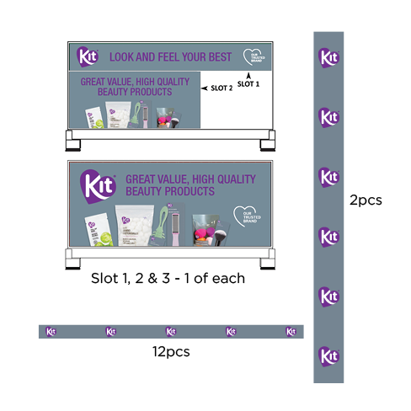
Order Number: | MCK-31770
Company: | Boggio Pharmacy

Item Code | 01_Kit_EndcapKit_EN(COB)
Description | Kit - Endcap Bundle Kit – English Version |  | Qty | 3

# of Pages: | 1 | For SM/QM
Colours: |  | Coating:
Flat Size: |  | Layout Orientation:
Finish Size: |  | # of Up:
Stock: |  | Parent Sheet Size:
Finishing: |  | Out:
 |  | Press Sheet Size:
 |  | Finished:
 |  | Overs:
Accessory: |  | Gross:

Special Instructions

Press: | Outsource Job | Number of Items in the order | 4 of 5 |  | Display image:
Order Date: | 2026-08-21 16:11:33 |  |  |  | 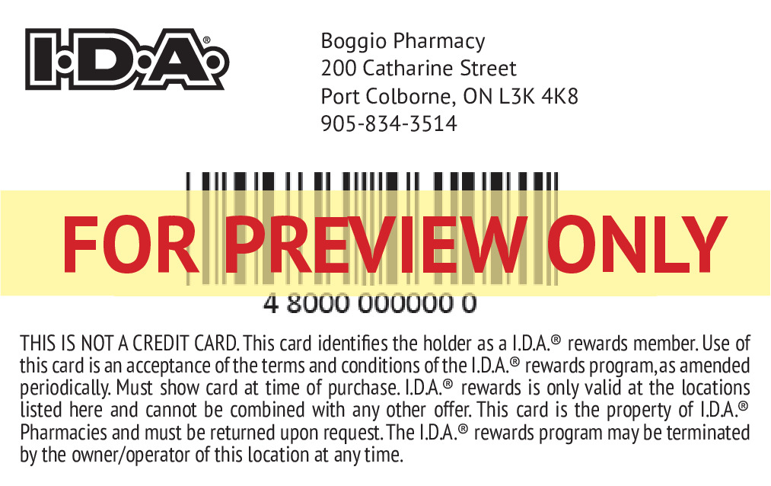
Order Number: | MCK-31770
Company: | Boggio Pharmacy

Item Code | 5029936
Description | IDA - Loyalty Card & Enrollment Forms - English |  | Qty | 500

# of Pages: | 2 | For SM/QM
Colours: |  | Coating:
Flat Size: |  | Layout Orientation:
Finish Size: | 3.375" x 2.125" | # of Up:
Stock: | 30mil PVC | Parent Sheet Size:
Finishing: | Supplier - Cancard (Jeff) - Print Card With Barcode, rounded corners and Glue cards on Enrollment Sheet: print on 80lb Uncoated Cover. | Out:
 |  | Press Sheet Size:
 |  | Finished:
 |  | Overs:
Accessory: |  | Gross:

Special Instructions

Worksheet 3
Press: | iGen5 | Number of Items in the order | 5 of 5 |  | Display image:
Order Date: | 2026-08-21 16:11:33 |  |  |  | 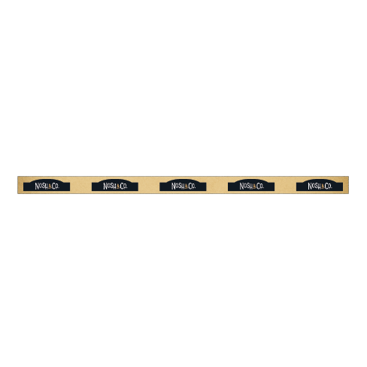
Order Number: | MCK-31770
Company: | Boggio Pharmacy

Item Code | Nosh_DataStrips_Logo
Description | Nosh & Co. - Data Strips / Bandes de données |  | Qty | 12

# of Pages: | 1 | For SM/QM
Colours: | 4/0 | Coating:
Flat Size: | 24" x 1.25" | Layout Orientation: | Sheetwork
Finish Size: | 24" x 1.25" | # of Up: | 8
Stock: | 18pt Gloss C2S Cover | Parent Sheet Size:
Finishing: | Trim | Out:
 |  | Press Sheet Size: | 26" x 13"
 |  | Finished:
 |  | Overs:
Accessory: |  | Gross:

Special Instructions

