Worksheet 1
Press: | iGen5 | Number of Items in the order | 1 of 2 |  | Display image:
Order Date: | 2026-08-21 15:37:04 |  |  |  | 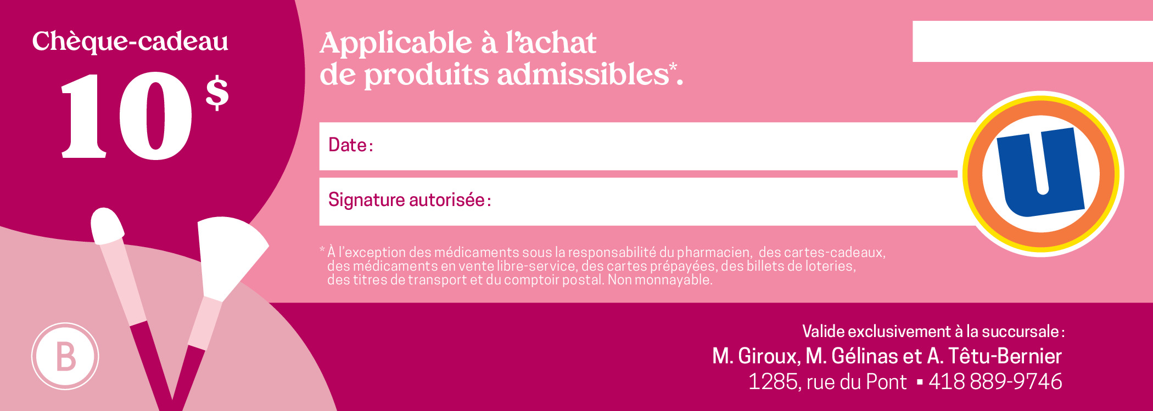
Order Number: | MCK-31768
Company: | M. Giroux, M. Gélinas et A. Têtu-Bernier

Item Code | 5030244
Description | Uniprix - Cosmetiques Chèques-cadeaux |  | Qty | 250

# of Pages: | 1 | For SM/QM
Colours: | 4/0 | Coating:
Flat Size: | 8.5" x 11" | Layout Orientation: | Sheetwork
Finish Size: | 7" x 2.5" | # of Up: | 2
Stock: | 100lb Gloss C2S Text | Parent Sheet Size:
Finishing: | Trim to Final Size | Out:
 |  | Press Sheet Size: | 18" x 12"
 |  | Finished:
 |  | Overs:
Accessory: |  | Gross:

Special Instructions

Press: | iGen5 | Number of Items in the order | 2 of 2 |  | Display image:
Order Date: | 2026-08-21 15:37:04 |  |  |  | 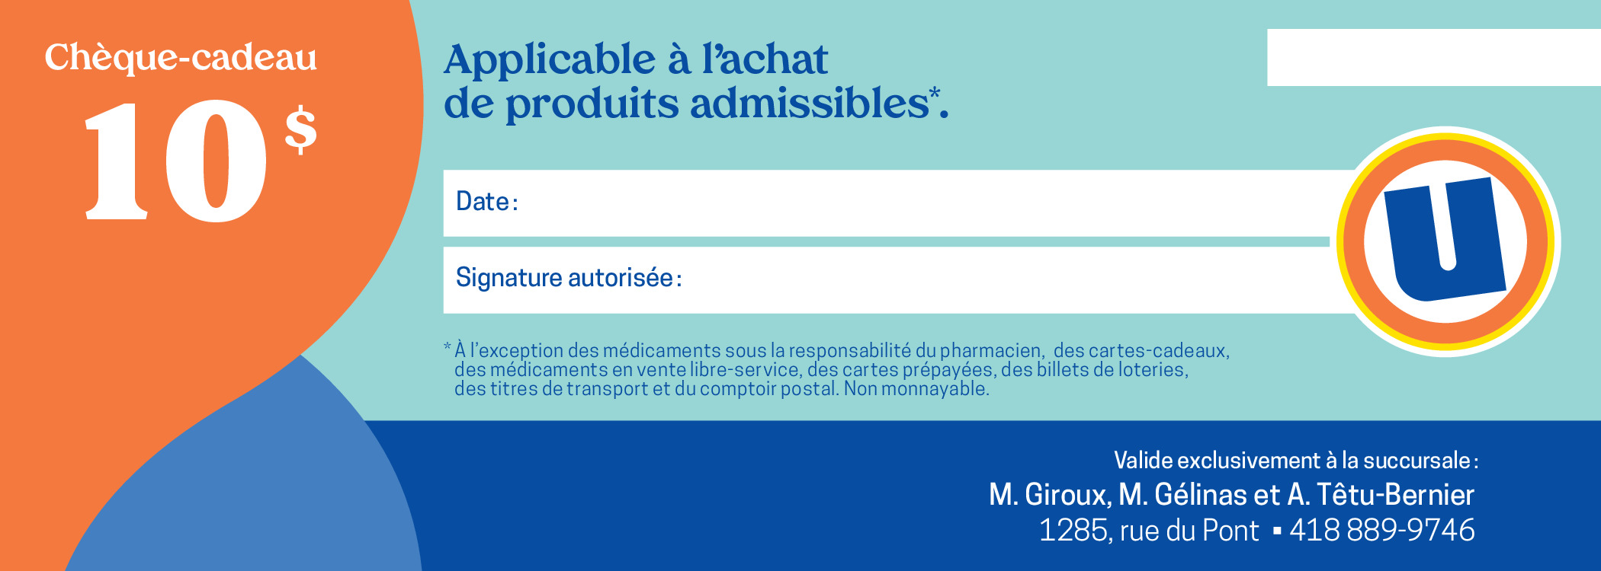
Order Number: | MCK-31768
Company: | M. Giroux, M. Gélinas et A. Têtu-Bernier

Item Code | 5030246
Description | Uniprix - Chèques-cadeaux |  | Qty | 250

# of Pages: | 1 | For SM/QM
Colours: | 4/0 | Coating:
Flat Size: | 8.5" x 11" | Layout Orientation: | Sheetwork
Finish Size: | 7" x 2.5" | # of Up: | 2
Stock: | 100lb Gloss C2S Text | Parent Sheet Size:
Finishing: | Trim to Final Size | Out:
 |  | Press Sheet Size: | 18" x 12"
 |  | Finished:
 |  | Overs:
Accessory: |  | Gross:

Special Instructions

