Worksheet 1
Press: | Pick & Pack | Number of Items in the order | 1 of 3 |  | Display image:
Order Date: | 2026-08-20 20:42:35 |  |  |  | 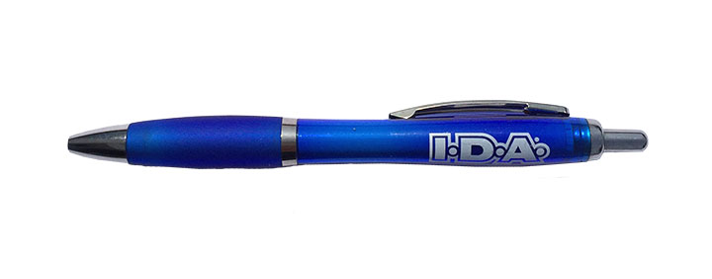
Order Number: | MCK-31764
Company: | Forks Pharmacy

Item Code | IDAPRO_Pen (COB)
Description | IDA - Pen Salerno |  | Qty | 50

# of Pages: | 1 | For SM/QM
Colours: | 1/0 | Coating:
Flat Size: | NA | Layout Orientation:
Finish Size: | NA | # of Up:
Stock: | Bulk Order | Parent Sheet Size:
Finishing: |  | Out:
 |  | Press Sheet Size:
 |  | Finished:
 |  | Overs:
Accessory: |  | Gross:

Special Instructions

Press: | Pick & Pack | Number of Items in the order | 2 of 3 |  | Display image:
Order Date: | 2026-08-20 20:42:35 |  |  |  | 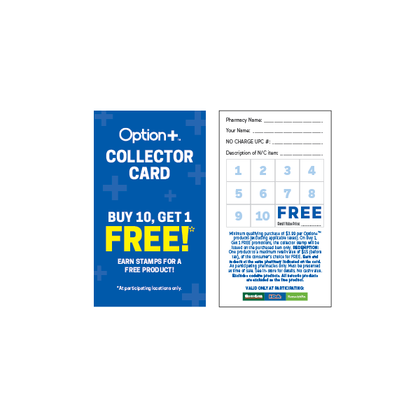
Order Number: | MCK-31764
Company: | Forks Pharmacy

Item Code | Option_CP_StampCard25_EN(COB)
Description | Option+<sup>TM</sup> Collector Program - Collector Card (ENGLISH - 250pc per box) |  | Qty | 1

# of Pages: |  | For SM/QM
Colours: |  | Coating:
Flat Size: |  | Layout Orientation:
Finish Size: |  | # of Up:
Stock: |  | Parent Sheet Size:
Finishing: |  | Out:
 |  | Press Sheet Size:
 |  | Finished:
 |  | Overs:
Accessory: |  | Gross:

Special Instructions

Worksheet 2
Press: | Pick & Pack | Number of Items in the order | 3 of 3 |  | Display image:
Order Date: | 2026-08-20 20:42:35 |  |  |  | 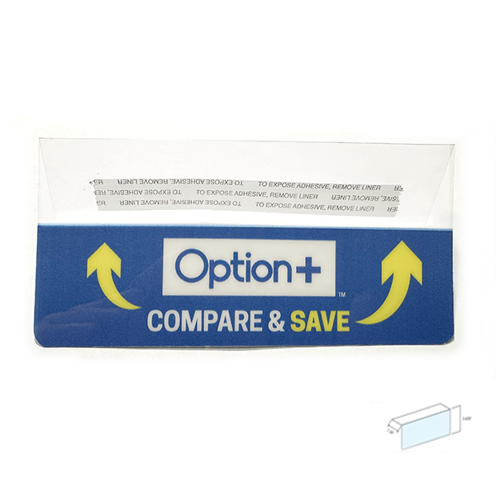
Order Number: | MCK-31764
Company: | Forks Pharmacy

Item Code | Option_CS_ShelfTag_Wood_EN_V5(COB4)
Description | Option+ Compare & Save Shelf Price Tag - Wood (English) |  | Qty | 1

# of Pages: |  | For SM/QM
Colours: |  | Coating:
Flat Size: |  | Layout Orientation:
Finish Size: |  | # of Up:
Stock: |  | Parent Sheet Size:
Finishing: |  | Out:
 |  | Press Sheet Size:
 |  | Finished:
 |  | Overs:
Accessory: |  | Gross:

Special Instructions

