Worksheet 1
Press: | iGen5 | Number of Items in the order | 1 of 1 |  | Display image:
Order Date: | 2026-08-20 18:06:15 |  |  |  | 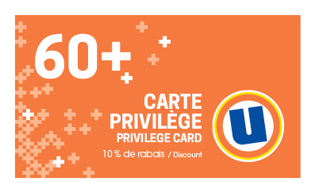
Order Number: | MCK-31763
Company: | Pharmacie Samy Adjaoud et Ranim Boulos Inc.

Item Code | UX_Privilege60_Card_BIL
Description | Uniprix - Cartes aînés – version bilingue |  | Qty | 500

# of Pages: | 1 | For SM/QM
Colours: | 4/4 | Coating:
Flat Size: | 3.5" x 2" | Layout Orientation:
Finish Size: | 3.5" x 2" | # of Up: | 20up
Stock: | 14pt Card C2S | Parent Sheet Size:
Finishing: | Trim to size | Out:
 |  | Press Sheet Size: | 18" x 12"
 |  | Finished:
 |  | Overs:
Accessory: |  | Gross:

Special Instructions

