Worksheet 1
Press: | iGen5 | Number of Items in the order | 1 of 1 |  | Display image:
Order Date: | 2026-08-20 16:34:05 |  |  |  | 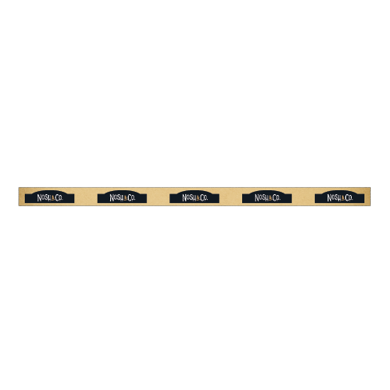
Order Number: | MCK-31761
Company: | Taylor Pharmacy

Item Code | Nosh_DataStrips_Logo
Description | Nosh & Co. - Data Strips / Bandes de données |  | Qty | 6

# of Pages: | 1 | For SM/QM
Colours: | 4/0 | Coating:
Flat Size: | 24" x 1.25" | Layout Orientation: | Sheetwork
Finish Size: | 24" x 1.25" | # of Up: | 8
Stock: | 18pt Gloss C2S Cover | Parent Sheet Size:
Finishing: | Trim | Out:
 |  | Press Sheet Size: | 26" x 13"
 |  | Finished:
 |  | Overs:
Accessory: |  | Gross:

Special Instructions

