Worksheet 1
Press: | Pick & Pack | Number of Items in the order | 1 of 10 |  | Display image:
Order Date: | 2026-08-19 23:37:53 |  |  |  | 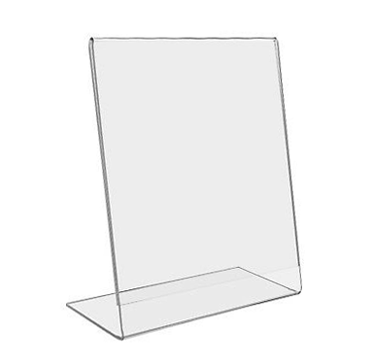
Order Number: | MCK-31754
Company: | Peninsula Pharmacy

Item Code | HW_Desktop_DisplaySign85
Description | Standup Acrylic Desktop Sign Holder, Slanted (Horizontal/Vertical) |  | Qty | 3

# of Pages: |  | For SM/QM
Colours: |  | Coating:
Flat Size: |  | Layout Orientation:
Finish Size: |  | # of Up:
Stock: |  | Parent Sheet Size:
Finishing: |  | Out:
 |  | Press Sheet Size:
 |  | Finished:
 |  | Overs:
Accessory: |  | Gross:

Special Instructions

Press: | Canon | Number of Items in the order | 2 of 10 |  | Display image:
Order Date: | 2026-08-19 23:37:53 |  |  |  | 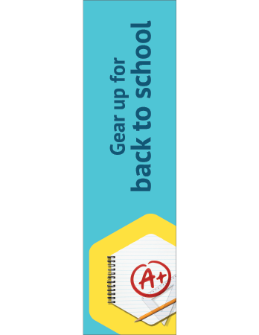
Order Number: | MCK-31754
Company: | Peninsula Pharmacy

Item Code | GIR_BTS_AB
Description | GIR - Back to School Aisle Blade (ENG) |  | Qty | 1

# of Pages: | 1 | For SM/QM
Colours: | 4/4 | Coating:
Flat Size: | 5" x 18" | Layout Orientation:
Finish Size: | 5" x 18" | # of Up:
Stock: | 24pt Gloss C2S Cover | Parent Sheet Size:
Finishing: | Trim to size and provide one clip (KC55) | Out:
 |  | Press Sheet Size:
 |  | Finished:
 |  | Overs:
Accessory: |  | Gross:

Special Instructions

Worksheet 2
Press: | iGen5 | Number of Items in the order | 3 of 10 |  | Display image:
Order Date: | 2026-08-19 23:37:53 |  |  |  | 
Order Number: | MCK-31754
Company: | Peninsula Pharmacy

Item Code | GIR_Summer_dangler
Description | GIR - Summer Dangler (EN) |  | Qty | 4

# of Pages: | 1 | For SM/QM
Colours: | 4/0 | Coating:
Flat Size: | 3.11 x 6.445 | Layout Orientation:
Finish Size: | 3.11 x 6.445 | # of Up: | 5
Stock: | 130lb Gloss C2S Cover | Parent Sheet Size:
Finishing: | Router Cut with 2” lip plus T with d-tape | Out:
 |  | Press Sheet Size: | 18" x 12"
 |  | Finished:
 |  | Overs:
Accessory: |  | Gross:

Special Instructions

Press: | Canon | Number of Items in the order | 4 of 10 |  | Display image:
Order Date: | 2026-08-19 23:37:53 |  |  |  | 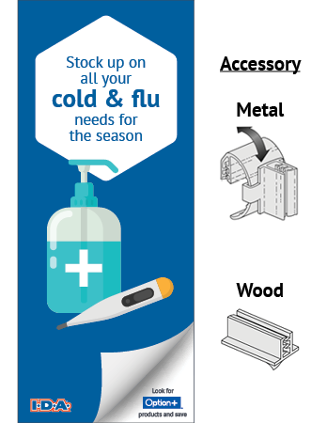
Order Number: | MCK-31754
Company: | Peninsula Pharmacy

Item Code | IDA_ColdFlu_AB
Description | IDA - Cold & Flu - Aisle Blade with Clip (Metal or Wood) |  | Qty | 1

# of Pages: | 1 | For SM/QM
Colours: | 4/4 | Coating:
Flat Size: | 5" x 12" | Layout Orientation:
Finish Size: | 5" x 12" | # of Up:
Stock: | 24pt Gloss C2S Cover | Parent Sheet Size:
Finishing: | Trim to size and provide one clip (KC55 for Metal or KC19-100 for Wood) | Out:
 |  | Press Sheet Size:
 |  | Finished:
 |  | Overs:
Accessory: |  | Gross:

Special Instructions

Worksheet 3
Press: | Canon | Number of Items in the order | 5 of 10 |  | Display image:
Order Date: | 2026-08-19 23:37:53 |  |  |  | 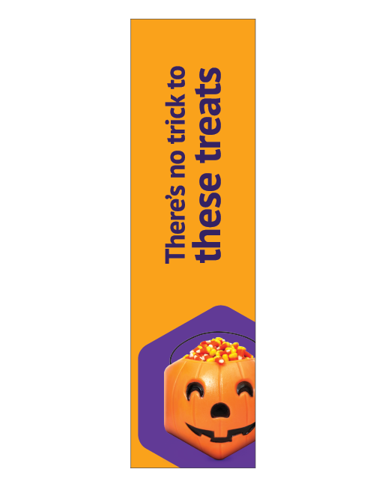
Order Number: | MCK-31754
Company: | Peninsula Pharmacy

Item Code | GIR_Halloween_AB_EN
Description | GIR - Halloween Aisle Blade (ENG) |  | Qty | 1

# of Pages: | 1 | For SM/QM
Colours: | 4/4 | Coating:
Flat Size: | 5" x 18" | Layout Orientation:
Finish Size: | 5" x 18" | # of Up:
Stock: | 24pt Gloss C2S Cover | Parent Sheet Size:
Finishing: | Trim to size and provide one clip (KC55) | Out:
 |  | Press Sheet Size:
 |  | Finished:
 |  | Overs:
Accessory: |  | Gross:

Special Instructions

Press: | iGen5 | Number of Items in the order | 6 of 10 |  | Display image:
Order Date: | 2026-08-19 23:37:53 |  |  |  | 
Order Number: | MCK-31754
Company: | Peninsula Pharmacy

Item Code | GIR_Halloween_Dangler_EN
Description | GIR - Halloween Dangler (EN) |  | Qty | 2

# of Pages: | 1 | For SM/QM
Colours: | 4/0 | Coating:
Flat Size: | 3.11 x 6.445 | Layout Orientation:
Finish Size: | 3.11 x 6.445 | # of Up: | 5
Stock: | 130lb Gloss C2S Cover | Parent Sheet Size:
Finishing: | Router Cut with 2” lip plus T with d-tape | Out:
 |  | Press Sheet Size: | 18" x 12"
 |  | Finished:
 |  | Overs:
Accessory: |  | Gross:

Special Instructions

Worksheet 4
Press: | iGen5 | Number of Items in the order | 7 of 10 |  | Display image:
Order Date: | 2026-08-19 23:37:53 |  |  |  | 
Order Number: | MCK-31754
Company: | Peninsula Pharmacy

Item Code | GIR_Boxing_Dangler_EN
Description | GIR - Boxing Day Dangler (EN) |  | Qty | 2

# of Pages: | 1 | For SM/QM
Colours: | 4/0 | Coating:
Flat Size: | 3.11 x 6.445 | Layout Orientation:
Finish Size: | 3.11 x 6.445 | # of Up: | 5
Stock: | 130lb Gloss C2S Cover | Parent Sheet Size:
Finishing: | Router Cut with 2” lip plus T with d-tape | Out:
 |  | Press Sheet Size: | 18" x 12"
 |  | Finished:
 |  | Overs:
Accessory: |  | Gross:

Special Instructions

Press: | Canon | Number of Items in the order | 8 of 10 |  | Display image:
Order Date: | 2026-08-19 23:37:53 |  |  |  | 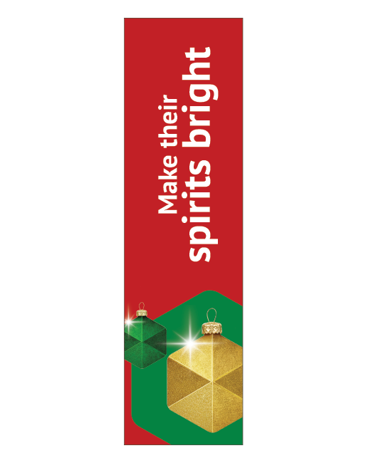
Order Number: | MCK-31754
Company: | Peninsula Pharmacy

Item Code | GIR_Holidays_AB_EN
Description | GIR - Holidays Aisle Blade (EN) |  | Qty | 1

# of Pages: | 1 | For SM/QM
Colours: | 4/4 | Coating:
Flat Size: | 5" x 18" | Layout Orientation:
Finish Size: | 5" x 18" | # of Up:
Stock: | 24pt Gloss C2S Cover | Parent Sheet Size:
Finishing: | Trim to size and provide one clip (KC55) | Out:
 |  | Press Sheet Size:
 |  | Finished:
 |  | Overs:
Accessory: |  | Gross:

Special Instructions

Worksheet 5
Press: | iGen5 | Number of Items in the order | 9 of 10 |  | Display image:
Order Date: | 2026-08-19 23:37:53 |  |  |  | 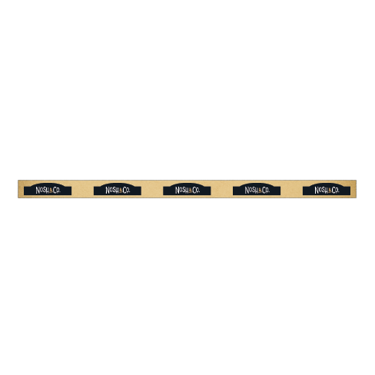
Order Number: | MCK-31754
Company: | Peninsula Pharmacy

Item Code | Nosh_DataStrips_Logo
Description | Nosh & Co. - Data Strips / Bandes de données |  | Qty | 12

# of Pages: | 1 | For SM/QM
Colours: | 4/0 | Coating:
Flat Size: | 24" x 1.25" | Layout Orientation: | Sheetwork
Finish Size: | 24" x 1.25" | # of Up: | 8
Stock: | 18pt Gloss C2S Cover | Parent Sheet Size:
Finishing: | Trim | Out:
 |  | Press Sheet Size: | 26" x 13"
 |  | Finished:
 |  | Overs:
Accessory: |  | Gross:

Special Instructions


Press: | HP | Number of Items in the order | 10 of 10 |  | Display image:
Order Date: | 2026-08-19 23:37:53
Order Number: | MCK-31754
Company: | Peninsula Pharmacy

Item Code | WRP4_clearance
Description | Wing Rack Panel P.O.P. - Clearance |  | Qty | 1

# of Pages: | 1 | For SM/QM
Colours: | 4/0 | Coating:
Flat Size: | 4" x 47" | Layout Orientation:
Finish Size: | 4" x 47" | # of Up:
Stock: | 24pt Gloss C2S Cover | Parent Sheet Size:
Finishing: | Trim, drill 4 holes at the corner with 4 zip ties | Out:
 |  | Press Sheet Size:
 |  | Finished:
 |  | Overs:
Accessory: |  | Gross:

Special Instructions

