Worksheet 1
Press: | Pick & Pack | Number of Items in the order | 1 of 1 |  | Display image:
Order Date: | 2026-08-18 19:24:16 |  |  |  | 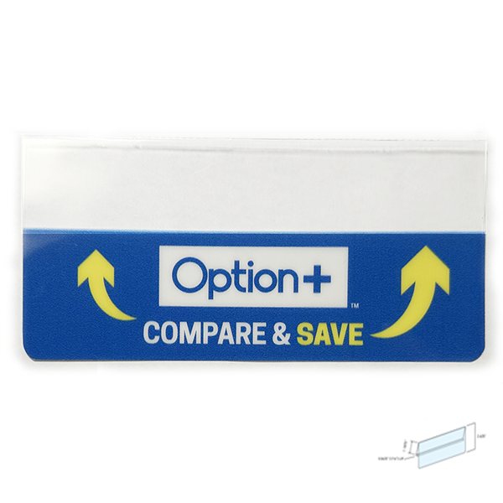
Order Number: | MCK-31750
Company: | Rimbey Guardian Drug Mart

Item Code | Option_CS_ShelfTag_Metal_EN_V1(COB4)
Description | Option+ Compare & Save Shelf Price Tag - Metal (English) |  | Qty | 3

# of Pages: |  | For SM/QM
Colours: |  | Coating:
Flat Size: |  | Layout Orientation:
Finish Size: |  | # of Up:
Stock: |  | Parent Sheet Size:
Finishing: |  | Out:
 |  | Press Sheet Size:
 |  | Finished:
 |  | Overs:
Accessory: |  | Gross:

Special Instructions

