Worksheet 1
Press: | Pick & Pack | Number of Items in the order | 1 of 4 |  | Display image:
Order Date: | 2026-08-18 19:00:46 |  |  |  | 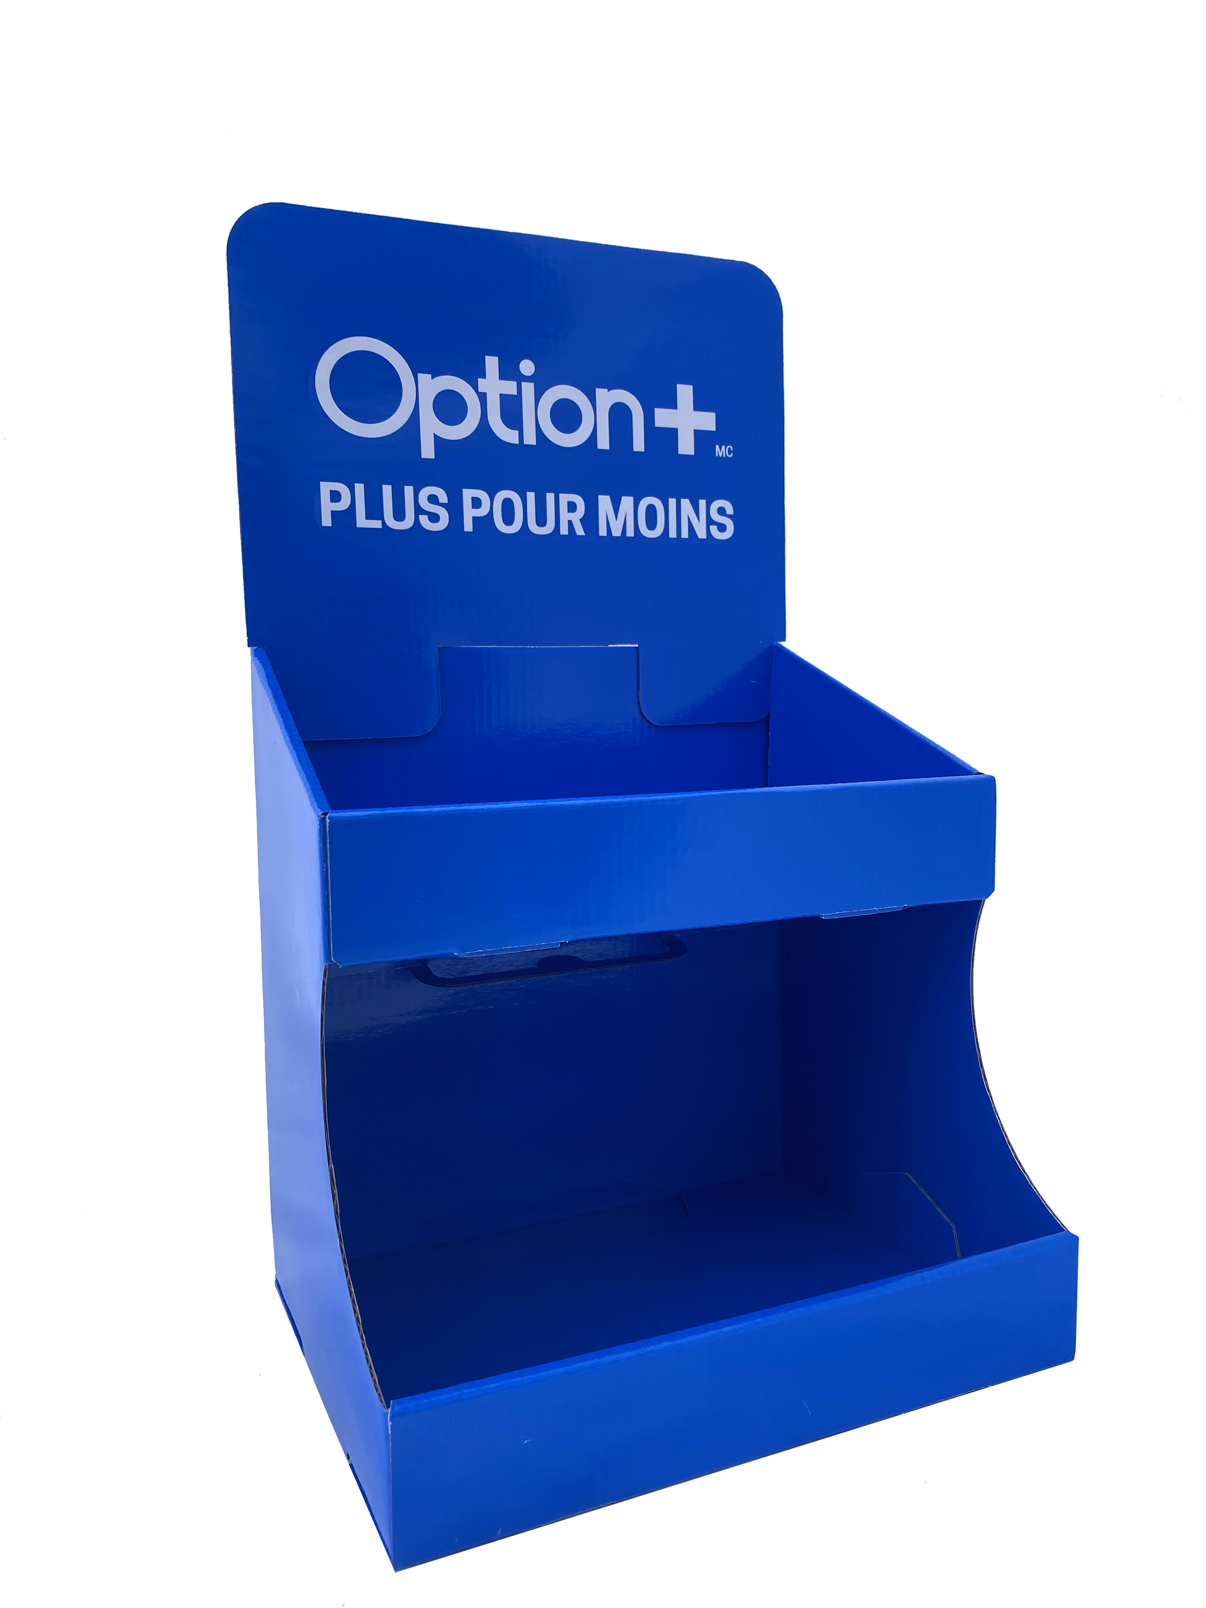
Order Number: | MCK-31749
Company: | Véronique Barrette et Julie Bergeron

Item Code | Option_CounterDisplay_FR_QC_(COB5)
Description | Présentoir de comptoir Option+ - français |  | Qty | 2

# of Pages: |  | For SM/QM
Colours: |  | Coating:
Flat Size: |  | Layout Orientation:
Finish Size: |  | # of Up:
Stock: |  | Parent Sheet Size:
Finishing: |  | Out:
 |  | Press Sheet Size:
 |  | Finished:
 |  | Overs:
Accessory: |  | Gross:

Special Instructions

Press: | iGen5 | Number of Items in the order | 2 of 4 |  | Display image:
Order Date: | 2026-08-18 19:00:46 |  |  |  | 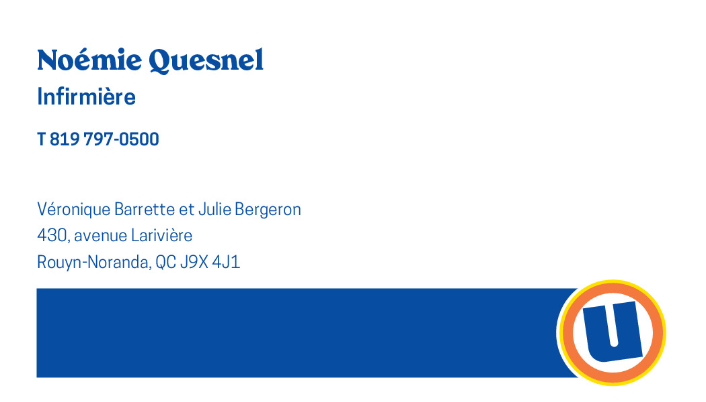
Order Number: | MCK-31749
Company: | Véronique Barrette et Julie Bergeron

Item Code | 5030199
Description | Uniprix - Cartes poste plancher et infirmier recto / verso - Prochain rendez-vous (Noémie Quesnel) |  | Qty | 250

# of Pages: | 2 | For SM/QM
Colours: | 4/4 | Coating:
Flat Size: | 3.5" x 2" | Layout Orientation:
Finish Size: | 3.5" x 2" | # of Up: | 20
Stock: | 130lb Cougar Cover | Parent Sheet Size:
Finishing: | Trim | Out:
 |  | Press Sheet Size: | 18" x 12"
 |  | Finished:
 |  | Overs:
Accessory: |  | Gross:

Special Instructions

Worksheet 2
Press: | iGen5 | Number of Items in the order | 3 of 4 |  | Display image:
Order Date: | 2026-08-18 19:00:46 |  |  |  | 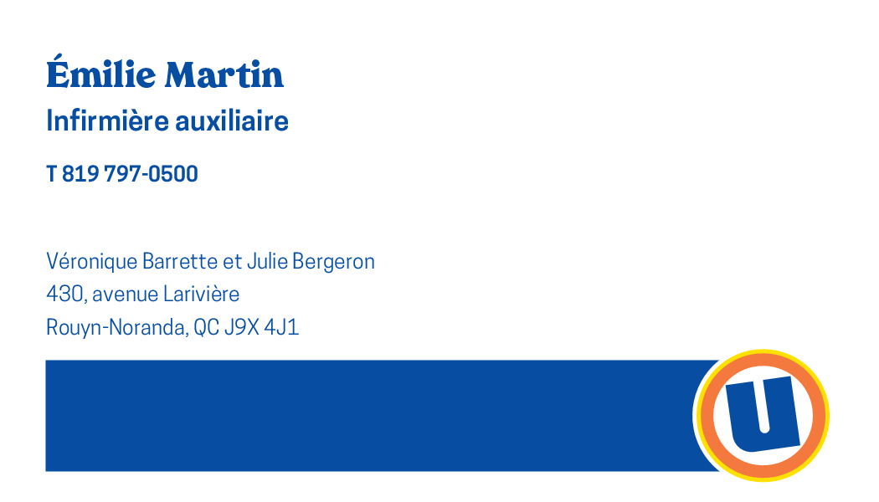
Order Number: | MCK-31749
Company: | Véronique Barrette et Julie Bergeron

Item Code | 5030200
Description | Uniprix - Cartes poste plancher et infirmier recto / verso - Prochain rendez-vous (Émilie Martin) |  | Qty | 250

# of Pages: | 2 | For SM/QM
Colours: | 4/4 | Coating:
Flat Size: | 3.5" x 2" | Layout Orientation:
Finish Size: | 3.5" x 2" | # of Up: | 20
Stock: | 130lb Cougar Cover | Parent Sheet Size:
Finishing: | Trim | Out:
 |  | Press Sheet Size: | 18" x 12"
 |  | Finished:
 |  | Overs:
Accessory: |  | Gross:

Special Instructions

Press: | iGen5 | Number of Items in the order | 4 of 4 |  | Display image:
Order Date: | 2026-08-18 19:00:46 |  |  |  | 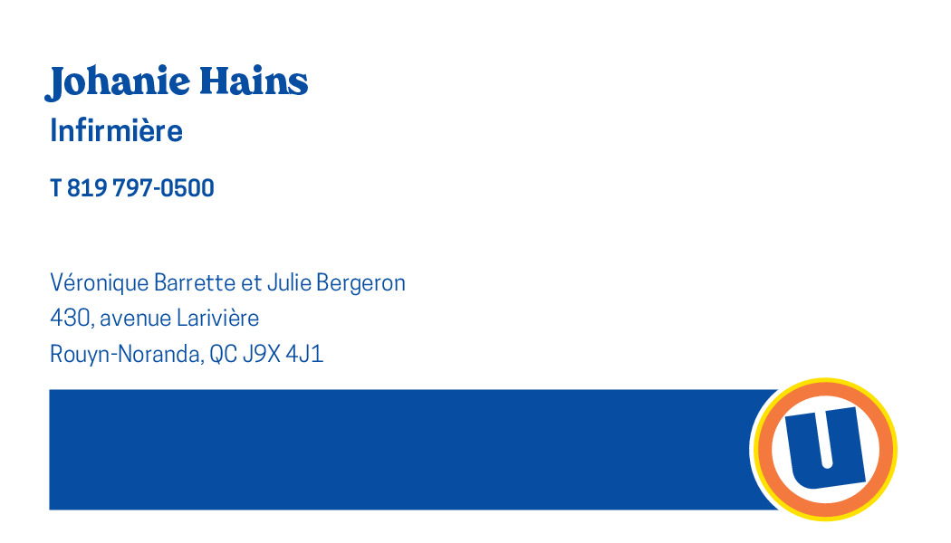
Order Number: | MCK-31749
Company: | Véronique Barrette et Julie Bergeron

Item Code | 5030203
Description | Uniprix - Cartes poste plancher et infirmier recto / verso - Prochain rendez-vous (Johanie Hains) |  | Qty | 250

# of Pages: | 2 | For SM/QM
Colours: | 4/4 | Coating:
Flat Size: | 3.5" x 2" | Layout Orientation:
Finish Size: | 3.5" x 2" | # of Up: | 20
Stock: | 130lb Cougar Cover | Parent Sheet Size:
Finishing: | Trim | Out:
 |  | Press Sheet Size: | 18" x 12"
 |  | Finished:
 |  | Overs:
Accessory: |  | Gross:

Special Instructions

