Worksheet 1
Press: | Pick & Pack | Number of Items in the order | 1 of 12 |  | Display image:
Order Date: | 2026-08-18 14:26:06 |  |  |  | 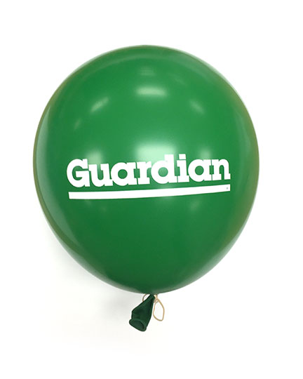
Order Number: | MCK-31747
Company: | St. Stephen Prescription Centre

Item Code | GDNPRO_Balloon_green(COB)
Description | GDN - Balloon Green Colour |  | Qty | 50

# of Pages: | 1 | For SM/QM
Colours: | 1/0 | Coating:
Flat Size: | Standard 12" | Layout Orientation:
Finish Size: | Standard 12" | # of Up:
Stock: | Bulk Order | Parent Sheet Size:
Finishing: |  | Out:
 |  | Press Sheet Size:
 |  | Finished:
 |  | Overs:
Accessory: |  | Gross:

Special Instructions

Press: | Pick & Pack | Number of Items in the order | 2 of 12 |  | Display image:
Order Date: | 2026-08-18 14:26:06 |  |  |  | 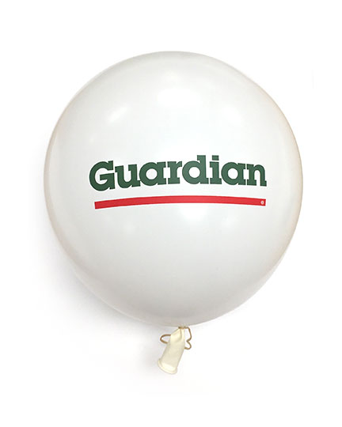
Order Number: | MCK-31747
Company: | St. Stephen Prescription Centre

Item Code | GDNPRO_Balloon_white(COB)
Description | GDN - Balloon White Colour |  | Qty | 50

# of Pages: | 1 | For SM/QM
Colours: | 2/0 | Coating:
Flat Size: | Standard 12" | Layout Orientation:
Finish Size: | Standard 12" | # of Up:
Stock: | Bulk Order | Parent Sheet Size:
Finishing: |  | Out:
 |  | Press Sheet Size:
 |  | Finished:
 |  | Overs:
Accessory: |  | Gross:

Special Instructions

Worksheet 2
Press: | Pick & Pack | Number of Items in the order | 3 of 12 |  | Display image:
Order Date: | 2026-08-18 14:26:06 |  |  |  | 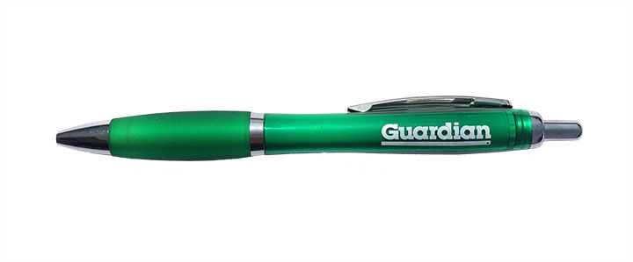
Order Number: | MCK-31747
Company: | St. Stephen Prescription Centre

Item Code | GDNPRO_Pen (COB)
Description | GDN - Pen Salerno |  | Qty | 100

# of Pages: | 1 | For SM/QM
Colours: | 1/0 | Coating:
Flat Size: | NA | Layout Orientation:
Finish Size: | NA | # of Up:
Stock: | Bulk Order | Parent Sheet Size:
Finishing: |  | Out:
 |  | Press Sheet Size:
 |  | Finished:
 |  | Overs:
Accessory: |  | Gross:

Special Instructions

Press: | Canon | Number of Items in the order | 4 of 12 |  | Display image:
Order Date: | 2026-08-18 14:26:06 |  |  |  | 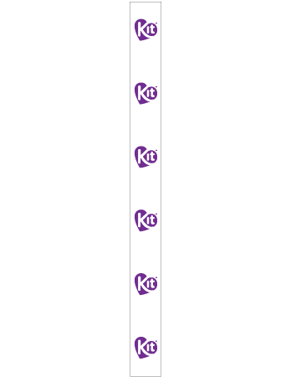
Order Number: | MCK-31747
Company: | St. Stephen Prescription Centre

Item Code | KIT_WingRack5x58_White
Description | Kit – Wing Rack Panel / panneau métallique - 5" x 58" (White/blanc) |  | Qty | 2

# of Pages: | 1 | For SM/QM
Colours: | 4/0 | Coating:
Flat Size: | 5" x 58" | Layout Orientation:
Finish Size: | 5" x 58" | # of Up:
Stock: | 24pt Gloss C2S Cover | Parent Sheet Size:
Finishing: | Trim, drill 4 holes at the corner with 4 zip ties | Out:
 |  | Press Sheet Size:
 |  | Finished:
 |  | Overs:
Accessory: |  | Gross:

Special Instructions

Worksheet 3
Press: | Canon | Number of Items in the order | 5 of 12 |  | Display image:
Order Date: | 2026-08-18 14:26:06 |  |  |  | 
Order Number: | MCK-31747
Company: | St. Stephen Prescription Centre

Item Code | WRP5_Sale
Description | Wing Rack Panel P.O.P. - Sale - 5" x 58" |  | Qty | 2

# of Pages: | 1 | For SM/QM
Colours: | 4/0 | Coating:
Flat Size: | 5" x 58" | Layout Orientation:
Finish Size: | 5" x 58" | # of Up:
Stock: | 24pt Gloss C2S Cover | Parent Sheet Size:
Finishing: | Trim, drill 4 holes at the corner with 4 zip ties | Out:
 |  | Press Sheet Size:
 |  | Finished:
 |  | Overs:
Accessory: |  | Gross:

Special Instructions

Press: | Canon | Number of Items in the order | 6 of 12 |  | Display image:
Order Date: | 2026-08-18 14:26:06 |  |  |  | 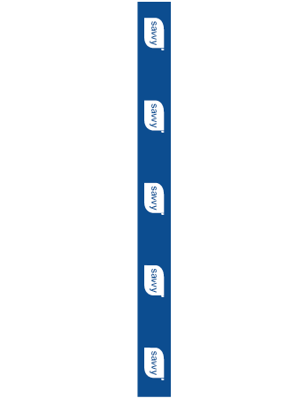
Order Number: | MCK-31747
Company: | St. Stephen Prescription Centre

Item Code | Savvy_WingRack5x58_EN2
Description | savvy – Wing Rack Panel - 5" x 58" (English - Version 2) |  | Qty | 2

# of Pages: | 1 | For SM/QM
Colours: | 4/0 | Coating:
Flat Size: | 5" x 58" | Layout Orientation:
Finish Size: | 5" x 58" | # of Up:
Stock: | 24pt Gloss C2S Cover | Parent Sheet Size:
Finishing: | Trim, drill 4 holes at the corner with 4 zip ties | Out:
 |  | Press Sheet Size:
 |  | Finished:
 |  | Overs:
Accessory: |  | Gross:

Special Instructions

Worksheet 4
Press: | Canon | Number of Items in the order | 7 of 12 |  | Display image:
Order Date: | 2026-08-18 14:26:06 |  |  |  | 
Order Number: | MCK-31747
Company: | St. Stephen Prescription Centre

Item Code | Option_WingRack5x58_EN2
Description | Option+ – Wing Rack Panel - 5" x 58" (English - Version 2) |  | Qty | 2

# of Pages: | 1 | For SM/QM
Colours: | 4/0 | Coating:
Flat Size: | 5" x 58" | Layout Orientation:
Finish Size: | 5" x 58" | # of Up:
Stock: | 24pt Gloss C2S Cover | Parent Sheet Size:
Finishing: | Trim, drill 4 holes at the corner with 4 zip ties | Out:
 |  | Press Sheet Size:
 |  | Finished:
 |  | Overs:
Accessory: |  | Gross:

Special Instructions

Press: | HP | Number of Items in the order | 8 of 12 |  | Display image:
Order Date: | 2026-08-18 14:26:06 |  |  |  | 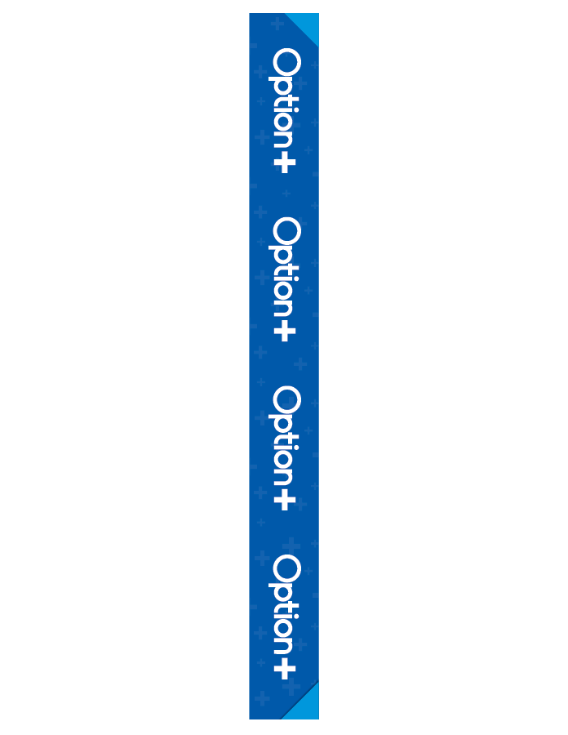
Order Number: | MCK-31747
Company: | St. Stephen Prescription Centre

Item Code | WRP4_Option
Description | Wing Rack Panel P.O.P. - Option+<sup>TM</sup> |  | Qty | 2

# of Pages: | 1 | For SM/QM
Colours: | 4/0 | Coating:
Flat Size: | 4" x 47" | Layout Orientation:
Finish Size: | 4" x 47" | # of Up:
Stock: | 24pt Gloss C2S Cover | Parent Sheet Size:
Finishing: | Trim, drill 4 holes at the corner with 4 zip ties | Out:
 |  | Press Sheet Size:
 |  | Finished:
 |  | Overs:
Accessory: |  | Gross:

Special Instructions

Worksheet 5

Press: | HP | Number of Items in the order | 9 of 12 |  | Display image:
Order Date: | 2026-08-18 14:26:06
Order Number: | MCK-31747
Company: | St. Stephen Prescription Centre

Item Code | WRP4_Sale
Description | Wing Rack Panel P.O.P. - Sale |  | Qty | 2

# of Pages: | 1 | For SM/QM
Colours: | 4/0 | Coating:
Flat Size: | 4 x 47 | Layout Orientation:
Finish Size: | 4 x 47 | # of Up:
Stock: | 24pt Gloss C2S Cover | Parent Sheet Size:
Finishing: | Trim, drill 4 holes at the corner with 4 zip ties | Out:
 |  | Press Sheet Size:
 |  | Finished:
 |  | Overs:
Accessory: |  | Gross:

Special Instructions

Press: | Epson | Number of Items in the order | 10 of 12 |  | Display image:
Order Date: | 2026-08-18 14:26:06 |  |  |  | 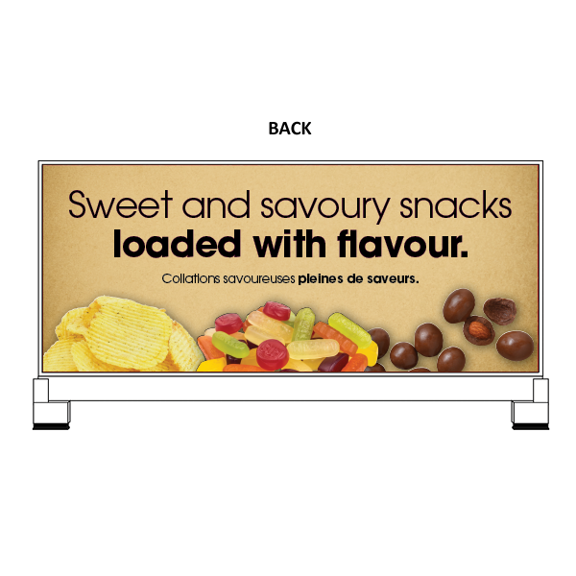
Order Number: | MCK-31747
Company: | St. Stephen Prescription Centre

Item Code | Nosh_Co_PriceBoard_Slot3_30x12_ROC_BIL
Description | Nosh & Co. - Price Board Insert – Slot 3 (Bilingual) |  | Qty | 1

# of Pages: | 1 | For SM/QM
Colours: | 4/0 | Coating:
Flat Size: | 30 x 12.5 | Layout Orientation:
Finish Size: | 30 x 12.5 | # of Up:
Stock: | 10mil Endura Paper Poster | Parent Sheet Size:
Finishing: | Trim | Out:
 |  | Press Sheet Size:
 |  | Finished:
 |  | Overs:
Accessory: |  | Gross:

Special Instructions

Worksheet 6
Press: | Epson | Number of Items in the order | 11 of 12 |  | Display image:
Order Date: | 2026-08-18 14:26:06 |  |  |  | 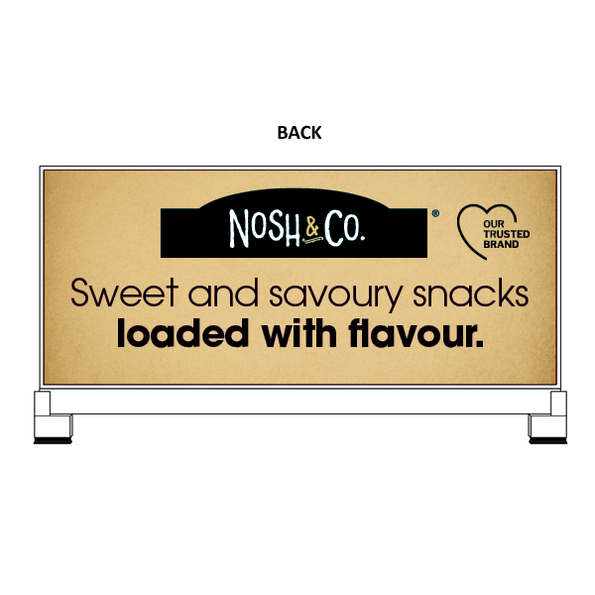
Order Number: | MCK-31747
Company: | St. Stephen Prescription Centre

Item Code | Nosh_Co_PriceBoard_Slot3_30x12_ROC_EN1
Description | Nosh & Co. - Price Board Insert – Slot 3 (English - Version 1) |  | Qty | 1

# of Pages: | 1 | For SM/QM
Colours: | 4/0 | Coating:
Flat Size: | 30 x 12.5 | Layout Orientation:
Finish Size: | 30 x 12.5 | # of Up:
Stock: | 10mil Endura Paper Poster | Parent Sheet Size:
Finishing: | Trim | Out:
 |  | Press Sheet Size:
 |  | Finished:
 |  | Overs:
Accessory: |  | Gross:

Special Instructions

Press: | Epson | Number of Items in the order | 12 of 12 |  | Display image:
Order Date: | 2026-08-18 14:26:06 |  |  |  | 
Order Number: | MCK-31747
Company: | St. Stephen Prescription Centre

Item Code | Nosh_Co_PriceBoard_Slot3_30x12_ROC_EN2
Description | Nosh & Co. - Price Board Insert – Slot 3 (English - Version 2) |  | Qty | 1

# of Pages: | 1 | For SM/QM
Colours: | 4/0 | Coating:
Flat Size: | 30 x 12.5 | Layout Orientation:
Finish Size: | 30 x 12.5 | # of Up:
Stock: | 10mil Endura Paper Poster | Parent Sheet Size:
Finishing: | Trim | Out:
 |  | Press Sheet Size:
 |  | Finished:
 |  | Overs:
Accessory: |  | Gross:

Special Instructions

