Worksheet 1
Press: | Epson | Number of Items in the order | 1 of 1 |  | Display image:
Order Date: | 2026-08-12 13:52:50 |  |  |  | 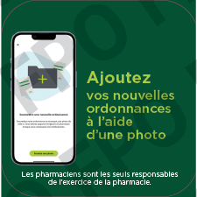
Order Number: | MCK-31735
Company: | Josiane Coutu et Maude Généreux

Item Code | PXM_MobileApp_Reflex_Decal_10x10_FR_V5
Description | Proxim – Autocollants murs / sol et planchers reflex 10’’ x 10’’ (version 5) – version française |  | Qty | 1

# of Pages: |  | For SM/QM
Colours: | 4/0 | Coating:
Flat Size: | 10" x 10" | Layout Orientation:
Finish Size: | 10" x 10" | # of Up:
Stock: | Wall Decal (3mil Matte Removable Adhesive) | Parent Sheet Size:
Finishing: | Matte Lamination 1 Side, Router cut (Round corners) | Out:
 |  | Press Sheet Size:
 |  | Finished:
 |  | Overs:
Accessory: |  | Gross:

Special Instructions

