Worksheet 1
Press: | HP | Number of Items in the order | 1 of 6 |  | Display image:
Order Date: | 2026-08-11 21:51:13 |  |  |  | 
Order Number: | MCK-31734
Company: | Store# 343

Item Code | MSC_App_Aframe
Description | MSC - App A-Frame Insert (Single Sided) |  | Qty | 1

# of Pages: | 1 | For SM/QM
Colours: | 4/0 | Coating:
Flat Size: | 24" x 36" | Layout Orientation:
Finish Size: | 24" x 36" | # of Up:
Stock: | 4mm White Coroplast | Parent Sheet Size:
Finishing: | Trim to size | Out:
 |  | Press Sheet Size:
 |  | Finished:
 |  | Overs:
Accessory: |  | Gross:

Special Instructions

Press: | HP | Number of Items in the order | 2 of 6 |  | Display image:
Order Date: | 2026-08-11 21:51:13 |  |  |  | 
Order Number: | MCK-31734
Company: | Store# 343

Item Code | MSC_BlisterPak_Aframe
Description | MSC - Blister Packaging A-Frame Insert (Single Sided, 1 piece per order) |  | Qty | 1

# of Pages: | 1 | For SM/QM
Colours: | 4/0 | Coating:
Flat Size: | 24" x 36" | Layout Orientation:
Finish Size: | 24" x 36" | # of Up:
Stock: | 4mm White Coroplast | Parent Sheet Size:
Finishing: | Trim to size | Out:
 |  | Press Sheet Size:
 |  | Finished:
 |  | Overs:
Accessory: |  | Gross:

Special Instructions

Worksheet 2
Press: | iGen5 | Number of Items in the order | 3 of 6 |  | Display image:
Order Date: | 2026-08-11 21:51:13 |  |  |  | 
Order Number: | MCK-31734
Company: | Store# 343

Item Code | 5030128
Description | MSC - Minor/Common Ailments Bagclipper |  | Qty | 250

# of Pages: | 1 | For SM/QM
Colours: | 4/0 | Coating:
Flat Size: | 4" x 6" | Layout Orientation:
Finish Size: | 4" x 6" | # of Up:
Stock: | 80lb Gloss Text | Parent Sheet Size:
Finishing: | Trim to size | Out:
 |  | Press Sheet Size:
 |  | Finished:
 |  | Overs:
Accessory: |  | Gross:

Special Instructions

Press: | Epson | Number of Items in the order | 4 of 6 |  | Display image:
Order Date: | 2026-08-11 21:51:13 |  |  |  | 
Order Number: | MCK-31734
Company: | Store# 343

Item Code | 5030130
Description | MSC - Minor/Common Ailments Snap Frame Insert |  | Qty | 1

# of Pages: | 1 | For SM/QM
Colours: | 4/0 | Coating:
Flat Size: | 22.5" x 30.5 | Layout Orientation:
Finish Size: | 22.5" x 30.5 | # of Up:
Stock: | 10mil Endura Paper Poster | Parent Sheet Size:
Finishing: | Trim to size | Out:
 |  | Press Sheet Size:
 |  | Finished:
 |  | Overs:
Accessory: |  | Gross:

Special Instructions

Worksheet 3
Press: | Epson | Number of Items in the order | 5 of 6 |  | Display image:
Order Date: | 2026-08-11 21:51:13 |  |  |  | 
Order Number: | MCK-31734
Company: | Store# 343

Item Code | MSC_SerBlisterPo_225x305
Description | MSC - Blister Pack Poster |  | Qty | 1

# of Pages: | 1 | For SM/QM
Colours: | 4/0 | Coating:
Flat Size: | 22.5" x 30.5" | Layout Orientation:
Finish Size: | 22.5" x 30.5" | # of Up:
Stock: | 10mil Endura Paper Poster | Parent Sheet Size:
Finishing: | Trim to size | Out:
 |  | Press Sheet Size:
 |  | Finished:
 |  | Overs:
Accessory: |  | Gross:

Special Instructions

Press: | iGen5 | Number of Items in the order | 6 of 6 |  | Display image:
Order Date: | 2026-08-11 21:51:13 |  |  |  | 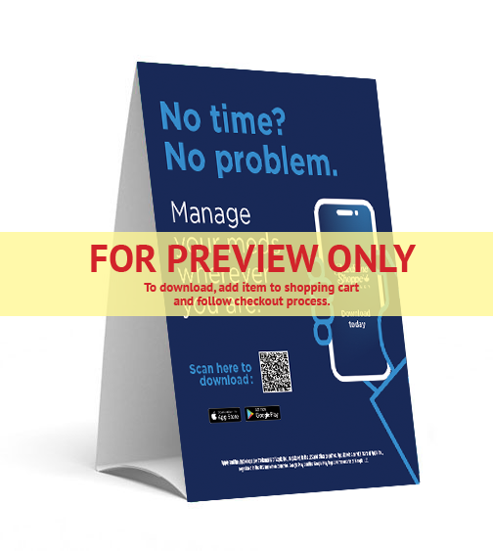
Order Number: | MCK-31734
Company: | Store# 343

Item Code | MobApp_TentC_MSC_EN
Description | Mobile App Tent Card - English |  | Qty | 1

# of Pages: | 1 | For SM/QM
Colours: | 4/0 | Coating:
Flat Size: | 25.5” x 8” | Layout Orientation:
Finish Size: | 8" x 10" | # of Up:
Stock: | 24pt Gloss Cover | Parent Sheet Size:
Finishing: | Die Cut Slits, core x 3, Fold in Half, Leave Flat | Out:
 |  | Press Sheet Size:
 |  | Finished:
 |  | Overs:
Accessory: |  | Gross:

Special Instructions

