Worksheet 1
Press: | iGen5 | Number of Items in the order | 1 of 2 |  | Display image:
Order Date: | 2026-08-10 20:57:31 |  |  |  | 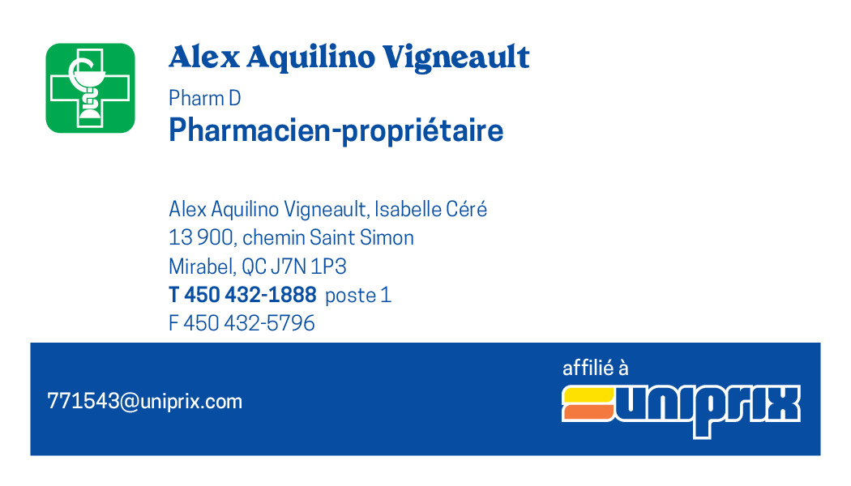
Order Number: | MCK-31730
Company: | Alex Aquilino Vigneault, Isabelle Céré pharmaciens inc.

Item Code | 5030146
Description | Uniprix – Cartes pharmaciens recto/verso – Heures d’ouverture (Alex Aquilino Vigneault) |  | Qty | 250

# of Pages: | 2 | For SM/QM
Colours: | 4/4 | Coating:
Flat Size: | 3.5" x 2" | Layout Orientation:
Finish Size: | 3.5" x 2" | # of Up: | 20
Stock: | 130lb Cougar Cover | Parent Sheet Size:
Finishing: | Trim | Out:
 |  | Press Sheet Size: | 18" x 12"
 |  | Finished:
 |  | Overs:
Accessory: |  | Gross:

Special Instructions

Press: | iGen5 | Number of Items in the order | 2 of 2 |  | Display image:
Order Date: | 2026-08-10 20:57:31 |  |  |  | 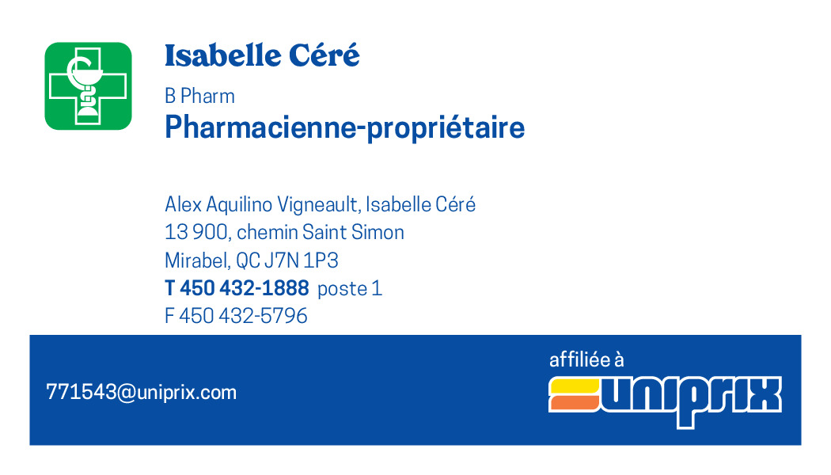
Order Number: | MCK-31730
Company: | Alex Aquilino Vigneault, Isabelle Céré pharmaciens inc.

Item Code | 5030147
Description | Uniprix – Cartes pharmaciens recto/verso – Heures d’ouverture (Isabelle Céré) |  | Qty | 250

# of Pages: | 2 | For SM/QM
Colours: | 4/4 | Coating:
Flat Size: | 3.5" x 2" | Layout Orientation:
Finish Size: | 3.5" x 2" | # of Up: | 20
Stock: | 130lb Cougar Cover | Parent Sheet Size:
Finishing: | Trim | Out:
 |  | Press Sheet Size: | 18" x 12"
 |  | Finished:
 |  | Overs:
Accessory: |  | Gross:

Special Instructions

