Worksheet 1
Press: | Pick & Pack | Number of Items in the order | 1 of 1 |  | Display image:
Order Date: | 2026-08-10 19:46:19 |  |  |  | 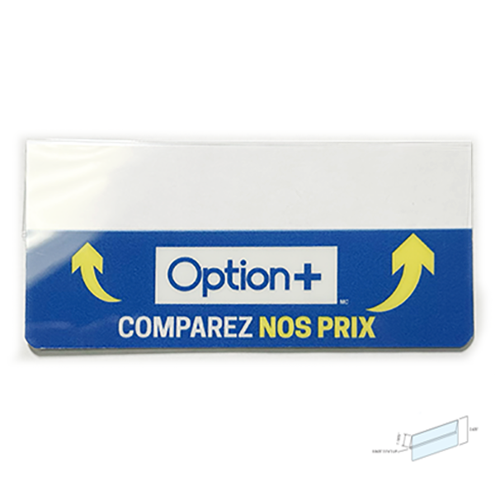
Order Number: | MCK-31728
Company: | Creative Path Digital Imaging Inc.

Item Code | Option_CS_ShelfTag_Metal_QFR_V3(COB4)
Description | Option+ Comparez nos prix enseignes de tablette - français |  | Qty | 1

# of Pages: |  | For SM/QM
Colours: |  | Coating:
Flat Size: |  | Layout Orientation:
Finish Size: |  | # of Up:
Stock: |  | Parent Sheet Size:
Finishing: |  | Out:
 |  | Press Sheet Size:
 |  | Finished:
 |  | Overs:
Accessory: |  | Gross:

Special Instructions

