Worksheet 1
Press: | iGen5 | Number of Items in the order | 1 of 2 |  | Display image:
Order Date: | 2026-08-09 18:01:25 |  |  |  | 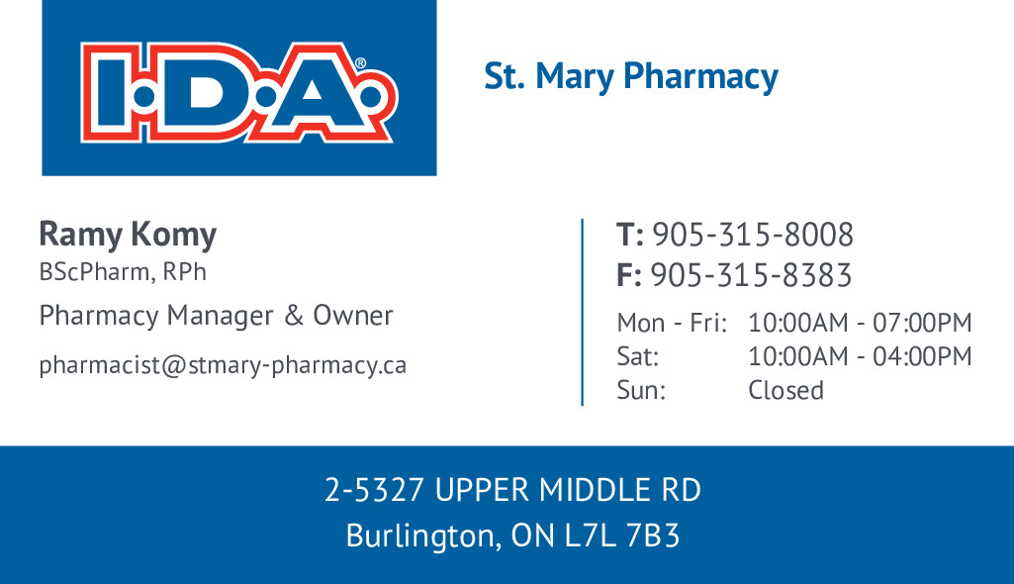
Order Number: | MCK-31719
Company: | St. Mary Pharmacy

Item Code | 5030141
Description | IDA Business Card Template with Operating Hours (Ramy Komy) |  | Qty | 500

# of Pages: | 2 | For SM/QM
Colours: | 4/4 | Coating:
Flat Size: | 3.5" x 2" | Layout Orientation: | Sheetwork
Finish Size: | 3.5" x 2" | # of Up: | 20
Stock: | IDA Shell (130lb Gloss C2S Cover) | Parent Sheet Size:
Finishing: | Trim to Size | Out:
 |  | Press Sheet Size: | 18" x 12"
 |  | Finished:
 |  | Overs:
Accessory: |  | Gross:

Special Instructions

Press: | QM | Number of Items in the order | 2 of 2 |  | Display image:
Order Date: | 2026-08-09 18:01:25 |  |  |  | 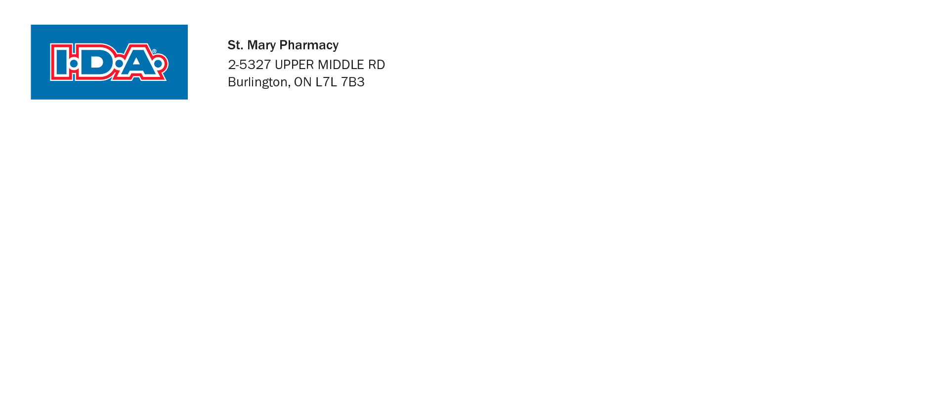
Order Number: | MCK-31719
Company: | St. Mary Pharmacy

Item Code | 5030142
Description | IDA - No. 10 Envelope |  | Qty | 500

# of Pages: | 1 | For SM/QM
Colours: | 1 PMS Cool Grey 10) | Coating:
Flat Size: | 9.5" x4.13" | Layout Orientation:
Finish Size: | 9.5" x4.13" | # of Up: | 1
Stock: | IDA No.10 Envelope Shell | Parent Sheet Size:
Finishing: |  | Out:
 |  | Press Sheet Size:
 |  | Finished:
 |  | Overs:
Accessory: |  | Gross:

Special Instructions

