Worksheet 1
Press: | Epson | Number of Items in the order | 1 of 3 |  | Display image:
Order Date: | 2026-08-07 17:44:32 |  |  |  | 
Order Number: | MCK-31717
Company: | Jean-Sébastien Blais, Joanie Lebreux et Guillaume Latulippe Inc.

Item Code | Flu_PXM_Po19_FR_0922
Description | Proxim – Faites-vous vacciner - Affiche - version française |  | Qty | 1

# of Pages: | 1 | For SM/QM
Colours: | 4/0 | Coating:
Flat Size: | 19.5" x 28" | Layout Orientation:
Finish Size: | 19.5" x 28" | # of Up:
Stock: | 10mil Endura Poster Paper | Parent Sheet Size:
Finishing: | Trim, Drill 2 holes & Supply suction cups | Out:
 |  | Press Sheet Size:
 |  | Finished:
 |  | Overs:
Accessory: |  | Gross:

Special Instructions

Press: | iGen4 | Number of Items in the order | 2 of 3 |  | Display image:
Order Date: | 2026-08-07 17:44:32 |  |  |  | 
Order Number: | MCK-31717
Company: | Jean-Sébastien Blais, Joanie Lebreux et Guillaume Latulippe Inc.

Item Code | PXM_Vacc_sPo_FR
Description | Affiche vaccination (8.5’’ x 11 ‘’) – Version française |  | Qty | 2

# of Pages: | 1 | For SM/QM
Colours: | 4/0 | Coating:
Flat Size: | 8.5" x 11" | Layout Orientation:
Finish Size: | 8.5" x 11" | # of Up: | 2
Stock: | 80lb Gloss Text | Parent Sheet Size:
Finishing: | Trim | Out:
 |  | Press Sheet Size: | 18" x 12"
 |  | Finished:
 |  | Overs:
Accessory: |  | Gross:

Special Instructions

Worksheet 2
Press: | iGen5 | Number of Items in the order | 3 of 3 |  | Display image:
Order Date: | 2026-08-07 17:44:32 |  |  |  | 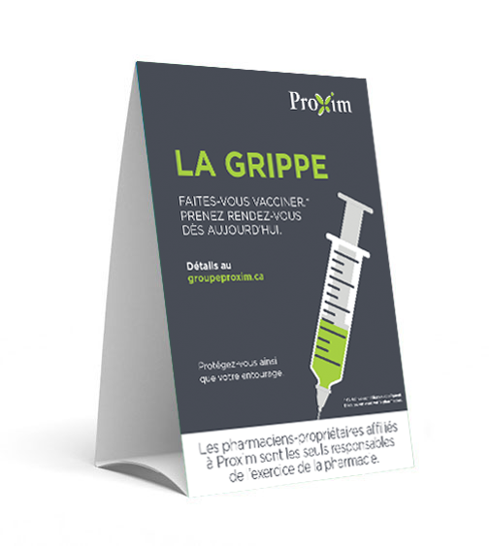
Order Number: | MCK-31717
Company: | Jean-Sébastien Blais, Joanie Lebreux et Guillaume Latulippe Inc.

Item Code | Flu_PXM_TentC_FR_0922
Description | Proxim – Faites-vous vacciner - Carton-tente - version française |  | Qty | 1

# of Pages: | 1 | For SM/QM
Colours: | 4/0 | Coating:
Flat Size: | 5" x 19" | Layout Orientation: | Sheetwork
Finish Size: | 5" x 7" | # of Up:
Stock: | 130lb Gloss Cover | Parent Sheet Size:
Finishing: | Router Score x 3 (2.5" + 7" + 7" + 2.5"), Cut Slits on Top and Bottom, Fold to Fit into Box | Out:
 |  | Press Sheet Size: | 24" x 12"
 |  | Finished:
 |  | Overs:
Accessory: |  | Gross:

Special Instructions

