Worksheet 1
Press: | Pick & Pack | Number of Items in the order | 1 of 4 |  | Display image:
Order Date: | 2026-08-05 20:57:32 |  |  |  | 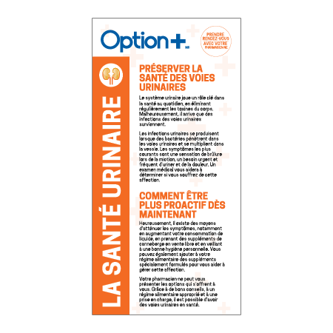
Order Number: | MCK-31709
Company: | Gaétan Couillard

Item Code | Option_Pamphlet_Urinary_FR(COB5)
Description | Option + Brochure la santé urinaire - 1 volet (1 lot de 15) |  | Qty | 2

# of Pages: |  | For SM/QM
Colours: | 4+4 | Coating:
Flat Size: | 4” x 8 | Layout Orientation:
Finish Size: | 12” x 8 | # of Up:
Stock: | 60lb Uncoated Text | Parent Sheet Size:
Finishing: | Trim to Final Size with or without Bifold or Trifold to Final Size, Elastic Bundle in 15s | Out:
 |  | Press Sheet Size:
 |  | Finished:
 |  | Overs:
Accessory: |  | Gross:

Special Instructions

Press: | iGen5 | Number of Items in the order | 2 of 4 |  | Display image:
Order Date: | 2026-08-05 20:57:32 |  |  |  | 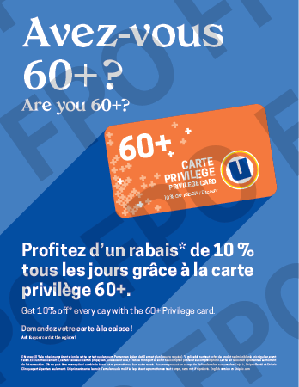
Order Number: | MCK-31709
Company: | Gaétan Couillard

Item Code | UX_Privilege60_Po85_BIL
Description | Uniprix - Affiche comptoir-caisse – 8,5 x 11 – version bilingue |  | Qty | 1

# of Pages: | 1 | For SM/QM
Colours: | 4/0 | Coating:
Flat Size: | 8.5" x 11" | Layout Orientation:
Finish Size: | 8.5" x 11" | # of Up: | 2 (IGen)
Stock: | 24pt Cover | Parent Sheet Size:
Finishing: | Trim to size, Apply 7" Easel Back | Out:
 |  | Press Sheet Size:
 |  | Finished:
 |  | Overs:
Accessory: | Apply 7" Easel Back | Gross:

Special Instructions

Worksheet 2
Press: | Pick & Pack | Number of Items in the order | 3 of 4 |  | Display image:
Order Date: | 2026-08-05 20:57:32 |  |  |  | 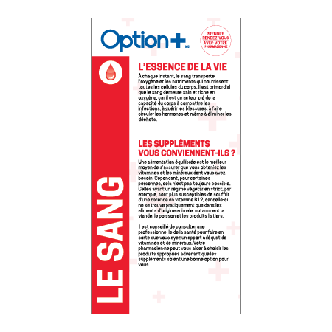
Order Number: | MCK-31709
Company: | Gaétan Couillard

Item Code | Option_Pamphlet_Blood_FR(COB5)
Description | Option + Brochure le sang - 2 volets (1 lot de 15) |  | Qty | 1

# of Pages: |  | For SM/QM
Colours: | 4+4 | Coating:
Flat Size: | 4” x 8 | Layout Orientation:
Finish Size: | 12” x 8 | # of Up:
Stock: | 60lb Uncoated Text | Parent Sheet Size:
Finishing: | Trim to Final Size with or without Bifold or Trifold to Final Size, Elastic Bundle in 15s | Out:
 |  | Press Sheet Size:
 |  | Finished:
 |  | Overs:
Accessory: |  | Gross:

Special Instructions

Press: | Pick & Pack | Number of Items in the order | 4 of 4 |  | Display image:
Order Date: | 2026-08-05 20:57:32 |  |  |  | 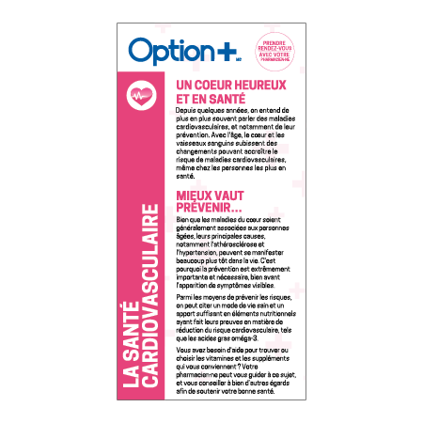
Order Number: | MCK-31709
Company: | Gaétan Couillard

Item Code | Option_Pamphlet_Cardiovascular_FR(COB5)
Description | Option + Brochure la santé cardiovasculaire - 2 volets (1 lot de 15) |  | Qty | 1

# of Pages: |  | For SM/QM
Colours: | 4+4 | Coating:
Flat Size: | 4” x 8 | Layout Orientation:
Finish Size: | 12” x 8 | # of Up:
Stock: | 60lb Uncoated Text | Parent Sheet Size:
Finishing: | Trim to Final Size with or without Bifold or Trifold to Final Size, Elastic Bundle in 15s | Out:
 |  | Press Sheet Size:
 |  | Finished:
 |  | Overs:
Accessory: |  | Gross:

Special Instructions

