Worksheet 1
Press: |  | Number of Items in the order | 1 of 2 |  | Display image:
Order Date: | 2026-08-05 19:01:39 |  |  |  | 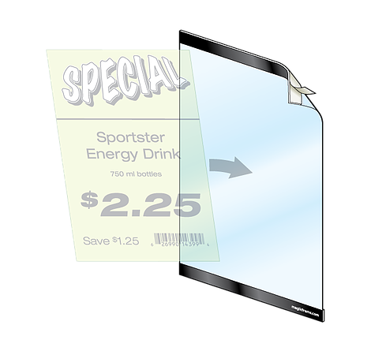
Order Number: | MCK-31708
Company: | Regent Park Pharmacy

Item Code | HW_MagicFrame
Description | Magic Frame |  | Qty | 3

# of Pages: |  | For SM/QM
Colours: |  | Coating:
Flat Size: |  | Layout Orientation:
Finish Size: |  | # of Up:
Stock: |  | Parent Sheet Size:
Finishing: |  | Out:
 |  | Press Sheet Size:
 |  | Finished:
 |  | Overs:
Accessory: |  | Gross:

Special Instructions

Press: | iGen5 | Number of Items in the order | 2 of 2 |  | Display image:
Order Date: | 2026-08-05 19:01:39 |  |  |  | 
Order Number: | MCK-31708
Company: | Regent Park Pharmacy

Item Code | GDN_Eflyer_promo_Po11
Description | GDN - E-Flyer - 11" x 17" Poster |  | Qty | 2

# of Pages: | 1 | For SM/QM
Colours: | 4/0 | Coating:
Flat Size: | 11" x 17" | Layout Orientation:
Finish Size: | 11" x 17" | # of Up: | 1
Stock: | 10pt Gloss Cover | Parent Sheet Size:
Finishing: | Trim | Out:
 |  | Press Sheet Size: | 18" x 12"
 |  | Finished:
 |  | Overs:
Accessory: |  | Gross:

Special Instructions

