Worksheet 1
Press: | Pick & Pack | Number of Items in the order | 1 of 7 |  | Display image:
Order Date: | 2026-08-05 18:12:49 |  |  |  | 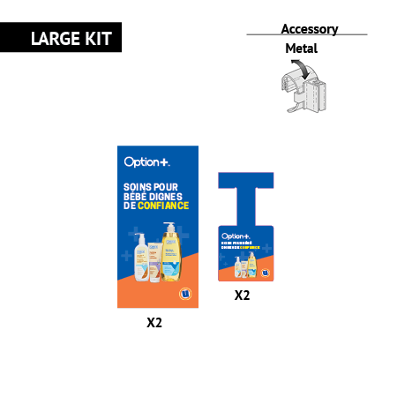
Order Number: | MCK-31706
Company: | Pharmacie Pierre‑Luc Boivin, Émilie Caron et Joanie Gaudreault S.E.N.C.

Item Code | Option_LargeKit_BabyCare_Wave1_UX_FR
Description | Baby Care P.O.P Kit - Large Kit - Uniprix (French) |  | Qty | 1

# of Pages: | 1 | For SM/QM
Colours: |  | Coating:
Flat Size: |  | Layout Orientation:
Finish Size: |  | # of Up:
Stock: |  | Parent Sheet Size:
Finishing: | Ask Menei for the Kit (Kit Included: Aisle Blades x 2 (with 2 clips per sign), Danglers x 2) | Out:
 |  | Press Sheet Size:
 |  | Finished:
 |  | Overs:
Accessory: |  | Gross:

Special Instructions

Press: | Pick & Pack | Number of Items in the order | 2 of 7 |  | Display image:
Order Date: | 2026-08-05 18:12:49 |  |  |  | 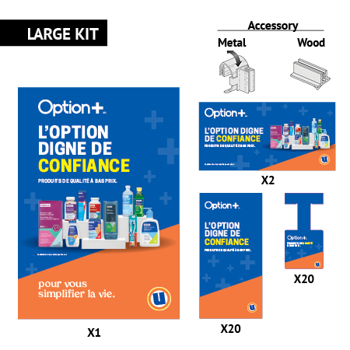
Order Number: | MCK-31706
Company: | Pharmacie Pierre‑Luc Boivin, Émilie Caron et Joanie Gaudreault S.E.N.C.

Item Code | Option_LargeKit_Everyday_Wave1_UX_FR
Description | Everyday P.O.P Kit - Large Kit -Uniprix (French) |  | Qty | 1

# of Pages: | 1 | For SM/QM
Colours: |  | Coating:
Flat Size: |  | Layout Orientation:
Finish Size: |  | # of Up:
Stock: |  | Parent Sheet Size:
Finishing: | Ask Menei for the Kit (Kit Included: Window Poster x1 (with 4 suction cups), Aisle Blades x 20 (with 2 clips per sign), Danglers x 20 & Clings 2) | Out:
 |  | Press Sheet Size:
 |  | Finished:
 |  | Overs:
Accessory: |  | Gross:

Special Instructions

Worksheet 2
Press: | Pick & Pack | Number of Items in the order | 3 of 7 |  | Display image:
Order Date: | 2026-08-05 18:12:49 |  |  |  | 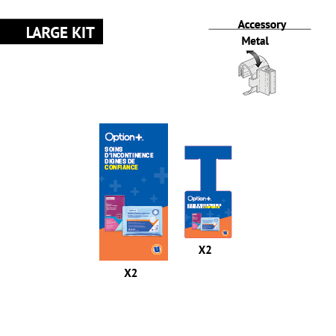
Order Number: | MCK-31706
Company: | Pharmacie Pierre‑Luc Boivin, Émilie Caron et Joanie Gaudreault S.E.N.C.

Item Code | Option_LargeKit_Incontinence_Wave1_UX_FR
Description | Incontinence P.O.P Kit - Large Kit - Uniprix (French) |  | Qty | 1

# of Pages: | 1 | For SM/QM
Colours: |  | Coating:
Flat Size: |  | Layout Orientation:
Finish Size: |  | # of Up:
Stock: |  | Parent Sheet Size:
Finishing: | Ask Menei for the Kit (Kit Included: Aisle Blades x 2 (with 2 clips per sign), Danglers x 2) | Out:
 |  | Press Sheet Size:
 |  | Finished:
 |  | Overs:
Accessory: |  | Gross:

Special Instructions

Press: | Pick & Pack | Number of Items in the order | 4 of 7 |  | Display image:
Order Date: | 2026-08-05 18:12:49 |  |  |  | 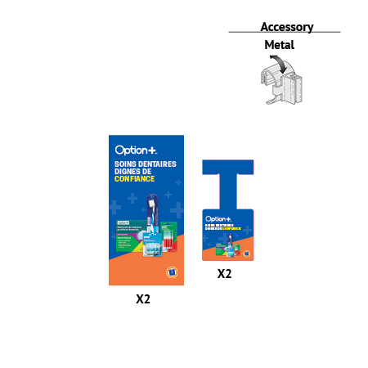
Order Number: | MCK-31706
Company: | Pharmacie Pierre‑Luc Boivin, Émilie Caron et Joanie Gaudreault S.E.N.C.

Item Code | Option_OralCare_Wave2_UX_FR
Description | Oral Care P.O.P Kit - Uniprix (French) |  | Qty | 1

# of Pages: | 1 | For SM/QM
Colours: |  | Coating:
Flat Size: |  | Layout Orientation:
Finish Size: |  | # of Up:
Stock: |  | Parent Sheet Size:
Finishing: | Ask Menei for the Kit (Kit Included: Aisle Blades x 2 (with 2 clips per sign), Danglers x 2) | Out:
 |  | Press Sheet Size:
 |  | Finished:
 |  | Overs:
Accessory: |  | Gross:

Special Instructions

Worksheet 3
Press: | Pick & Pack | Number of Items in the order | 5 of 7 |  | Display image:
Order Date: | 2026-08-05 18:12:49 |  |  |  | 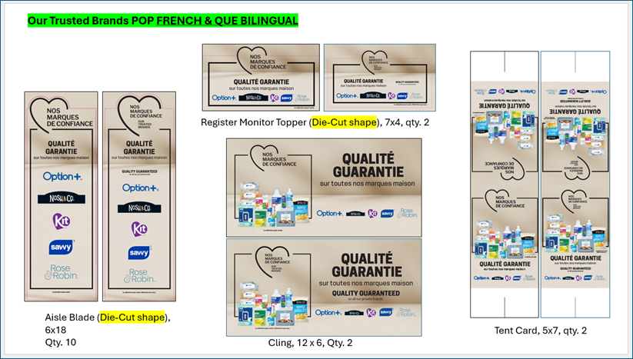
Order Number: | MCK-31706
Company: | Pharmacie Pierre‑Luc Boivin, Émilie Caron et Joanie Gaudreault S.E.N.C.

Item Code | TBrands_KIT_QC_FR
Description | Our Trusted Brands P.O.P Kit (QC - French) |  | Qty | 1

# of Pages: |  | For SM/QM
Colours: |  | Coating:
Flat Size: |  | Layout Orientation:
Finish Size: |  | # of Up:
Stock: |  | Parent Sheet Size:
Finishing: | Ask Menei for the Kit | Out:
 |  | Press Sheet Size:
 |  | Finished:
 |  | Overs:
Accessory: |  | Gross:

Special Instructions

Press: | Pick & Pack | Number of Items in the order | 6 of 7 |  | Display image:
Order Date: | 2026-08-05 18:12:49 |  |  |  | 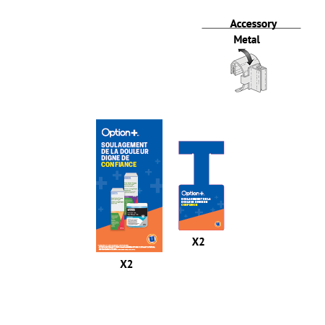
Order Number: | MCK-31706
Company: | Pharmacie Pierre‑Luc Boivin, Émilie Caron et Joanie Gaudreault S.E.N.C.

Item Code | Option_PainRelief_Wave2_UX_FR
Description | Pain Relief P.O.P Kit - Uniprix (French) |  | Qty | 1

# of Pages: | 1 | For SM/QM
Colours: |  | Coating:
Flat Size: |  | Layout Orientation:
Finish Size: |  | # of Up:
Stock: |  | Parent Sheet Size:
Finishing: | Ask Menei for the Kit (Kit Included: Aisle Blades x 2 (with 2 clips per sign), Danglers x 2) | Out:
 |  | Press Sheet Size:
 |  | Finished:
 |  | Overs:
Accessory: |  | Gross:

Special Instructions

Worksheet 4
Press: | Pick & Pack | Number of Items in the order | 7 of 7 |  | Display image:
Order Date: | 2026-08-05 18:12:49 |  |  |  | 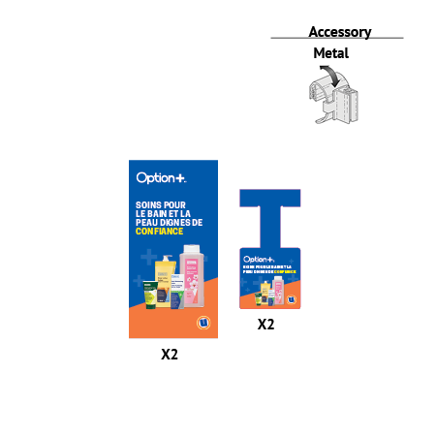
Order Number: | MCK-31706
Company: | Pharmacie Pierre‑Luc Boivin, Émilie Caron et Joanie Gaudreault S.E.N.C.

Item Code | Option_SkinBath_Wave2_UX_FR
Description | Skin Care & Bath P.O.P Kit - Uniprix (French) |  | Qty | 1

# of Pages: | 1 | For SM/QM
Colours: |  | Coating:
Flat Size: |  | Layout Orientation:
Finish Size: |  | # of Up:
Stock: |  | Parent Sheet Size:
Finishing: | Ask Menei for the Kit (Kit Included: Aisle Blades x 1 (with 2 clips per sign), Danglers x 1) | Out:
 |  | Press Sheet Size:
 |  | Finished:
 |  | Overs:
Accessory: |  | Gross:

Special Instructions

