Worksheet 1
Press: | iGen5 | Number of Items in the order | 1 of 5 |  | Display image:
Order Date: | 2026-08-05 16:22:43 |  |  |  | 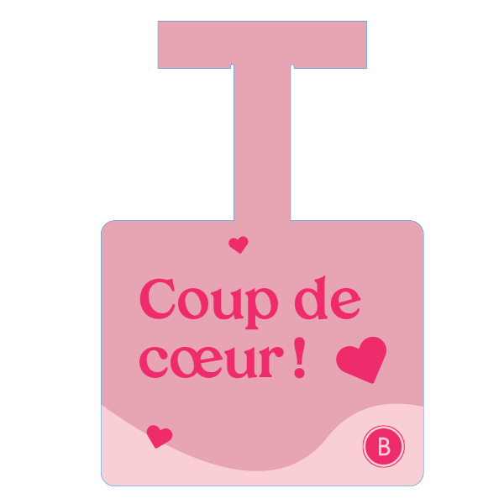
Order Number: | MCK-31704
Company: | Mylen Pellerin et Julien Bureau

Item Code | UX_Coupdecoeur_Dangle
Description | Uniprix – Commère de tablette – Coup de cœur (version française) |  | Qty | 6

# of Pages: | 1 | For SM/QM
Colours: | 4/0 | Coating:
Flat Size: | 4.25 x 6 | Layout Orientation:
Finish Size: | 4.25 x 6 | # of Up: | 5
Stock: | 130lb Gloss C2S Cover | Parent Sheet Size:
Finishing: | Router Cut with 2” lip plus T with d-tape | Out:
 |  | Press Sheet Size: | 18" x 12"
 |  | Finished:
 |  | Overs:
Accessory: |  | Gross:

Special Instructions

Press: | iGen5 | Number of Items in the order | 2 of 5 |  | Display image:
Order Date: | 2026-08-05 16:22:43 |  |  |  | 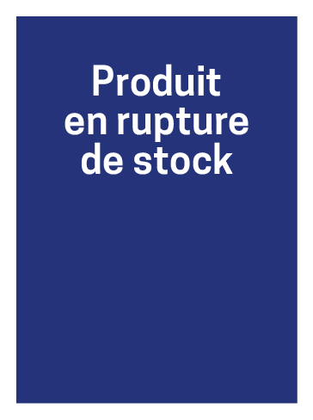
Order Number: | MCK-31704
Company: | Mylen Pellerin et Julien Bureau

Item Code | UX_rupture_carton
Description | Uniprix - Carton - Rupture de stock |  | Qty | 25

# of Pages: | 1 | For SM/QM
Colours: | 4/0 | Coating:
Flat Size: | 2" x 2.75" | Layout Orientation:
Finish Size: | 2" x 2.75" | # of Up:
Stock: | 100lb Gloss C2S Cover | Parent Sheet Size:
Finishing: | Trim to size | Out:
 |  | Press Sheet Size:
 |  | Finished:
 |  | Overs:
Accessory: |  | Gross:

Special Instructions

Worksheet 2
Press: | iGen5 | Number of Items in the order | 3 of 5 |  | Display image:
Order Date: | 2026-08-05 16:22:43 |  |  |  | 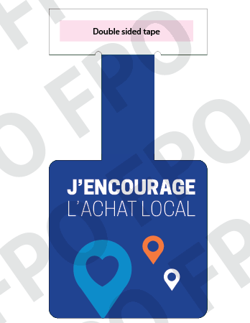
Order Number: | MCK-31704
Company: | Mylen Pellerin et Julien Bureau

Item Code | UX_COVID21_Pastille-AchatLocal_Dangle
Description | Uniprix - Achat local - commère de tablette |  | Qty | 10

# of Pages: | 1 | For SM/QM
Colours: | 4/0 | Coating:
Flat Size: | 3" x 3" | Layout Orientation:
Finish Size: | 3" x 3" | # of Up: | 5
Stock: | 130lb Gloss C2S Cover | Parent Sheet Size:
Finishing: | Router Cut with 2” lip plus T with d-tape | Out:
 |  | Press Sheet Size: | 18" x 12"
 |  | Finished:
 |  | Overs:
Accessory: |  | Gross:

Special Instructions

Press: | Pick & Pack | Number of Items in the order | 4 of 5 |  | Display image:
Order Date: | 2026-08-05 16:22:43 |  |  |  | 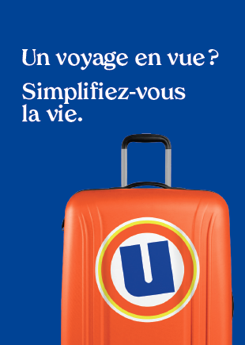
Order Number: | MCK-31704
Company: | Mylen Pellerin et Julien Bureau

Item Code | UX_Env_photo-passeport_FR(COB)
Description | Uniprix - Pochette pour photos passeport et autres photos d'identité – version française |  | Qty | 250

# of Pages: |  | For SM/QM
Colours: |  | Coating:
Flat Size: |  | Layout Orientation:
Finish Size: |  | # of Up:
Stock: |  | Parent Sheet Size:
Finishing: |  | Out:
 |  | Press Sheet Size:
 |  | Finished:
 |  | Overs:
Accessory: |  | Gross:

Special Instructions

Worksheet 3
Press: | Pick & Pack | Number of Items in the order | 5 of 5 |  | Display image:
Order Date: | 2026-08-05 16:22:43 |  |  |  | 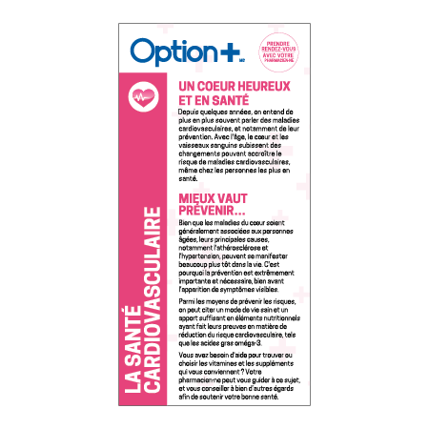
Order Number: | MCK-31704
Company: | Mylen Pellerin et Julien Bureau

Item Code | Option_Pamphlet_Cardiovascular_FR(COB5)
Description | Option + Brochure la santé cardiovasculaire - 2 volets (1 lot de 15) |  | Qty | 1

# of Pages: |  | For SM/QM
Colours: | 4+4 | Coating:
Flat Size: | 4” x 8 | Layout Orientation:
Finish Size: | 12” x 8 | # of Up:
Stock: | 60lb Uncoated Text | Parent Sheet Size:
Finishing: | Trim to Final Size with or without Bifold or Trifold to Final Size, Elastic Bundle in 15s | Out:
 |  | Press Sheet Size:
 |  | Finished:
 |  | Overs:
Accessory: |  | Gross:

Special Instructions

