Worksheet 1
Press: | Pick & Pack | Number of Items in the order | 1 of 2 |  | Display image:
Order Date: | 2026-08-04 15:12:00 |  |  |  | 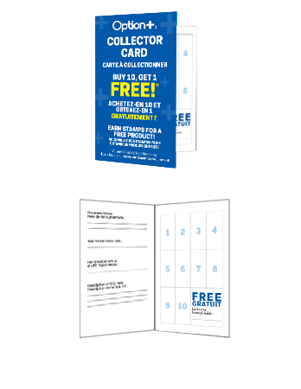
Order Number: | MCK-31700
Company: | Guardian West Bedford Pharmacy

Item Code | Option_CP_StampCard25_BIL(COB)
Description | Option+<sup>TM</sup> Collector Program - Collector Card (BILINGUAL - 250pc per box) |  | Qty | 1

# of Pages: |  | For SM/QM
Colours: |  | Coating:
Flat Size: |  | Layout Orientation:
Finish Size: |  | # of Up:
Stock: |  | Parent Sheet Size:
Finishing: |  | Out:
 |  | Press Sheet Size:
 |  | Finished:
 |  | Overs:
Accessory: |  | Gross:

Special Instructions

Press: | Pick & Pack | Number of Items in the order | 2 of 2 |  | Display image:
Order Date: | 2026-08-04 15:12:00 |  |  |  | 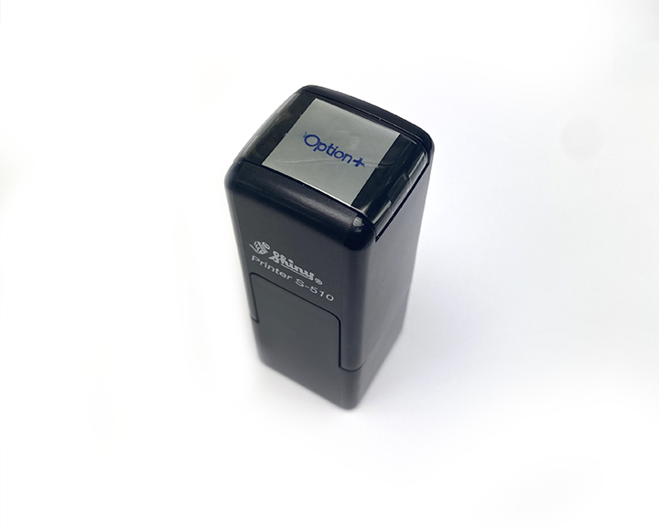
Order Number: | MCK-31700
Company: | Guardian West Bedford Pharmacy

Item Code | Option_CP_Stamp(COB)
Description | Option+ - Collector Program Stamp (Self-Inking) |  | Qty | 1

# of Pages: |  | For SM/QM
Colours: |  | Coating:
Flat Size: |  | Layout Orientation:
Finish Size: |  | # of Up:
Stock: |  | Parent Sheet Size:
Finishing: |  | Out:
 |  | Press Sheet Size:
 |  | Finished:
 |  | Overs:
Accessory: |  | Gross:

Special Instructions

