Worksheet 1
Press: | Pick & Pack | Number of Items in the order | 1 of 4 |  | Display image:
Order Date: | 2026-08-04 14:24:43 |  |  |  | 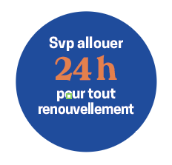
Order Number: | MCK-31699
Company: | Dary Blanchet, Elodie D Girouard, Thi Minh Uyen Le inc

Item Code | UX_MedRenewal_Sticker(COB)
Description | Uniprix – Autocollant – Renouvellement 24 h |  | Qty | 4

# of Pages: | 1 | For SM/QM
Colours: |  | Coating:
Flat Size: | 3/4” Circle | Layout Orientation:
Finish Size: | 3/4” Circle | # of Up:
Stock: |  | Parent Sheet Size:
Finishing: |  | Out:
 |  | Press Sheet Size:
 |  | Finished:
 |  | Overs:
Accessory: |  | Gross:

Special Instructions

Press: | Pick & Pack | Number of Items in the order | 2 of 4 |  | Display image:
Order Date: | 2026-08-04 14:24:43 |  |  |  | 
Order Number: | MCK-31699
Company: | Dary Blanchet, Elodie D Girouard, Thi Minh Uyen Le inc

Item Code | UX_Balloon_blue(COB)
Description | Uniprix – Ballons Uniprix – paquet de 25 ballons - Bleu |  | Qty | 1

# of Pages: |  | For SM/QM
Colours: |  | Coating:
Flat Size: |  | Layout Orientation:
Finish Size: |  | # of Up:
Stock: |  | Parent Sheet Size:
Finishing: |  | Out:
 |  | Press Sheet Size:
 |  | Finished:
 |  | Overs:
Accessory: |  | Gross:

Special Instructions

Worksheet 2
Press: | Pick & Pack | Number of Items in the order | 3 of 4 |  | Display image:
Order Date: | 2026-08-04 14:24:43 |  |  |  | 
Order Number: | MCK-31699
Company: | Dary Blanchet, Elodie D Girouard, Thi Minh Uyen Le inc

Item Code | UX_Balloon_orange(COB)
Description | Uniprix – Ballons Uniprix – paquet de 25 ballons - Orange |  | Qty | 1

# of Pages: |  | For SM/QM
Colours: |  | Coating:
Flat Size: |  | Layout Orientation:
Finish Size: |  | # of Up:
Stock: |  | Parent Sheet Size:
Finishing: |  | Out:
 |  | Press Sheet Size:
 |  | Finished:
 |  | Overs:
Accessory: |  | Gross:

Special Instructions

Press: | Pick & Pack | Number of Items in the order | 4 of 4 |  | Display image:
Order Date: | 2026-08-04 14:24:43 |  |  |  | 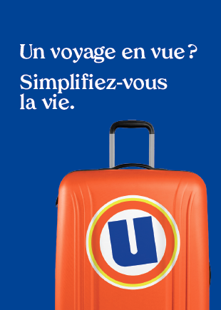
Order Number: | MCK-31699
Company: | Dary Blanchet, Elodie D Girouard, Thi Minh Uyen Le inc

Item Code | UX_Env_photo-passeport_FR(COB)
Description | Uniprix - Pochette pour photos passeport et autres photos d'identité – version française |  | Qty | 250

# of Pages: |  | For SM/QM
Colours: |  | Coating:
Flat Size: |  | Layout Orientation:
Finish Size: |  | # of Up:
Stock: |  | Parent Sheet Size:
Finishing: |  | Out:
 |  | Press Sheet Size:
 |  | Finished:
 |  | Overs:
Accessory: |  | Gross:

Special Instructions

